TMEM188 _multivariate
Reported by Tex Li-Hsing Chi. tex@gate.sinica.edu.tw 2019-08-15

Table 2. The clinicopathological features of HNSCC cohort and TMEM188 expression. (Chi square test)
Cutoff at -0.09 (50.0%)
 |  | TMEM188 expression |  | TMEM188 expression |  | (Optimised)
 | Features | Low | (%) | High | (%) | Case no | P-value | Remark | Matthews
Gender | Female | 160 | 38.6 | 146 | 35.2 | 415 | 0.1254 | 0 | 0
2 | Male | 47 | 11.3 | 62 | 14.9
Age at diagnosis | <=65y | 137 | 33 | 137 | 33 | 415 | 1 | 0 | 0
4 | >65y | 70 | 16.9 | 71 | 17.1
Clinical T Status | T1+T2 | 71 | 17.1 | 78 | 18.8 | 415 | 0.5638 | 0 | 0
6 | T3+T4 | 136 | 32.8 | 130 | 31.3
Clinical N Status | N0 | 108 | 26 | 108 | 26 | 415 | 1 | 0 | 0
8 | N1-3 | 99 | 23.9 | 100 | 24.1
Clinical M Status | M0 | 206 | 49.6 | 206 | 49.6 | 415 | 1 | 0 | 0
10 | M1 | 1 | 0.2 | 2 | 0.5
Clinical Stage | Stage I+II | 43 | 10.4 | 59 | 14.2 | 415 | 0.0925 | 0 | 0
12 | Stage III+IV | 164 | 39.5 | 149 | 35.9
Surgical Margin status | Negative | 160 | 38.6 | 158 | 38.1 | 415 | 0.8167 | 0 | 0
14 | Positive | 47 | 11.3 | 50 | 12
Tobacco Exposure | Low | 77 | 18.6 | 84 | 20.2 | 415 | 0.5459 | 0 | 0
16 | High | 130 | 31.3 | 124 | 29.9

Table 3. Univariate/Multivariate Cox's proportional hazards regression analyses on OS time of TMEM188 gene expression in HNSCC

 |  | Univariate |  |  |  | Multivariate
 | Features | HR | CI95%(L) | CI95%(H) | P-value | HR | CI95%(L) | CI95%(H) | P-value
1 | Female | 1 |  |  |  | 1
Gender | Male | 1.157 | 0.843 | 1.587 | 0.367 | 1.179 | 0.843 | 1.649 | 0.336
11 | <=65y | 1 |  |  |  | 1
Age at diagnosis | >65y | 1.329 | 0.99 | 1.784 | 0.058 | 1.401 | 1.03 | 1.905 | 0.032
12 | T1+T2 | 1 |  |  |  | 1
Clinical T Status | T3+T4 | 1.409 | 1.028 | 1.931 | 0.033 | 2.144 | 1.132 | 4.063 | 0.019
13 | N0 | 1 |  |  |  | 1
Clinical N Status | N1-3 | 1.185 | 0.89 | 1.577 | 0.246 | 1.233 | 0.864 | 1.759 | 0.249
14 | M0 | 1 |  |  |  | 1
Clinical M Status | M1 | 4.097 | 1.009 | 16.644 | 0.049 | 8.684 | 1.882 | 40.075 | 0.006
15 | Stage I+II | 1 |  |  |  | 1
Clinical Stage | Stage III+IV | 1.245 | 0.882 | 1.759 | 0.213 | 0.537 | 0.248 | 1.163 | 0.115
16 | Negative | 1 |  |  |  | 1
Surgical Margin status | Positive | 1.591 | 1.155 | 2.191 | 0.004 | 1.644 | 1.188 | 2.275 | 0.003
17 | Low | 1 |  |  |  | 1
Tobacco Exposure | High | 1.364 | 1.008 | 1.844 | 0.044 | 1.46 | 1.059 | 2.012 | 0.021
18 | Low | 1 |  |  |  | 1
RNAseq(z-score) | High | 1.202 | 0.902 | 1.602 | 0.208 | 1.175 | 0.873 | 1.582 | 0.287

Table 4. Univariate/Multivariate Cox's proportional hazards regression analyses on RFS time of TMEM188 gene expression in HNSCC

 |  | Univariate |  |  |  | Multivariate
 | Features | HR | CI95%(L) | CI95%(H) | P-value | HR | CI95%(L) | CI95%(H) | P-value
1 | Female | 1 |  |  |  | 1
Gender | Male | 1.157 | 0.843 | 1.587 | 0.367 | 1.179 | 0.843 | 1.649 | 0.336
11 | <=65y | 1 |  |  |  | 1
Age at diagnosis | >65y | 1.329 | 0.99 | 1.784 | 0.058 | 1.401 | 1.03 | 1.905 | 0.032
12 | T1+T2 | 1 |  |  |  | 1
Clinical T Status | T3+T4 | 1.409 | 1.028 | 1.931 | 0.033 | 2.144 | 1.132 | 4.063 | 0.019
13 | N0 | 1 |  |  |  | 1
Clinical N Status | N1-3 | 1.185 | 0.89 | 1.577 | 0.246 | 1.233 | 0.864 | 1.759 | 0.249
14 | M0 | 1 |  |  |  | 1
Clinical M Status | M1 | 4.097 | 1.009 | 16.644 | 0.049 | 8.684 | 1.882 | 40.075 | 0.006
15 | Stage I+II | 1 |  |  |  | 1
Clinical Stage | Stage III+IV | 1.245 | 0.882 | 1.759 | 0.213 | 0.537 | 0.248 | 1.163 | 0.115
16 | Negative | 1 |  |  |  | 1
Surgical Margin status | Positive | 1.591 | 1.155 | 2.191 | 0.004 | 1.644 | 1.188 | 2.275 | 0.003
17 | Low | 1 |  |  |  | 1
Tobacco Exposure | High | 1.364 | 1.008 | 1.844 | 0.044 | 1.46 | 1.059 | 2.012 | 0.021
18 | Low | 1 |  |  |  | 1
RNAseq(z-score) | High | 1.202 | 0.902 | 1.602 | 0.208 | 1.175 | 0.873 | 1.582 | 0.287

Kaplan-Meier survival estimate: Cutoff at -0.09 (50.0%)



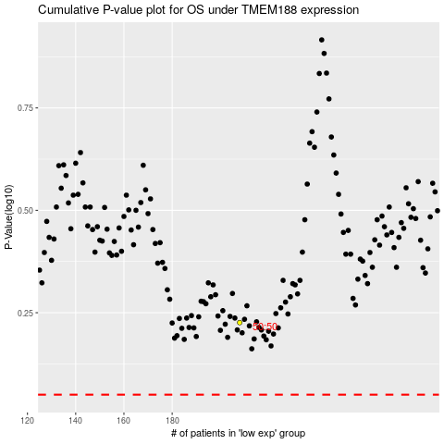

 |  |  |  |  |  | cases_OS | p_OS | rank | exp
 |  |  |  |  |  |  | cases_RFS | p_RFS | rank | exp

