TMEM189 _multivariate
Reported by Tex Li-Hsing Chi. tex@gate.sinica.edu.tw 2019-08-15

Table 2. The clinicopathological features of HNSCC cohort and TMEM189 expression. (Chi square test)
Cutoff at -0.092 (49.8%)
 |  | TMEM189 expression |  | TMEM189 expression |  | (Optimised)
 | Features | Low | (%) | High | (%) | Case no | P-value | Remark | Matthews
Gender | Female | 151 | 36.4 | 155 | 37.3 | 415 | 0.8007 | 0 | 0
2 | Male | 56 | 13.5 | 53 | 12.8
Age at diagnosis | <=65y | 135 | 32.5 | 139 | 33.5 | 415 | 0.8084 | 0 | 0
4 | >65y | 72 | 17.3 | 69 | 16.6
Clinical T Status | T1+T2 | 78 | 18.8 | 71 | 17.1 | 415 | 0.5152 | 0 | 0
6 | T3+T4 | 129 | 31.1 | 137 | 33
Clinical N Status | N0 | 114 | 27.5 | 102 | 24.6 | 415 | 0.2576 | 1 | 0
8 | N1-3 | 93 | 22.4 | 106 | 25.5
Clinical M Status | M0 | 207 | 49.9 | 205 | 49.4 | 415 | 0.2482 | 0 | 0
10 | M1 | 0 | 0 | 3 | 0.7
Clinical Stage | Stage I+II | 54 | 13 | 48 | 11.6 | 415 | 0.5498 | 0 | 0
12 | Stage III+IV | 153 | 36.9 | 160 | 38.6
Surgical Margin status | Negative | 156 | 37.6 | 162 | 39 | 415 | 0.5636 | 0 | 0
14 | Positive | 51 | 12.3 | 46 | 11.1
Tobacco Exposure | Low | 91 | 21.9 | 70 | 16.9 | 415 | 0.0346 | 1 | 0
16 | High | 116 | 28 | 138 | 33.3

Table 3. Univariate/Multivariate Cox's proportional hazards regression analyses on OS time of TMEM189 gene expression in HNSCC

 |  | Univariate |  |  |  | Multivariate
 | Features | HR | CI95%(L) | CI95%(H) | P-value | HR | CI95%(L) | CI95%(H) | P-value
1 | Female | 1 |  |  |  | 1
Gender | Male | 1.157 | 0.843 | 1.587 | 0.367 | 1.203 | 0.861 | 1.68 | 0.279
11 | <=65y | 1 |  |  |  | 1
Age at diagnosis | >65y | 1.329 | 0.99 | 1.784 | 0.058 | 1.391 | 1.023 | 1.89 | 0.035
12 | T1+T2 | 1 |  |  |  | 1
Clinical T Status | T3+T4 | 1.409 | 1.028 | 1.931 | 0.033 | 2.207 | 1.167 | 4.175 | 0.015
13 | N0 | 1 |  |  |  | 1
Clinical N Status | N1-3 | 1.185 | 0.89 | 1.577 | 0.246 | 1.236 | 0.866 | 1.764 | 0.244
14 | M0 | 1 |  |  |  | 1
Clinical M Status | M1 | 4.097 | 1.009 | 16.644 | 0.049 | 9.125 | 1.981 | 42.038 | 0.005
15 | Stage I+II | 1 |  |  |  | 1
Clinical Stage | Stage III+IV | 1.245 | 0.882 | 1.759 | 0.213 | 0.503 | 0.234 | 1.081 | 0.078
16 | Negative | 1 |  |  |  | 1
Surgical Margin status | Positive | 1.591 | 1.155 | 2.191 | 0.004 | 1.682 | 1.216 | 2.326 | 0.002
17 | Low | 1 |  |  |  | 1
Tobacco Exposure | High | 1.364 | 1.008 | 1.844 | 0.044 | 1.435 | 1.037 | 1.985 | 0.029
18 | Low | 1 |  |  |  | 1
RNAseq(z-score) | High | 1.108 | 0.831 | 1.476 | 0.485 | 1.075 | 0.801 | 1.442 | 0.632

Table 4. Univariate/Multivariate Cox's proportional hazards regression analyses on RFS time of TMEM189 gene expression in HNSCC

 |  | Univariate |  |  |  | Multivariate
 | Features | HR | CI95%(L) | CI95%(H) | P-value | HR | CI95%(L) | CI95%(H) | P-value
1 | Female | 1 |  |  |  | 1
Gender | Male | 1.157 | 0.843 | 1.587 | 0.367 | 1.203 | 0.861 | 1.68 | 0.279
11 | <=65y | 1 |  |  |  | 1
Age at diagnosis | >65y | 1.329 | 0.99 | 1.784 | 0.058 | 1.391 | 1.023 | 1.89 | 0.035
12 | T1+T2 | 1 |  |  |  | 1
Clinical T Status | T3+T4 | 1.409 | 1.028 | 1.931 | 0.033 | 2.207 | 1.167 | 4.175 | 0.015
13 | N0 | 1 |  |  |  | 1
Clinical N Status | N1-3 | 1.185 | 0.89 | 1.577 | 0.246 | 1.236 | 0.866 | 1.764 | 0.244
14 | M0 | 1 |  |  |  | 1
Clinical M Status | M1 | 4.097 | 1.009 | 16.644 | 0.049 | 9.125 | 1.981 | 42.038 | 0.005
15 | Stage I+II | 1 |  |  |  | 1
Clinical Stage | Stage III+IV | 1.245 | 0.882 | 1.759 | 0.213 | 0.503 | 0.234 | 1.081 | 0.078
16 | Negative | 1 |  |  |  | 1
Surgical Margin status | Positive | 1.591 | 1.155 | 2.191 | 0.004 | 1.682 | 1.216 | 2.326 | 0.002
17 | Low | 1 |  |  |  | 1
Tobacco Exposure | High | 1.364 | 1.008 | 1.844 | 0.044 | 1.435 | 1.037 | 1.985 | 0.029
18 | Low | 1 |  |  |  | 1
RNAseq(z-score) | High | 1.108 | 0.831 | 1.476 | 0.485 | 1.075 | 0.801 | 1.442 | 0.632

Kaplan-Meier survival estimate: Cutoff at -0.092 (49.8%)



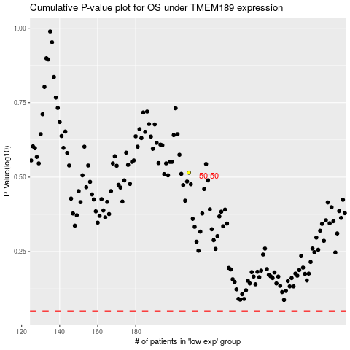

 |  |  |  |  |  | cases_OS | p_OS | rank | exp
 |  |  |  |  |  |  | cases_RFS | p_RFS | rank | exp

