TMEM192 _multivariate
Reported by Tex Li-Hsing Chi. tex@gate.sinica.edu.tw 2019-08-15

Table 2. The clinicopathological features of HNSCC cohort and TMEM192 expression. (Chi square test)
Cutoff at -0.186 (49.8%)
 |  | TMEM192 expression |  | TMEM192 expression |  | (Optimised)
 | Features | Low | (%) | High | (%) | Case no | P-value | Remark | Matthews
Gender | Female | 152 | 36.6 | 154 | 37.1 | 415 | 0.9766 | 0 | 0
2 | Male | 55 | 13.3 | 54 | 13
Age at diagnosis | <=65y | 137 | 33 | 137 | 33 | 415 | 1 | 0 | 0
4 | >65y | 70 | 16.9 | 71 | 17.1
Clinical T Status | T1+T2 | 82 | 19.8 | 67 | 16.1 | 415 | 0.1417 | 0 | 0
6 | T3+T4 | 125 | 30.1 | 141 | 34
Clinical N Status | N0 | 109 | 26.3 | 107 | 25.8 | 415 | 0.8812 | 0 | 0
8 | N1-3 | 98 | 23.6 | 101 | 24.3
Clinical M Status | M0 | 204 | 49.2 | 208 | 50.1 | 415 | 0.1232 | 0 | 0
10 | M1 | 3 | 0.7 | 0 | 0
Clinical Stage | Stage I+II | 57 | 13.7 | 45 | 10.8 | 415 | 0.1998 | 0 | 0
12 | Stage III+IV | 150 | 36.1 | 163 | 39.3
Surgical Margin status | Negative | 151 | 36.4 | 167 | 40.2 | 415 | 0.0828 | 0 | 0
14 | Positive | 56 | 13.5 | 41 | 9.9
Tobacco Exposure | Low | 80 | 19.3 | 81 | 19.5 | 415 | 1 | 0 | 0
16 | High | 127 | 30.6 | 127 | 30.6

Table 3. Univariate/Multivariate Cox's proportional hazards regression analyses on OS time of TMEM192 gene expression in HNSCC

 |  | Univariate |  |  |  | Multivariate
 | Features | HR | CI95%(L) | CI95%(H) | P-value | HR | CI95%(L) | CI95%(H) | P-value
1 | Female | 1 |  |  |  | 1
Gender | Male | 1.157 | 0.843 | 1.587 | 0.367 | 1.218 | 0.871 | 1.703 | 0.248
11 | <=65y | 1 |  |  |  | 1
Age at diagnosis | >65y | 1.329 | 0.99 | 1.784 | 0.058 | 1.394 | 1.026 | 1.895 | 0.034
12 | T1+T2 | 1 |  |  |  | 1
Clinical T Status | T3+T4 | 1.409 | 1.028 | 1.931 | 0.033 | 2.207 | 1.167 | 4.171 | 0.015
13 | N0 | 1 |  |  |  | 1
Clinical N Status | N1-3 | 1.185 | 0.89 | 1.577 | 0.246 | 1.246 | 0.873 | 1.778 | 0.225
14 | M0 | 1 |  |  |  | 1
Clinical M Status | M1 | 4.097 | 1.009 | 16.644 | 0.049 | 10.476 | 2.262 | 48.517 | 0.003
15 | Stage I+II | 1 |  |  |  | 1
Clinical Stage | Stage III+IV | 1.245 | 0.882 | 1.759 | 0.213 | 0.495 | 0.23 | 1.062 | 0.071
16 | Negative | 1 |  |  |  | 1
Surgical Margin status | Positive | 1.591 | 1.155 | 2.191 | 0.004 | 1.715 | 1.238 | 2.376 | 0.001
17 | Low | 1 |  |  |  | 1
Tobacco Exposure | High | 1.364 | 1.008 | 1.844 | 0.044 | 1.475 | 1.069 | 2.036 | 0.018
18 | Low | 1 |  |  |  | 1
RNAseq(z-score) | High | 1.102 | 0.826 | 1.469 | 0.509 | 1.204 | 0.898 | 1.616 | 0.215

Table 4. Univariate/Multivariate Cox's proportional hazards regression analyses on RFS time of TMEM192 gene expression in HNSCC

 |  | Univariate |  |  |  | Multivariate
 | Features | HR | CI95%(L) | CI95%(H) | P-value | HR | CI95%(L) | CI95%(H) | P-value
1 | Female | 1 |  |  |  | 1
Gender | Male | 1.157 | 0.843 | 1.587 | 0.367 | 1.218 | 0.871 | 1.703 | 0.248
11 | <=65y | 1 |  |  |  | 1
Age at diagnosis | >65y | 1.329 | 0.99 | 1.784 | 0.058 | 1.394 | 1.026 | 1.895 | 0.034
12 | T1+T2 | 1 |  |  |  | 1
Clinical T Status | T3+T4 | 1.409 | 1.028 | 1.931 | 0.033 | 2.207 | 1.167 | 4.171 | 0.015
13 | N0 | 1 |  |  |  | 1
Clinical N Status | N1-3 | 1.185 | 0.89 | 1.577 | 0.246 | 1.246 | 0.873 | 1.778 | 0.225
14 | M0 | 1 |  |  |  | 1
Clinical M Status | M1 | 4.097 | 1.009 | 16.644 | 0.049 | 10.476 | 2.262 | 48.517 | 0.003
15 | Stage I+II | 1 |  |  |  | 1
Clinical Stage | Stage III+IV | 1.245 | 0.882 | 1.759 | 0.213 | 0.495 | 0.23 | 1.062 | 0.071
16 | Negative | 1 |  |  |  | 1
Surgical Margin status | Positive | 1.591 | 1.155 | 2.191 | 0.004 | 1.715 | 1.238 | 2.376 | 0.001
17 | Low | 1 |  |  |  | 1
Tobacco Exposure | High | 1.364 | 1.008 | 1.844 | 0.044 | 1.475 | 1.069 | 2.036 | 0.018
18 | Low | 1 |  |  |  | 1
RNAseq(z-score) | High | 1.102 | 0.826 | 1.469 | 0.509 | 1.204 | 0.898 | 1.616 | 0.215

Kaplan-Meier survival estimate: Cutoff at -0.186 (49.8%)



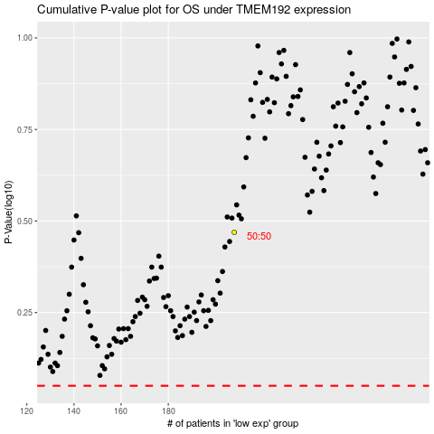

 |  |  |  |  |  | cases_OS | p_OS | rank | exp
 |  |  |  |  |  |  | cases_RFS | p_RFS | rank | exp

