TMEM194B _multivariate
Reported by Tex Li-Hsing Chi. tex@gate.sinica.edu.tw 2019-08-15

Table 2. The clinicopathological features of HNSCC cohort and TMEM194B expression. (Chi square test)
Cutoff at -0.125 (49.8%)
 |  | TMEM194B expression |  | TMEM194B expression |  | (Optimised)
 | Features | Low | (%) | High | (%) | Case no | P-value | Remark | Matthews
Gender | Female | 142 | 34.2 | 164 | 39.5 | 415 | 0.0238 | 1 | 0
2 | Male | 65 | 15.7 | 44 | 10.6
Age at diagnosis | <=65y | 136 | 32.8 | 138 | 33.3 | 415 | 0.9719 | 0 | 0
4 | >65y | 71 | 17.1 | 70 | 16.9
Clinical T Status | T1+T2 | 74 | 17.8 | 75 | 18.1 | 415 | 1 | 0 | 0
6 | T3+T4 | 133 | 32 | 133 | 32
Clinical N Status | N0 | 115 | 27.7 | 101 | 24.3 | 415 | 0.184 | 1 | 0
8 | N1-3 | 92 | 22.2 | 107 | 25.8
Clinical M Status | M0 | 206 | 49.6 | 206 | 49.6 | 415 | 1 | 0 | 0
10 | M1 | 1 | 0.2 | 2 | 0.5
Clinical Stage | Stage I+II | 52 | 12.5 | 50 | 12 | 415 | 0.8871 | 0 | 0
12 | Stage III+IV | 155 | 37.3 | 158 | 38.1
Surgical Margin status | Negative | 161 | 38.8 | 157 | 37.8 | 415 | 0.6429 | 0 | 0
14 | Positive | 46 | 11.1 | 51 | 12.3
Tobacco Exposure | Low | 82 | 19.8 | 79 | 19 | 415 | 0.763 | 0 | 0
16 | High | 125 | 30.1 | 129 | 31.1

Table 3. Univariate/Multivariate Cox's proportional hazards regression analyses on OS time of TMEM194B gene expression in HNSCC

 |  | Univariate |  |  |  | Multivariate
 | Features | HR | CI95%(L) | CI95%(H) | P-value | HR | CI95%(L) | CI95%(H) | P-value
1 | Female | 1 |  |  |  | 1
Gender | Male | 1.157 | 0.843 | 1.587 | 0.367 | 1.226 | 0.875 | 1.718 | 0.236
11 | <=65y | 1 |  |  |  | 1
Age at diagnosis | >65y | 1.329 | 0.99 | 1.784 | 0.058 | 1.376 | 1.011 | 1.871 | 0.042
12 | T1+T2 | 1 |  |  |  | 1
Clinical T Status | T3+T4 | 1.409 | 1.028 | 1.931 | 0.033 | 2.201 | 1.163 | 4.163 | 0.015
13 | N0 | 1 |  |  |  | 1
Clinical N Status | N1-3 | 1.185 | 0.89 | 1.577 | 0.246 | 1.218 | 0.852 | 1.741 | 0.279
14 | M0 | 1 |  |  |  | 1
Clinical M Status | M1 | 4.097 | 1.009 | 16.644 | 0.049 | 9.061 | 1.974 | 41.597 | 0.005
15 | Stage I+II | 1 |  |  |  | 1
Clinical Stage | Stage III+IV | 1.245 | 0.882 | 1.759 | 0.213 | 0.504 | 0.235 | 1.084 | 0.079
16 | Negative | 1 |  |  |  | 1
Surgical Margin status | Positive | 1.591 | 1.155 | 2.191 | 0.004 | 1.689 | 1.221 | 2.335 | 0.002
17 | Low | 1 |  |  |  | 1
Tobacco Exposure | High | 1.364 | 1.008 | 1.844 | 0.044 | 1.477 | 1.07 | 2.039 | 0.018
18 | Low | 1 |  |  |  | 1
RNAseq(z-score) | High | 1.192 | 0.894 | 1.589 | 0.231 | 1.201 | 0.897 | 1.608 | 0.218

Table 4. Univariate/Multivariate Cox's proportional hazards regression analyses on RFS time of TMEM194B gene expression in HNSCC

 |  | Univariate |  |  |  | Multivariate
 | Features | HR | CI95%(L) | CI95%(H) | P-value | HR | CI95%(L) | CI95%(H) | P-value
1 | Female | 1 |  |  |  | 1
Gender | Male | 1.157 | 0.843 | 1.587 | 0.367 | 1.226 | 0.875 | 1.718 | 0.236
11 | <=65y | 1 |  |  |  | 1
Age at diagnosis | >65y | 1.329 | 0.99 | 1.784 | 0.058 | 1.376 | 1.011 | 1.871 | 0.042
12 | T1+T2 | 1 |  |  |  | 1
Clinical T Status | T3+T4 | 1.409 | 1.028 | 1.931 | 0.033 | 2.201 | 1.163 | 4.163 | 0.015
13 | N0 | 1 |  |  |  | 1
Clinical N Status | N1-3 | 1.185 | 0.89 | 1.577 | 0.246 | 1.218 | 0.852 | 1.741 | 0.279
14 | M0 | 1 |  |  |  | 1
Clinical M Status | M1 | 4.097 | 1.009 | 16.644 | 0.049 | 9.061 | 1.974 | 41.597 | 0.005
15 | Stage I+II | 1 |  |  |  | 1
Clinical Stage | Stage III+IV | 1.245 | 0.882 | 1.759 | 0.213 | 0.504 | 0.235 | 1.084 | 0.079
16 | Negative | 1 |  |  |  | 1
Surgical Margin status | Positive | 1.591 | 1.155 | 2.191 | 0.004 | 1.689 | 1.221 | 2.335 | 0.002
17 | Low | 1 |  |  |  | 1
Tobacco Exposure | High | 1.364 | 1.008 | 1.844 | 0.044 | 1.477 | 1.07 | 2.039 | 0.018
18 | Low | 1 |  |  |  | 1
RNAseq(z-score) | High | 1.192 | 0.894 | 1.589 | 0.231 | 1.201 | 0.897 | 1.608 | 0.218

Kaplan-Meier survival estimate: Cutoff at -0.125 (49.8%)



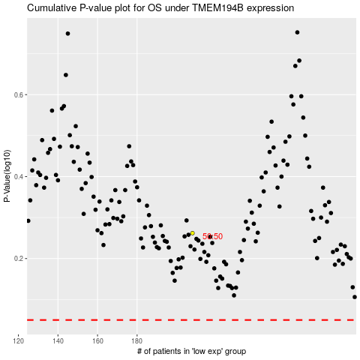

 |  |  |  |  |  | cases_OS | p_OS | rank | exp
 |  |  |  |  |  |  | cases_RFS | p_RFS | rank | exp

