TMEM2 _multivariate
Reported by Tex Li-Hsing Chi. tex@gate.sinica.edu.tw 2019-08-15

Table 2. The clinicopathological features of HNSCC cohort and TMEM2 expression. (Chi square test)
Cutoff at 0.413 (70.0%)
 |  | TMEM2 expression |  | TMEM2 expression |  | (Optimised)
 | Features | Low | (%) | High | (%) | Case no | P-value | Remark | Matthews
Gender | Female | 210 | 50.6 | 96 | 23.1 | 415 | 0.418 | 0 | 0
2 | Male | 80 | 19.3 | 29 | 7
Age at diagnosis | <=65y | 192 | 46.3 | 82 | 19.8 | 415 | 0.9946 | 0 | 0
4 | >65y | 98 | 23.6 | 43 | 10.4
Clinical T Status | T1+T2 | 103 | 24.8 | 46 | 11.1 | 415 | 0.8899 | 0 | 0
6 | T3+T4 | 187 | 45.1 | 79 | 19
Clinical N Status | N0 | 155 | 37.3 | 61 | 14.7 | 415 | 0.4458 | 0 | 0
8 | N1-3 | 135 | 32.5 | 64 | 15.4
Clinical M Status | M0 | 287 | 69.2 | 125 | 30.1 | 415 | 0.5571 | 0 | 0
10 | M1 | 3 | 0.7 | 0 | 0
Clinical Stage | Stage I+II | 68 | 16.4 | 34 | 8.2 | 415 | 0.4901 | 0 | 0
12 | Stage III+IV | 222 | 53.5 | 91 | 21.9
Surgical Margin status | Negative | 224 | 54 | 94 | 22.7 | 415 | 0.7047 | 0 | 0
14 | Positive | 66 | 15.9 | 31 | 7.5
Tobacco Exposure | Low | 116 | 28 | 45 | 10.8 | 415 | 0.5102 | 0 | 0
16 | High | 174 | 41.9 | 80 | 19.3

Table 3. Univariate/Multivariate Cox's proportional hazards regression analyses on OS time of TMEM2 gene expression in HNSCC

 |  | Univariate |  |  |  | Multivariate
 | Features | HR | CI95%(L) | CI95%(H) | P-value | HR | CI95%(L) | CI95%(H) | P-value
1 | Female | 1 |  |  |  | 1
Gender | Male | 1.157 | 0.843 | 1.587 | 0.367 | 1.243 | 0.889 | 1.738 | 0.204
11 | <=65y | 1 |  |  |  | 1
Age at diagnosis | >65y | 1.329 | 0.99 | 1.784 | 0.058 | 1.384 | 1.017 | 1.883 | 0.039
12 | T1+T2 | 1 |  |  |  | 1
Clinical T Status | T3+T4 | 1.409 | 1.028 | 1.931 | 0.033 | 2.163 | 1.143 | 4.093 | 0.018
13 | N0 | 1 |  |  |  | 1
Clinical N Status | N1-3 | 1.185 | 0.89 | 1.577 | 0.246 | 1.203 | 0.843 | 1.717 | 0.308
14 | M0 | 1 |  |  |  | 1
Clinical M Status | M1 | 4.097 | 1.009 | 16.644 | 0.049 | 10.808 | 2.348 | 49.755 | 0.002
15 | Stage I+II | 1 |  |  |  | 1
Clinical Stage | Stage III+IV | 1.245 | 0.882 | 1.759 | 0.213 | 0.55 | 0.256 | 1.185 | 0.127
16 | Negative | 1 |  |  |  | 1
Surgical Margin status | Positive | 1.591 | 1.155 | 2.191 | 0.004 | 1.699 | 1.229 | 2.35 | 0.001
17 | Low | 1 |  |  |  | 1
Tobacco Exposure | High | 1.364 | 1.008 | 1.844 | 0.044 | 1.453 | 1.054 | 2.002 | 0.022
18 | Low | 1 |  |  |  | 1
RNAseq(z-score) | High | 1.43 | 1.061 | 1.929 | 0.019 | 1.527 | 1.127 | 2.069 | 0.006

Table 4. Univariate/Multivariate Cox's proportional hazards regression analyses on RFS time of TMEM2 gene expression in HNSCC

 |  | Univariate |  |  |  | Multivariate
 | Features | HR | CI95%(L) | CI95%(H) | P-value | HR | CI95%(L) | CI95%(H) | P-value
1 | Female | 1 |  |  |  | 1
Gender | Male | 1.157 | 0.843 | 1.587 | 0.367 | 1.243 | 0.889 | 1.738 | 0.204
11 | <=65y | 1 |  |  |  | 1
Age at diagnosis | >65y | 1.329 | 0.99 | 1.784 | 0.058 | 1.384 | 1.017 | 1.883 | 0.039
12 | T1+T2 | 1 |  |  |  | 1
Clinical T Status | T3+T4 | 1.409 | 1.028 | 1.931 | 0.033 | 2.163 | 1.143 | 4.093 | 0.018
13 | N0 | 1 |  |  |  | 1
Clinical N Status | N1-3 | 1.185 | 0.89 | 1.577 | 0.246 | 1.203 | 0.843 | 1.717 | 0.308
14 | M0 | 1 |  |  |  | 1
Clinical M Status | M1 | 4.097 | 1.009 | 16.644 | 0.049 | 10.808 | 2.348 | 49.755 | 0.002
15 | Stage I+II | 1 |  |  |  | 1
Clinical Stage | Stage III+IV | 1.245 | 0.882 | 1.759 | 0.213 | 0.55 | 0.256 | 1.185 | 0.127
16 | Negative | 1 |  |  |  | 1
Surgical Margin status | Positive | 1.591 | 1.155 | 2.191 | 0.004 | 1.699 | 1.229 | 2.35 | 0.001
17 | Low | 1 |  |  |  | 1
Tobacco Exposure | High | 1.364 | 1.008 | 1.844 | 0.044 | 1.453 | 1.054 | 2.002 | 0.022
18 | Low | 1 |  |  |  | 1
RNAseq(z-score) | High | 1.43 | 1.061 | 1.929 | 0.019 | 1.527 | 1.127 | 2.069 | 0.006

Kaplan-Meier survival estimate: Cutoff at 0.413 (70.0%)

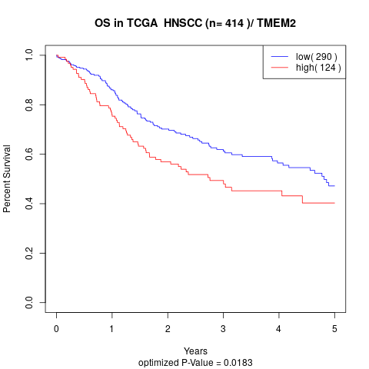

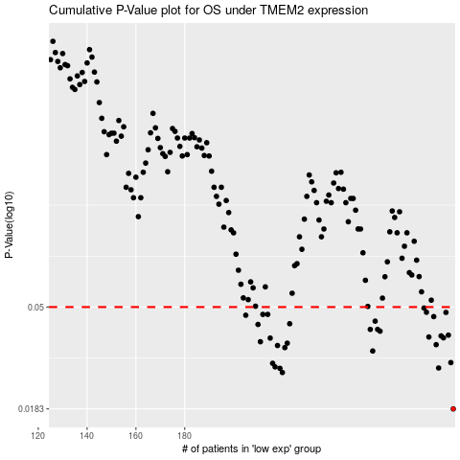

 |  |  |  |  |  | cases_OS | p_OS | rank | exp
 |  |  |  |  |  | 290 | 0.0183 | 43 | 0.41324475025
 |  |  |  |  |  | 220 | 0.0262 | 404 | -0.037929062906
 |  |  |  |  |  | 219 | 0.0273 | 356 | -0.069285675155
 |  |  |  |  |  | 284 | 0.0274 | 62 | 0.34176901114
 |  |  |  |  |  | 217 | 0.0277 | 248 | -0.099764554055
 |  |  |  |  |  | 216 | 0.0287 | 277 | -0.10333602952
 |  |  |  |  |  | 289 | 0.0289 | 231 | 0.3999723581
 |  |  |  |  |  | 257 | 0.0324 | 69 | 0.15203586532
 |  |  |  |  |  | 221 | 0.0335 | 212 | -0.028997714447
 |  |  |  |  |  | 218 | 0.0342 | 128 | -0.093286425976
 |  |  |  |  |  | 283 | 0.0345 | 324 | 0.3386633803
 |  |  |  |  |  | 222 | 0.035 | 338 | -0.027497461703
 |  |  |  |  |  | 211 | 0.0355 | 302 | -0.11857084599
 |  |  |  |  |  | 215 | 0.0368 | 141 | -0.10338453917
 |  |  |  |  |  | 286 | 0.0369 | 185 | 0.36367472772
 |  |  |  |  |  | 280 | 0.0372 | 413 | 0.31170341419
 |  |  |  |  |  | 285 | 0.0376 | 345 | 0.34813213462
 |  |  |  |  |  | 288 | 0.0379 | 75 | 0.39139729592
 |  |  |  |  |  | 260 | 0.0394 | 389 | 0.16984511296
 |  |  |  |  |  | 259 | 0.0401 | 154 | 0.16910606908
 |  |  |  |  |  | 256 | 0.0401 | 174 | 0.15074700319
 |  |  |  |  |  | 210 | 0.0421 | 167 | -0.12066322043
 |  |  |  |  |  | 223 | 0.0424 | 223 | -0.023852271837
 |  |  |  |  |  | 258 | 0.0435 | 46 | 0.16369274681
 |  |  |  |  |  | 282 | 0.0455 | 166 | 0.3311579369
 |  |  |  |  |  | 205 | 0.0461 | 273 | -0.14261491352
 |  |  |  |  |  | 212 | 0.0465 | 97 | -0.11468260124
 |  |  |  |  |  | 214 | 0.0465 | 105 | -0.10561079012
 |  |  |  |  |  | 287 | 0.0474 | 89 | 0.36416261067
 |  |  |  |  |  | 279 | 0.0475 | 192 | 0.31060795738
 |  |  |  |  |  | 278 | 0.0495 | 94 | 0.29276058596
 |  |  |  |  |  |  | cases_RFS | p_RFS | rank | exp
 |  |  |  |  |  |  | 289 | 0.0183 | 231 | 0.3999723581
 |  |  |  |  |  |  | 219 | 0.0262 | 356 | -0.069285675155
 |  |  |  |  |  |  | 218 | 0.0273 | 128 | -0.093286425976
 |  |  |  |  |  |  | 283 | 0.0274 | 324 | 0.3386633803
 |  |  |  |  |  |  | 216 | 0.0277 | 277 | -0.10333602952
 |  |  |  |  |  |  | 215 | 0.0287 | 141 | -0.10338453917
 |  |  |  |  |  |  | 288 | 0.0289 | 75 | 0.39139729592
 |  |  |  |  |  |  | 256 | 0.0324 | 174 | 0.15074700319
 |  |  |  |  |  |  | 220 | 0.0335 | 404 | -0.037929062906
 |  |  |  |  |  |  | 217 | 0.0342 | 248 | -0.099764554055
 |  |  |  |  |  |  | 282 | 0.0345 | 166 | 0.3311579369
 |  |  |  |  |  |  | 221 | 0.035 | 212 | -0.028997714447
 |  |  |  |  |  |  | 210 | 0.0355 | 167 | -0.12066322043
 |  |  |  |  |  |  | 214 | 0.0368 | 105 | -0.10561079012
 |  |  |  |  |  |  | 285 | 0.0369 | 345 | 0.34813213462
 |  |  |  |  |  |  | 279 | 0.0372 | 192 | 0.31060795738
 |  |  |  |  |  |  | 284 | 0.0376 | 62 | 0.34176901114
 |  |  |  |  |  |  | 287 | 0.0379 | 89 | 0.36416261067
 |  |  |  |  |  |  | 259 | 0.0394 | 154 | 0.16910606908
 |  |  |  |  |  |  | 258 | 0.0401 | 46 | 0.16369274681
 |  |  |  |  |  |  | 255 | 0.0401 | 402 | 0.14326499134
 |  |  |  |  |  |  | 209 | 0.0421 | 392 | -0.12458084961
 |  |  |  |  |  |  | 222 | 0.0424 | 338 | -0.027497461703
 |  |  |  |  |  |  | 257 | 0.0435 | 69 | 0.15203586532
 |  |  |  |  |  |  | 281 | 0.0455 | 5 | 0.32864784751
 |  |  |  |  |  |  | 204 | 0.0461 | 234 | -0.15277888838
 |  |  |  |  |  |  | 211 | 0.0465 | 302 | -0.11857084599
 |  |  |  |  |  |  | 213 | 0.0465 | 321 | -0.11226573144
 |  |  |  |  |  |  | 286 | 0.0474 | 185 | 0.36367472772
 |  |  |  |  |  |  | 278 | 0.0475 | 94 | 0.29276058596
 |  |  |  |  |  |  | 277 | 0.0495 | 341 | 0.28821752428

