TMEM200B _multivariate
Reported by Tex Li-Hsing Chi. tex@gate.sinica.edu.tw 2019-08-15

Table 2. The clinicopathological features of HNSCC cohort and TMEM200B expression. (Chi square test)
Cutoff at 0.238 (67.9%)
 |  | TMEM200B expression |  | TMEM200B expression |  | (Optimised)
 | Features | Low | (%) | High | (%) | Case no | P-value | Remark | Matthews
Gender | Female | 205 | 49.4 | 101 | 24.3 | 415 | 0.5609 | 0 | 0
2 | Male | 77 | 18.6 | 32 | 7.7
Age at diagnosis | <=65y | 186 | 44.8 | 88 | 21.2 | 415 | 1 | 0 | 0
4 | >65y | 96 | 23.1 | 45 | 10.8
Clinical T Status | T1+T2 | 114 | 27.5 | 35 | 8.4 | 415 | 0.0072 | 1 | 0
6 | T3+T4 | 168 | 40.5 | 98 | 23.6
Clinical N Status | N0 | 150 | 36.1 | 66 | 15.9 | 415 | 0.5663 | 0 | 0
8 | N1-3 | 132 | 31.8 | 67 | 16.1
Clinical M Status | M0 | 280 | 67.5 | 132 | 31.8 | 415 | 1 | 0 | 0
10 | M1 | 2 | 0.5 | 1 | 0.2
Clinical Stage | Stage I+II | 76 | 18.3 | 26 | 6.3 | 415 | 0.1305 | 0 | 0
12 | Stage III+IV | 206 | 49.6 | 107 | 25.8
Surgical Margin status | Negative | 215 | 51.8 | 103 | 24.8 | 415 | 0.9011 | 0 | 0
14 | Positive | 67 | 16.1 | 30 | 7.2
Tobacco Exposure | Low | 122 | 29.4 | 39 | 9.4 | 415 | 0.007 | 1 | 0
16 | High | 160 | 38.6 | 94 | 22.7

Table 3. Univariate/Multivariate Cox's proportional hazards regression analyses on OS time of TMEM200B gene expression in HNSCC

 |  | Univariate |  |  |  | Multivariate
 | Features | HR | CI95%(L) | CI95%(H) | P-value | HR | CI95%(L) | CI95%(H) | P-value
1 | Female | 1 |  |  |  | 1
Gender | Male | 1.157 | 0.843 | 1.587 | 0.367 | 1.204 | 0.862 | 1.68 | 0.276
11 | <=65y | 1 |  |  |  | 1
Age at diagnosis | >65y | 1.329 | 0.99 | 1.784 | 0.058 | 1.37 | 1.007 | 1.864 | 0.045
12 | T1+T2 | 1 |  |  |  | 1
Clinical T Status | T3+T4 | 1.409 | 1.028 | 1.931 | 0.033 | 2.056 | 1.078 | 3.922 | 0.029
13 | N0 | 1 |  |  |  | 1
Clinical N Status | N1-3 | 1.185 | 0.89 | 1.577 | 0.246 | 1.213 | 0.849 | 1.733 | 0.289
14 | M0 | 1 |  |  |  | 1
Clinical M Status | M1 | 4.097 | 1.009 | 16.644 | 0.049 | 8.81 | 1.916 | 40.506 | 0.005
15 | Stage I+II | 1 |  |  |  | 1
Clinical Stage | Stage III+IV | 1.245 | 0.882 | 1.759 | 0.213 | 0.54 | 0.25 | 1.166 | 0.116
16 | Negative | 1 |  |  |  | 1
Surgical Margin status | Positive | 1.591 | 1.155 | 2.191 | 0.004 | 1.647 | 1.191 | 2.277 | 0.003
17 | Low | 1 |  |  |  | 1
Tobacco Exposure | High | 1.364 | 1.008 | 1.844 | 0.044 | 1.407 | 1.018 | 1.945 | 0.039
18 | Low | 1 |  |  |  | 1
RNAseq(z-score) | High | 1.419 | 1.053 | 1.914 | 0.022 | 1.229 | 0.902 | 1.674 | 0.191

Table 4. Univariate/Multivariate Cox's proportional hazards regression analyses on RFS time of TMEM200B gene expression in HNSCC

 |  | Univariate |  |  |  | Multivariate
 | Features | HR | CI95%(L) | CI95%(H) | P-value | HR | CI95%(L) | CI95%(H) | P-value
1 | Female | 1 |  |  |  | 1
Gender | Male | 1.157 | 0.843 | 1.587 | 0.367 | 1.204 | 0.862 | 1.68 | 0.276
11 | <=65y | 1 |  |  |  | 1
Age at diagnosis | >65y | 1.329 | 0.99 | 1.784 | 0.058 | 1.37 | 1.007 | 1.864 | 0.045
12 | T1+T2 | 1 |  |  |  | 1
Clinical T Status | T3+T4 | 1.409 | 1.028 | 1.931 | 0.033 | 2.056 | 1.078 | 3.922 | 0.029
13 | N0 | 1 |  |  |  | 1
Clinical N Status | N1-3 | 1.185 | 0.89 | 1.577 | 0.246 | 1.213 | 0.849 | 1.733 | 0.289
14 | M0 | 1 |  |  |  | 1
Clinical M Status | M1 | 4.097 | 1.009 | 16.644 | 0.049 | 8.81 | 1.916 | 40.506 | 0.005
15 | Stage I+II | 1 |  |  |  | 1
Clinical Stage | Stage III+IV | 1.245 | 0.882 | 1.759 | 0.213 | 0.54 | 0.25 | 1.166 | 0.116
16 | Negative | 1 |  |  |  | 1
Surgical Margin status | Positive | 1.591 | 1.155 | 2.191 | 0.004 | 1.647 | 1.191 | 2.277 | 0.003
17 | Low | 1 |  |  |  | 1
Tobacco Exposure | High | 1.364 | 1.008 | 1.844 | 0.044 | 1.407 | 1.018 | 1.945 | 0.039
18 | Low | 1 |  |  |  | 1
RNAseq(z-score) | High | 1.419 | 1.053 | 1.914 | 0.022 | 1.229 | 0.902 | 1.674 | 0.191

Kaplan-Meier survival estimate: Cutoff at 0.238 (67.9%)

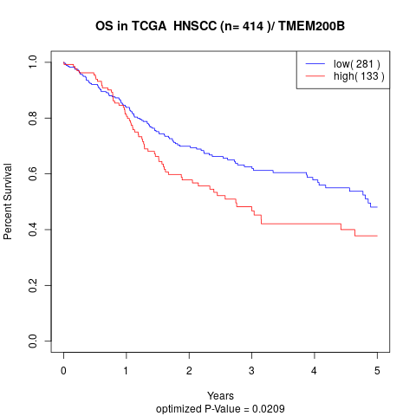

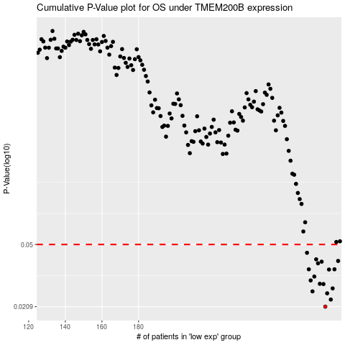

 |  |  |  |  |  | cases_OS | p_OS | rank | exp
 |  |  |  |  |  | 282 | 0.0209 | 87 | 0.23769837331
 |  |  |  |  |  | 285 | 0.0231 | 322 | 0.27365773735
 |  |  |  |  |  | 283 | 0.0252 | 308 | 0.26218694617
 |  |  |  |  |  | 275 | 0.0259 | 338 | 0.224799232
 |  |  |  |  |  | 286 | 0.027 | 92 | 0.27406164784
 |  |  |  |  |  | 281 | 0.0287 | 397 | 0.23350530257
 |  |  |  |  |  | 279 | 0.0288 | 221 | 0.23201429967
 |  |  |  |  |  | 274 | 0.0302 | 351 | 0.21987432346
 |  |  |  |  |  | 276 | 0.0319 | 77 | 0.22539110083
 |  |  |  |  |  | 284 | 0.0352 | 57 | 0.27103631831
 |  |  |  |  |  | 273 | 0.0353 | 9 | 0.21707361082
 |  |  |  |  |  | 287 | 0.0353 | 198 | 0.2818285932
 |  |  |  |  |  | 278 | 0.0384 | 301 | 0.22732800491
 |  |  |  |  |  | 280 | 0.0393 | 45 | 0.23279412685
 |  |  |  |  |  | 289 | 0.0397 | 284 | 0.29910276491
 |  |  |  |  |  | 277 | 0.0406 | 277 | 0.2258083417
 |  |  |  |  |  | 272 | 0.0445 | 233 | 0.21104494688
 |  |  |  |  |  |  | cases_RFS | p_RFS | rank | exp
 |  |  |  |  |  |  | 281 | 0.0209 | 397 | 0.23350530257
 |  |  |  |  |  |  | 284 | 0.0231 | 57 | 0.27103631831
 |  |  |  |  |  |  | 282 | 0.0252 | 87 | 0.23769837331
 |  |  |  |  |  |  | 274 | 0.0259 | 351 | 0.21987432346
 |  |  |  |  |  |  | 285 | 0.027 | 322 | 0.27365773735
 |  |  |  |  |  |  | 280 | 0.0287 | 45 | 0.23279412685
 |  |  |  |  |  |  | 278 | 0.0288 | 301 | 0.22732800491
 |  |  |  |  |  |  | 273 | 0.0302 | 9 | 0.21707361082
 |  |  |  |  |  |  | 275 | 0.0319 | 338 | 0.224799232
 |  |  |  |  |  |  | 283 | 0.0352 | 308 | 0.26218694617
 |  |  |  |  |  |  | 286 | 0.0353 | 92 | 0.27406164784
 |  |  |  |  |  |  | 272 | 0.0353 | 233 | 0.21104494688
 |  |  |  |  |  |  | 277 | 0.0384 | 277 | 0.2258083417
 |  |  |  |  |  |  | 279 | 0.0393 | 221 | 0.23201429967
 |  |  |  |  |  |  | 288 | 0.0397 | 165 | 0.28722206457
 |  |  |  |  |  |  | 276 | 0.0406 | 77 | 0.22539110083
 |  |  |  |  |  |  | 271 | 0.0445 | 232 | 0.20888342592

