TMEM200C _multivariate
Reported by Tex Li-Hsing Chi. tex@gate.sinica.edu.tw 2019-08-15

Table 2. The clinicopathological features of HNSCC cohort and TMEM200C expression. (Chi square test)
Cutoff at -0.29 (48.6%)
 |  | TMEM200C expression |  | TMEM200C expression |  | (Optimised)
 | Features | Low | (%) | High | (%) | Case no | P-value | Remark | Matthews
Gender | Female | 144 | 34.7 | 162 | 39 | 415 | 0.3213 | 0 | 0
2 | Male | 58 | 14 | 51 | 12.3
Age at diagnosis | <=65y | 133 | 32 | 141 | 34 | 415 | 1 | 0 | 0
4 | >65y | 69 | 16.6 | 72 | 17.3
Clinical T Status | T1+T2 | 69 | 16.6 | 80 | 19.3 | 415 | 0.5357 | 0 | 0
6 | T3+T4 | 133 | 32 | 133 | 32
Clinical N Status | N0 | 102 | 24.6 | 114 | 27.5 | 415 | 0.6041 | 0 | 0
8 | N1-3 | 100 | 24.1 | 99 | 23.9
Clinical M Status | M0 | 199 | 48 | 213 | 51.3 | 415 | 0.1144 | 0 | 0
10 | M1 | 3 | 0.7 | 0 | 0
Clinical Stage | Stage I+II | 49 | 11.8 | 53 | 12.8 | 415 | 0.973 | 0 | 0
12 | Stage III+IV | 153 | 36.9 | 160 | 38.6
Surgical Margin status | Negative | 153 | 36.9 | 165 | 39.8 | 415 | 0.7282 | 0 | 0
14 | Positive | 49 | 11.8 | 48 | 11.6
Tobacco Exposure | Low | 89 | 21.4 | 72 | 17.3 | 415 | 0.0347 | 1 | 0
16 | High | 113 | 27.2 | 141 | 34

Table 3. Univariate/Multivariate Cox's proportional hazards regression analyses on OS time of TMEM200C gene expression in HNSCC

 |  | Univariate |  |  |  | Multivariate
 | Features | HR | CI95%(L) | CI95%(H) | P-value | HR | CI95%(L) | CI95%(H) | P-value
1 | Female | 1 |  |  |  | 1
Gender | Male | 1.157 | 0.843 | 1.587 | 0.367 | 1.202 | 0.859 | 1.681 | 0.284
11 | <=65y | 1 |  |  |  | 1
Age at diagnosis | >65y | 1.329 | 0.99 | 1.784 | 0.058 | 1.394 | 1.026 | 1.896 | 0.034
12 | T1+T2 | 1 |  |  |  | 1
Clinical T Status | T3+T4 | 1.409 | 1.028 | 1.931 | 0.033 | 2.098 | 1.108 | 3.971 | 0.023
13 | N0 | 1 |  |  |  | 1
Clinical N Status | N1-3 | 1.185 | 0.89 | 1.577 | 0.246 | 1.225 | 0.858 | 1.749 | 0.263
14 | M0 | 1 |  |  |  | 1
Clinical M Status | M1 | 4.097 | 1.009 | 16.644 | 0.049 | 7.873 | 1.702 | 36.416 | 0.008
15 | Stage I+II | 1 |  |  |  | 1
Clinical Stage | Stage III+IV | 1.245 | 0.882 | 1.759 | 0.213 | 0.528 | 0.246 | 1.134 | 0.102
16 | Negative | 1 |  |  |  | 1
Surgical Margin status | Positive | 1.591 | 1.155 | 2.191 | 0.004 | 1.683 | 1.218 | 2.325 | 0.002
17 | Low | 1 |  |  |  | 1
Tobacco Exposure | High | 1.364 | 1.008 | 1.844 | 0.044 | 1.488 | 1.077 | 2.056 | 0.016
18 | Low | 1 |  |  |  | 1
RNAseq(z-score) | High | 0.741 | 0.556 | 0.988 | 0.041 | 0.75 | 0.561 | 1.004 | 0.053

Table 4. Univariate/Multivariate Cox's proportional hazards regression analyses on RFS time of TMEM200C gene expression in HNSCC

 |  | Univariate |  |  |  | Multivariate
 | Features | HR | CI95%(L) | CI95%(H) | P-value | HR | CI95%(L) | CI95%(H) | P-value
1 | Female | 1 |  |  |  | 1
Gender | Male | 1.157 | 0.843 | 1.587 | 0.367 | 1.202 | 0.859 | 1.681 | 0.284
11 | <=65y | 1 |  |  |  | 1
Age at diagnosis | >65y | 1.329 | 0.99 | 1.784 | 0.058 | 1.394 | 1.026 | 1.896 | 0.034
12 | T1+T2 | 1 |  |  |  | 1
Clinical T Status | T3+T4 | 1.409 | 1.028 | 1.931 | 0.033 | 2.098 | 1.108 | 3.971 | 0.023
13 | N0 | 1 |  |  |  | 1
Clinical N Status | N1-3 | 1.185 | 0.89 | 1.577 | 0.246 | 1.225 | 0.858 | 1.749 | 0.263
14 | M0 | 1 |  |  |  | 1
Clinical M Status | M1 | 4.097 | 1.009 | 16.644 | 0.049 | 7.873 | 1.702 | 36.416 | 0.008
15 | Stage I+II | 1 |  |  |  | 1
Clinical Stage | Stage III+IV | 1.245 | 0.882 | 1.759 | 0.213 | 0.528 | 0.246 | 1.134 | 0.102
16 | Negative | 1 |  |  |  | 1
Surgical Margin status | Positive | 1.591 | 1.155 | 2.191 | 0.004 | 1.683 | 1.218 | 2.325 | 0.002
17 | Low | 1 |  |  |  | 1
Tobacco Exposure | High | 1.364 | 1.008 | 1.844 | 0.044 | 1.488 | 1.077 | 2.056 | 0.016
18 | Low | 1 |  |  |  | 1
RNAseq(z-score) | High | 0.741 | 0.556 | 0.988 | 0.041 | 0.75 | 0.561 | 1.004 | 0.053

Kaplan-Meier survival estimate: Cutoff at -0.29 (48.6%)



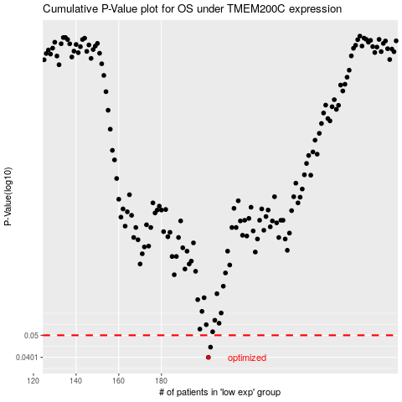

 |  |  |  |  |  | cases_OS | p_OS | rank | exp
 |  |  |  |  |  | 202 | 0.0401 | 147 | -0.29020152951
 |  |  |  |  |  | 203 | 0.0444 | 162 | -0.28837283365
 |  |  |  |  |  |  | cases_RFS | p_RFS | rank | exp
 |  |  |  |  |  |  | 201 | 0.0401 | 239 | -0.29046630208
 |  |  |  |  |  |  | 202 | 0.0444 | 147 | -0.29020152951

