TMEM201 _multivariate
Reported by Tex Li-Hsing Chi. tex@gate.sinica.edu.tw 2019-08-15

Table 2. The clinicopathological features of HNSCC cohort and TMEM201 expression. (Chi square test)
Cutoff at -0.577 (30.4%)
 |  | TMEM201 expression |  | TMEM201 expression |  | (Optimised)
 | Features | Low | (%) | High | (%) | Case no | P-value | Remark | Matthews
Gender | Female | 81 | 19.5 | 225 | 54.2 | 415 | 0.0033 | 1 | 0
2 | Male | 46 | 11.1 | 63 | 15.2
Age at diagnosis | <=65y | 80 | 19.3 | 194 | 46.7 | 415 | 0.4511 | 0 | 0
4 | >65y | 47 | 11.3 | 94 | 22.7
Clinical T Status | T1+T2 | 54 | 13 | 95 | 22.9 | 415 | 0.0793 | 0 | 0
6 | T3+T4 | 73 | 17.6 | 193 | 46.5
Clinical N Status | N0 | 74 | 17.8 | 142 | 34.2 | 415 | 0.1147 | 0 | 0
8 | N1-3 | 53 | 12.8 | 146 | 35.2
Clinical M Status | M0 | 126 | 30.4 | 286 | 68.9 | 415 | 1 | 0 | 0
10 | M1 | 1 | 0.2 | 2 | 0.5
Clinical Stage | Stage I+II | 43 | 10.4 | 59 | 14.2 | 415 | 0.0052 | 1 | 0
12 | Stage III+IV | 84 | 20.2 | 229 | 55.2
Surgical Margin status | Negative | 100 | 24.1 | 218 | 52.5 | 415 | 0.5314 | 0 | 0
14 | Positive | 27 | 6.5 | 70 | 16.9
Tobacco Exposure | Low | 61 | 14.7 | 100 | 24.1 | 415 | 0.012 | 1 | 0
16 | High | 66 | 15.9 | 188 | 45.3

Table 3. Univariate/Multivariate Cox's proportional hazards regression analyses on OS time of TMEM201 gene expression in HNSCC

 |  | Univariate |  |  |  | Multivariate
 | Features | HR | CI95%(L) | CI95%(H) | P-value | HR | CI95%(L) | CI95%(H) | P-value
1 | Female | 1 |  |  |  | 1
Gender | Male | 1.157 | 0.843 | 1.587 | 0.367 | 1.278 | 0.909 | 1.796 | 0.158
11 | <=65y | 1 |  |  |  | 1
Age at diagnosis | >65y | 1.329 | 0.99 | 1.784 | 0.058 | 1.379 | 1.014 | 1.875 | 0.04
12 | T1+T2 | 1 |  |  |  | 1
Clinical T Status | T3+T4 | 1.409 | 1.028 | 1.931 | 0.033 | 2.261 | 1.196 | 4.275 | 0.012
13 | N0 | 1 |  |  |  | 1
Clinical N Status | N1-3 | 1.185 | 0.89 | 1.577 | 0.246 | 1.222 | 0.856 | 1.746 | 0.27
14 | M0 | 1 |  |  |  | 1
Clinical M Status | M1 | 4.097 | 1.009 | 16.644 | 0.049 | 10.373 | 2.256 | 47.685 | 0.003
15 | Stage I+II | 1 |  |  |  | 1
Clinical Stage | Stage III+IV | 1.245 | 0.882 | 1.759 | 0.213 | 0.471 | 0.219 | 1.013 | 0.054
16 | Negative | 1 |  |  |  | 1
Surgical Margin status | Positive | 1.591 | 1.155 | 2.191 | 0.004 | 1.67 | 1.209 | 2.308 | 0.002
17 | Low | 1 |  |  |  | 1
Tobacco Exposure | High | 1.364 | 1.008 | 1.844 | 0.044 | 1.396 | 1.011 | 1.929 | 0.043
18 | Low | 1 |  |  |  | 1
RNAseq(z-score) | High | 1.48 | 1.061 | 2.066 | 0.021 | 1.473 | 1.043 | 2.082 | 0.028

Table 4. Univariate/Multivariate Cox's proportional hazards regression analyses on RFS time of TMEM201 gene expression in HNSCC

 |  | Univariate |  |  |  | Multivariate
 | Features | HR | CI95%(L) | CI95%(H) | P-value | HR | CI95%(L) | CI95%(H) | P-value
1 | Female | 1 |  |  |  | 1
Gender | Male | 1.157 | 0.843 | 1.587 | 0.367 | 1.278 | 0.909 | 1.796 | 0.158
11 | <=65y | 1 |  |  |  | 1
Age at diagnosis | >65y | 1.329 | 0.99 | 1.784 | 0.058 | 1.379 | 1.014 | 1.875 | 0.04
12 | T1+T2 | 1 |  |  |  | 1
Clinical T Status | T3+T4 | 1.409 | 1.028 | 1.931 | 0.033 | 2.261 | 1.196 | 4.275 | 0.012
13 | N0 | 1 |  |  |  | 1
Clinical N Status | N1-3 | 1.185 | 0.89 | 1.577 | 0.246 | 1.222 | 0.856 | 1.746 | 0.27
14 | M0 | 1 |  |  |  | 1
Clinical M Status | M1 | 4.097 | 1.009 | 16.644 | 0.049 | 10.373 | 2.256 | 47.685 | 0.003
15 | Stage I+II | 1 |  |  |  | 1
Clinical Stage | Stage III+IV | 1.245 | 0.882 | 1.759 | 0.213 | 0.471 | 0.219 | 1.013 | 0.054
16 | Negative | 1 |  |  |  | 1
Surgical Margin status | Positive | 1.591 | 1.155 | 2.191 | 0.004 | 1.67 | 1.209 | 2.308 | 0.002
17 | Low | 1 |  |  |  | 1
Tobacco Exposure | High | 1.364 | 1.008 | 1.844 | 0.044 | 1.396 | 1.011 | 1.929 | 0.043
18 | Low | 1 |  |  |  | 1
RNAseq(z-score) | High | 1.48 | 1.061 | 2.066 | 0.021 | 1.473 | 1.043 | 2.082 | 0.028

Kaplan-Meier survival estimate: Cutoff at -0.577 (30.4%)

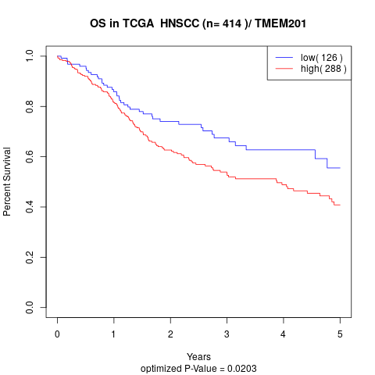

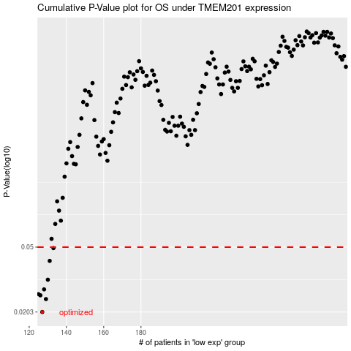

 |  |  |  |  |  | cases_OS | p_OS | rank | exp
 |  |  |  |  |  | 127 | 0.0203 | 54 | -0.57680187773
 |  |  |  |  |  | 129 | 0.0243 | 143 | -0.57032245658
 |  |  |  |  |  | 126 | 0.0256 | 402 | -0.58812729737
 |  |  |  |  |  | 125 | 0.026 | 154 | -0.59001205005
 |  |  |  |  |  | 128 | 0.0278 | 367 | -0.57100705284
 |  |  |  |  |  | 130 | 0.0318 | 404 | -0.57016543093
 |  |  |  |  |  | 131 | 0.0413 | 66 | -0.56568152559
 |  |  |  |  |  | 133 | 0.0493 | 115 | -0.54609379862
 |  |  |  |  |  |  | cases_RFS | p_RFS | rank | exp
 |  |  |  |  |  |  | 126 | 0.0203 | 402 | -0.58812729737
 |  |  |  |  |  |  | 128 | 0.0243 | 367 | -0.57100705284
 |  |  |  |  |  |  | 125 | 0.0256 | 154 | -0.59001205005
 |  |  |  |  |  |  |  | 0.026 | 149 | -0.59295505776
 |  |  |  |  |  |  | 127 | 0.0278 | 54 | -0.57680187773
 |  |  |  |  |  |  | 129 | 0.0318 | 143 | -0.57032245658
 |  |  |  |  |  |  | 130 | 0.0413 | 404 | -0.57016543093
 |  |  |  |  |  |  | 132 | 0.0493 | 294 | -0.55826795749

