TMEM203 _multivariate
Reported by Tex Li-Hsing Chi. tex@gate.sinica.edu.tw 2019-08-15

Table 2. The clinicopathological features of HNSCC cohort and TMEM203 expression. (Chi square test)
Cutoff at -0.102 (52.7%)
 |  | TMEM203 expression |  | TMEM203 expression |  | (Optimised)
 | Features | Low | (%) | High | (%) | Case no | P-value | Remark | Matthews
Gender | Female | 156 | 37.6 | 150 | 36.1 | 415 | 0.3433 | 0 | 0
2 | Male | 62 | 14.9 | 47 | 11.3
Age at diagnosis | <=65y | 140 | 33.7 | 134 | 32.3 | 415 | 0.4762 | 0 | 0
4 | >65y | 78 | 18.8 | 63 | 15.2
Clinical T Status | T1+T2 | 79 | 19 | 70 | 16.9 | 415 | 0.9624 | 0 | 0
6 | T3+T4 | 139 | 33.5 | 127 | 30.6
Clinical N Status | N0 | 118 | 28.4 | 98 | 23.6 | 415 | 0.4272 | 0 | 0
8 | N1-3 | 100 | 24.1 | 99 | 23.9
Clinical M Status | M0 | 218 | 52.5 | 194 | 46.7 | 415 | 0.1061 | 0 | 0
10 | M1 | 0 | 0 | 3 | 0.7
Clinical Stage | Stage I+II | 54 | 13 | 48 | 11.6 | 415 | 1 | 0 | 0
12 | Stage III+IV | 164 | 39.5 | 149 | 35.9
Surgical Margin status | Negative | 169 | 40.7 | 149 | 35.9 | 415 | 0.7277 | 0 | 0
14 | Positive | 49 | 11.8 | 48 | 11.6
Tobacco Exposure | Low | 91 | 21.9 | 70 | 16.9 | 415 | 0.2261 | 0 | 0
16 | High | 127 | 30.6 | 127 | 30.6

Table 3. Univariate/Multivariate Cox's proportional hazards regression analyses on OS time of TMEM203 gene expression in HNSCC

 |  | Univariate |  |  |  | Multivariate
 | Features | HR | CI95%(L) | CI95%(H) | P-value | HR | CI95%(L) | CI95%(H) | P-value
1 | Female | 1 |  |  |  | 1
Gender | Male | 1.157 | 0.843 | 1.587 | 0.367 | 1.197 | 0.856 | 1.673 | 0.293
11 | <=65y | 1 |  |  |  | 1
Age at diagnosis | >65y | 1.329 | 0.99 | 1.784 | 0.058 | 1.377 | 1.012 | 1.873 | 0.041
12 | T1+T2 | 1 |  |  |  | 1
Clinical T Status | T3+T4 | 1.409 | 1.028 | 1.931 | 0.033 | 2.202 | 1.164 | 4.166 | 0.015
13 | N0 | 1 |  |  |  | 1
Clinical N Status | N1-3 | 1.185 | 0.89 | 1.577 | 0.246 | 1.213 | 0.849 | 1.733 | 0.289
14 | M0 | 1 |  |  |  | 1
Clinical M Status | M1 | 4.097 | 1.009 | 16.644 | 0.049 | 8.538 | 1.851 | 39.39 | 0.006
15 | Stage I+II | 1 |  |  |  | 1
Clinical Stage | Stage III+IV | 1.245 | 0.882 | 1.759 | 0.213 | 0.507 | 0.236 | 1.089 | 0.082
16 | Negative | 1 |  |  |  | 1
Surgical Margin status | Positive | 1.591 | 1.155 | 2.191 | 0.004 | 1.656 | 1.198 | 2.289 | 0.002
17 | Low | 1 |  |  |  | 1
Tobacco Exposure | High | 1.364 | 1.008 | 1.844 | 0.044 | 1.419 | 1.028 | 1.96 | 0.033
18 | Low | 1 |  |  |  | 1
RNAseq(z-score) | High | 1.348 | 1.011 | 1.797 | 0.042 | 1.223 | 0.912 | 1.639 | 0.178

Table 4. Univariate/Multivariate Cox's proportional hazards regression analyses on RFS time of TMEM203 gene expression in HNSCC

 |  | Univariate |  |  |  | Multivariate
 | Features | HR | CI95%(L) | CI95%(H) | P-value | HR | CI95%(L) | CI95%(H) | P-value
1 | Female | 1 |  |  |  | 1
Gender | Male | 1.157 | 0.843 | 1.587 | 0.367 | 1.197 | 0.856 | 1.673 | 0.293
11 | <=65y | 1 |  |  |  | 1
Age at diagnosis | >65y | 1.329 | 0.99 | 1.784 | 0.058 | 1.377 | 1.012 | 1.873 | 0.041
12 | T1+T2 | 1 |  |  |  | 1
Clinical T Status | T3+T4 | 1.409 | 1.028 | 1.931 | 0.033 | 2.202 | 1.164 | 4.166 | 0.015
13 | N0 | 1 |  |  |  | 1
Clinical N Status | N1-3 | 1.185 | 0.89 | 1.577 | 0.246 | 1.213 | 0.849 | 1.733 | 0.289
14 | M0 | 1 |  |  |  | 1
Clinical M Status | M1 | 4.097 | 1.009 | 16.644 | 0.049 | 8.538 | 1.851 | 39.39 | 0.006
15 | Stage I+II | 1 |  |  |  | 1
Clinical Stage | Stage III+IV | 1.245 | 0.882 | 1.759 | 0.213 | 0.507 | 0.236 | 1.089 | 0.082
16 | Negative | 1 |  |  |  | 1
Surgical Margin status | Positive | 1.591 | 1.155 | 2.191 | 0.004 | 1.656 | 1.198 | 2.289 | 0.002
17 | Low | 1 |  |  |  | 1
Tobacco Exposure | High | 1.364 | 1.008 | 1.844 | 0.044 | 1.419 | 1.028 | 1.96 | 0.033
18 | Low | 1 |  |  |  | 1
RNAseq(z-score) | High | 1.348 | 1.011 | 1.797 | 0.042 | 1.223 | 0.912 | 1.639 | 0.178

Kaplan-Meier survival estimate: Cutoff at -0.102 (52.7%)



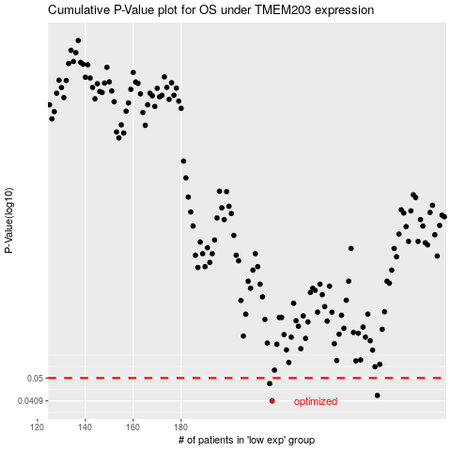

 |  |  |  |  |  | cases_OS | p_OS | rank | exp
 |  |  |  |  |  | 218 | 0.0409 | 52 | -0.10230160765
 |  |  |  |  |  | 262 | 0.0429 | 23 | 0.075265801375
 |  |  |  |  |  | 217 | 0.0476 | 102 | -0.10391698597
 |  |  |  |  |  |  | cases_RFS | p_RFS | rank | exp
 |  |  |  |  |  |  | 217 | 0.0409 | 102 | -0.10391698597
 |  |  |  |  |  |  | 261 | 0.0429 | 189 | 0.064617883731
 |  |  |  |  |  |  | 216 | 0.0476 | 188 | -0.12676910885

