TMEM208 _multivariate
Reported by Tex Li-Hsing Chi. tex@gate.sinica.edu.tw 2019-08-15

Table 2. The clinicopathological features of HNSCC cohort and TMEM208 expression. (Chi square test)
Cutoff at -0.447 (30.7%)
 |  | TMEM208 expression |  | TMEM208 expression |  | (Optimised)
 | Features | Low | (%) | High | (%) | Case no | P-value | Remark | Matthews
Gender | Female | 95 | 22.9 | 211 | 50.8 | 415 | 0.8357 | 0 | 0
2 | Male | 32 | 7.7 | 77 | 18.6
Age at diagnosis | <=65y | 86 | 20.7 | 188 | 45.3 | 415 | 0.7107 | 0 | 0
4 | >65y | 41 | 9.9 | 100 | 24.1
Clinical T Status | T1+T2 | 51 | 12.3 | 98 | 23.6 | 415 | 0.2764 | 0 | 0
6 | T3+T4 | 76 | 18.3 | 190 | 45.8
Clinical N Status | N0 | 67 | 16.1 | 149 | 35.9 | 415 | 0.9322 | 0 | 0
8 | N1-3 | 60 | 14.5 | 139 | 33.5
Clinical M Status | M0 | 127 | 30.6 | 285 | 68.7 | 415 | 0.5562 | 0 | 0
10 | M1 | 0 | 0 | 3 | 0.7
Clinical Stage | Stage I+II | 33 | 8 | 69 | 16.6 | 415 | 0.7505 | 0 | 0
12 | Stage III+IV | 94 | 22.7 | 219 | 52.8
Surgical Margin status | Negative | 99 | 23.9 | 219 | 52.8 | 415 | 0.7074 | 0 | 0
14 | Positive | 28 | 6.7 | 69 | 16.6
Tobacco Exposure | Low | 51 | 12.3 | 110 | 26.5 | 415 | 0.7434 | 0 | 0
16 | High | 76 | 18.3 | 178 | 42.9

Table 3. Univariate/Multivariate Cox's proportional hazards regression analyses on OS time of TMEM208 gene expression in HNSCC

 |  | Univariate |  |  |  | Multivariate
 | Features | HR | CI95%(L) | CI95%(H) | P-value | HR | CI95%(L) | CI95%(H) | P-value
1 | Female | 1 |  |  |  | 1
Gender | Male | 1.157 | 0.843 | 1.587 | 0.367 | 1.189 | 0.849 | 1.665 | 0.313
11 | <=65y | 1 |  |  |  | 1
Age at diagnosis | >65y | 1.329 | 0.99 | 1.784 | 0.058 | 1.396 | 1.027 | 1.897 | 0.033
12 | T1+T2 | 1 |  |  |  | 1
Clinical T Status | T3+T4 | 1.409 | 1.028 | 1.931 | 0.033 | 2.076 | 1.096 | 3.933 | 0.025
13 | N0 | 1 |  |  |  | 1
Clinical N Status | N1-3 | 1.185 | 0.89 | 1.577 | 0.246 | 1.21 | 0.847 | 1.728 | 0.295
14 | M0 | 1 |  |  |  | 1
Clinical M Status | M1 | 4.097 | 1.009 | 16.644 | 0.049 | 8.006 | 1.739 | 36.854 | 0.008
15 | Stage I+II | 1 |  |  |  | 1
Clinical Stage | Stage III+IV | 1.245 | 0.882 | 1.759 | 0.213 | 0.553 | 0.257 | 1.192 | 0.131
16 | Negative | 1 |  |  |  | 1
Surgical Margin status | Positive | 1.591 | 1.155 | 2.191 | 0.004 | 1.64 | 1.187 | 2.265 | 0.003
17 | Low | 1 |  |  |  | 1
Tobacco Exposure | High | 1.364 | 1.008 | 1.844 | 0.044 | 1.431 | 1.038 | 1.973 | 0.029
18 | Low | 1 |  |  |  | 1
RNAseq(z-score) | High | 1.607 | 1.154 | 2.239 | 0.005 | 1.498 | 1.073 | 2.093 | 0.018

Table 4. Univariate/Multivariate Cox's proportional hazards regression analyses on RFS time of TMEM208 gene expression in HNSCC

 |  | Univariate |  |  |  | Multivariate
 | Features | HR | CI95%(L) | CI95%(H) | P-value | HR | CI95%(L) | CI95%(H) | P-value
1 | Female | 1 |  |  |  | 1
Gender | Male | 1.157 | 0.843 | 1.587 | 0.367 | 1.189 | 0.849 | 1.665 | 0.313
11 | <=65y | 1 |  |  |  | 1
Age at diagnosis | >65y | 1.329 | 0.99 | 1.784 | 0.058 | 1.396 | 1.027 | 1.897 | 0.033
12 | T1+T2 | 1 |  |  |  | 1
Clinical T Status | T3+T4 | 1.409 | 1.028 | 1.931 | 0.033 | 2.076 | 1.096 | 3.933 | 0.025
13 | N0 | 1 |  |  |  | 1
Clinical N Status | N1-3 | 1.185 | 0.89 | 1.577 | 0.246 | 1.21 | 0.847 | 1.728 | 0.295
14 | M0 | 1 |  |  |  | 1
Clinical M Status | M1 | 4.097 | 1.009 | 16.644 | 0.049 | 8.006 | 1.739 | 36.854 | 0.008
15 | Stage I+II | 1 |  |  |  | 1
Clinical Stage | Stage III+IV | 1.245 | 0.882 | 1.759 | 0.213 | 0.553 | 0.257 | 1.192 | 0.131
16 | Negative | 1 |  |  |  | 1
Surgical Margin status | Positive | 1.591 | 1.155 | 2.191 | 0.004 | 1.64 | 1.187 | 2.265 | 0.003
17 | Low | 1 |  |  |  | 1
Tobacco Exposure | High | 1.364 | 1.008 | 1.844 | 0.044 | 1.431 | 1.038 | 1.973 | 0.029
18 | Low | 1 |  |  |  | 1
RNAseq(z-score) | High | 1.607 | 1.154 | 2.239 | 0.005 | 1.498 | 1.073 | 2.093 | 0.018

Kaplan-Meier survival estimate: Cutoff at -0.447 (30.7%)

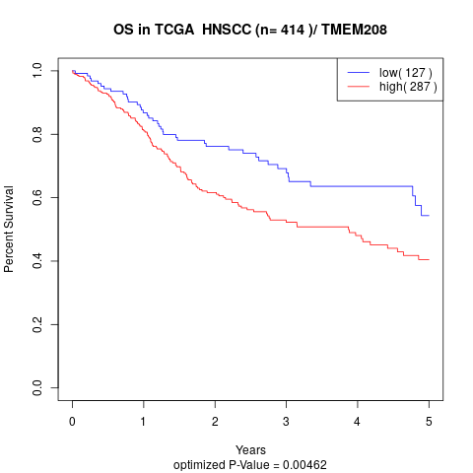

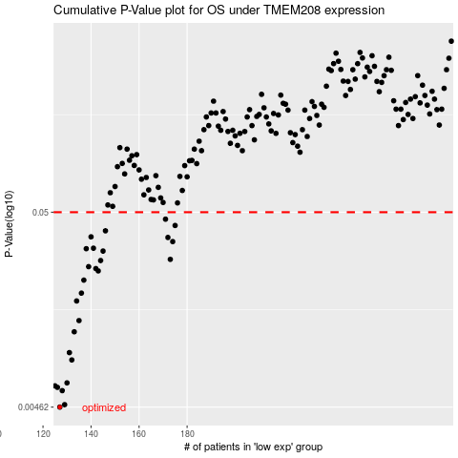

 |  |  |  |  |  | cases_OS | p_OS | rank | exp
 |  |  |  |  |  | 127 | 0.00462 | 55 | -0.44678040821
 |  |  |  |  |  | 129 | 0.00476 | 76 | -0.43686157879
 |  |  |  |  |  | 128 | 0.00565 | 103 | -0.44127292246
 |  |  |  |  |  | 126 | 0.00588 | 174 | -0.44809899175
 |  |  |  |  |  | 125 | 0.00599 | 345 | -0.44989726617
 |  |  |  |  |  | 130 | 0.00621 | 69 | -0.43651411699
 |  |  |  |  |  | 132 | 0.00822 | 302 | -0.42393031531
 |  |  |  |  |  | 131 | 0.00899 | 46 | -0.4282901679
 |  |  |  |  |  | 133 | 0.0116 | 61 | -0.42188591353
 |  |  |  |  |  | 135 | 0.0133 | 227 | -0.4138901729
 |  |  |  |  |  | 134 | 0.0169 | 402 | -0.42134669895
 |  |  |  |  |  | 136 | 0.0186 | 366 | -0.41170200803
 |  |  |  |  |  | 137 | 0.0218 | 274 | -0.40531464273
 |  |  |  |  |  | 143 | 0.0244 | 211 | -0.39266328475
 |  |  |  |  |  | 142 | 0.0251 | 173 | -0.39275432097
 |  |  |  |  |  | 139 | 0.0257 | 257 | -0.40074676617
 |  |  |  |  |  | 144 | 0.0277 | 256 | -0.390364723
 |  |  |  |  |  | 173 | 0.0281 | 74 | -0.30597146329
 |  |  |  |  |  | 145 | 0.0311 | 236 | -0.38496021941
 |  |  |  |  |  | 138 | 0.032 | 150 | -0.40075212124
 |  |  |  |  |  | 141 | 0.0322 | 301 | -0.39498965167
 |  |  |  |  |  | 174 | 0.0349 | 338 | -0.29955855842
 |  |  |  |  |  | 172 | 0.0367 | 122 | -0.30775490829
 |  |  |  |  |  | 140 | 0.037 | 11 | -0.39578323217
 |  |  |  |  |  | 146 | 0.0398 | 64 | -0.37947003466
 |  |  |  |  |  | 175 | 0.0425 | 138 | -0.28685303182
 |  |  |  |  |  | 171 | 0.0459 | 75 | -0.31567403019
 |  |  |  |  |  |  | cases_RFS | p_RFS | rank | exp
 |  |  |  |  |  |  | 126 | 0.00462 | 174 | -0.44809899175
 |  |  |  |  |  |  | 128 | 0.00476 | 103 | -0.44127292246
 |  |  |  |  |  |  | 127 | 0.00565 | 55 | -0.44678040821
 |  |  |  |  |  |  | 125 | 0.00588 | 345 | -0.44989726617
 |  |  |  |  |  |  |  | 0.00599 | 279 | -0.45177339511
 |  |  |  |  |  |  | 129 | 0.00621 | 76 | -0.43686157879
 |  |  |  |  |  |  | 131 | 0.00822 | 46 | -0.4282901679
 |  |  |  |  |  |  | 130 | 0.00899 | 69 | -0.43651411699
 |  |  |  |  |  |  | 132 | 0.0116 | 302 | -0.42393031531
 |  |  |  |  |  |  | 134 | 0.0133 | 402 | -0.42134669895
 |  |  |  |  |  |  | 133 | 0.0169 | 61 | -0.42188591353
 |  |  |  |  |  |  | 135 | 0.0186 | 227 | -0.4138901729
 |  |  |  |  |  |  | 136 | 0.0218 | 366 | -0.41170200803
 |  |  |  |  |  |  | 142 | 0.0244 | 173 | -0.39275432097
 |  |  |  |  |  |  | 141 | 0.0251 | 301 | -0.39498965167
 |  |  |  |  |  |  | 138 | 0.0257 | 150 | -0.40075212124
 |  |  |  |  |  |  | 143 | 0.0277 | 211 | -0.39266328475
 |  |  |  |  |  |  | 172 | 0.0281 | 122 | -0.30775490829
 |  |  |  |  |  |  | 144 | 0.0311 | 256 | -0.390364723
 |  |  |  |  |  |  | 137 | 0.032 | 274 | -0.40531464273
 |  |  |  |  |  |  | 140 | 0.0322 | 11 | -0.39578323217
 |  |  |  |  |  |  | 173 | 0.0349 | 74 | -0.30597146329
 |  |  |  |  |  |  | 171 | 0.0367 | 75 | -0.31567403019
 |  |  |  |  |  |  | 139 | 0.037 | 257 | -0.40074676617
 |  |  |  |  |  |  | 145 | 0.0398 | 236 | -0.38496021941
 |  |  |  |  |  |  | 174 | 0.0425 | 338 | -0.29955855842
 |  |  |  |  |  |  | 170 | 0.0459 | 128 | -0.31769330432

