TMEM218 _multivariate
Reported by Tex Li-Hsing Chi. tex@gate.sinica.edu.tw 2019-08-15

Table 2. The clinicopathological features of HNSCC cohort and TMEM218 expression. (Chi square test)
Cutoff at -0.234 (49.8%)
 |  | TMEM218 expression |  | TMEM218 expression |  | (Optimised)
 | Features | Low | (%) | High | (%) | Case no | P-value | Remark | Matthews
Gender | Female | 159 | 38.3 | 147 | 35.4 | 415 | 0.1905 | 0 | 0
2 | Male | 48 | 11.6 | 61 | 14.7
Age at diagnosis | <=65y | 138 | 33.3 | 136 | 32.8 | 415 | 0.8634 | 0 | 0
4 | >65y | 69 | 16.6 | 72 | 17.3
Clinical T Status | T1+T2 | 74 | 17.8 | 75 | 18.1 | 415 | 1 | 0 | 0
6 | T3+T4 | 133 | 32 | 133 | 32
Clinical N Status | N0 | 90 | 21.7 | 126 | 30.4 | 415 | 7e-04 | 1 | 0
8 | N1-3 | 117 | 28.2 | 82 | 19.8
Clinical M Status | M0 | 205 | 49.4 | 207 | 49.9 | 415 | 0.6232 | 0 | 0
10 | M1 | 2 | 0.5 | 1 | 0.2
Clinical Stage | Stage I+II | 48 | 11.6 | 54 | 13 | 415 | 0.5878 | 0 | 0
12 | Stage III+IV | 159 | 38.3 | 154 | 37.1
Surgical Margin status | Negative | 166 | 40 | 152 | 36.6 | 415 | 0.1042 | 0 | 0
14 | Positive | 41 | 9.9 | 56 | 13.5
Tobacco Exposure | Low | 73 | 17.6 | 88 | 21.2 | 415 | 0.1587 | 0 | 0
16 | High | 134 | 32.3 | 120 | 28.9

Table 3. Univariate/Multivariate Cox's proportional hazards regression analyses on OS time of TMEM218 gene expression in HNSCC

 |  | Univariate |  |  |  | Multivariate
 | Features | HR | CI95%(L) | CI95%(H) | P-value | HR | CI95%(L) | CI95%(H) | P-value
1 | Female | 1 |  |  |  | 1
Gender | Male | 1.157 | 0.843 | 1.587 | 0.367 | 1.2 | 0.857 | 1.678 | 0.288
11 | <=65y | 1 |  |  |  | 1
Age at diagnosis | >65y | 1.329 | 0.99 | 1.784 | 0.058 | 1.393 | 1.024 | 1.893 | 0.035
12 | T1+T2 | 1 |  |  |  | 1
Clinical T Status | T3+T4 | 1.409 | 1.028 | 1.931 | 0.033 | 2.207 | 1.166 | 4.178 | 0.015
13 | N0 | 1 |  |  |  | 1
Clinical N Status | N1-3 | 1.185 | 0.89 | 1.577 | 0.246 | 1.246 | 0.866 | 1.792 | 0.236
14 | M0 | 1 |  |  |  | 1
Clinical M Status | M1 | 4.097 | 1.009 | 16.644 | 0.049 | 9.417 | 2.054 | 43.173 | 0.004
15 | Stage I+II | 1 |  |  |  | 1
Clinical Stage | Stage III+IV | 1.245 | 0.882 | 1.759 | 0.213 | 0.503 | 0.233 | 1.082 | 0.079
16 | Negative | 1 |  |  |  | 1
Surgical Margin status | Positive | 1.591 | 1.155 | 2.191 | 0.004 | 1.666 | 1.2 | 2.314 | 0.002
17 | Low | 1 |  |  |  | 1
Tobacco Exposure | High | 1.364 | 1.008 | 1.844 | 0.044 | 1.454 | 1.055 | 2.005 | 0.022
18 | Low | 1 |  |  |  | 1
RNAseq(z-score) | High | 1.021 | 0.766 | 1.362 | 0.887 | 1.016 | 0.752 | 1.373 | 0.916

Table 4. Univariate/Multivariate Cox's proportional hazards regression analyses on RFS time of TMEM218 gene expression in HNSCC

 |  | Univariate |  |  |  | Multivariate
 | Features | HR | CI95%(L) | CI95%(H) | P-value | HR | CI95%(L) | CI95%(H) | P-value
1 | Female | 1 |  |  |  | 1
Gender | Male | 1.157 | 0.843 | 1.587 | 0.367 | 1.2 | 0.857 | 1.678 | 0.288
11 | <=65y | 1 |  |  |  | 1
Age at diagnosis | >65y | 1.329 | 0.99 | 1.784 | 0.058 | 1.393 | 1.024 | 1.893 | 0.035
12 | T1+T2 | 1 |  |  |  | 1
Clinical T Status | T3+T4 | 1.409 | 1.028 | 1.931 | 0.033 | 2.207 | 1.166 | 4.178 | 0.015
13 | N0 | 1 |  |  |  | 1
Clinical N Status | N1-3 | 1.185 | 0.89 | 1.577 | 0.246 | 1.246 | 0.866 | 1.792 | 0.236
14 | M0 | 1 |  |  |  | 1
Clinical M Status | M1 | 4.097 | 1.009 | 16.644 | 0.049 | 9.417 | 2.054 | 43.173 | 0.004
15 | Stage I+II | 1 |  |  |  | 1
Clinical Stage | Stage III+IV | 1.245 | 0.882 | 1.759 | 0.213 | 0.503 | 0.233 | 1.082 | 0.079
16 | Negative | 1 |  |  |  | 1
Surgical Margin status | Positive | 1.591 | 1.155 | 2.191 | 0.004 | 1.666 | 1.2 | 2.314 | 0.002
17 | Low | 1 |  |  |  | 1
Tobacco Exposure | High | 1.364 | 1.008 | 1.844 | 0.044 | 1.454 | 1.055 | 2.005 | 0.022
18 | Low | 1 |  |  |  | 1
RNAseq(z-score) | High | 1.021 | 0.766 | 1.362 | 0.887 | 1.016 | 0.752 | 1.373 | 0.916

Kaplan-Meier survival estimate: Cutoff at -0.234 (49.8%)

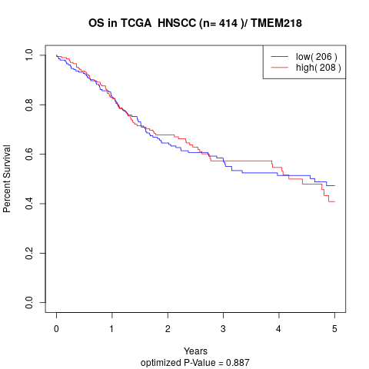

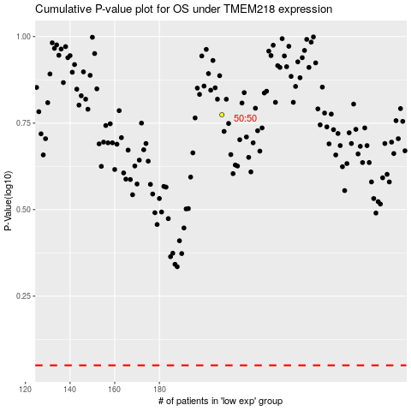

 |  |  |  |  |  | cases_OS | p_OS | rank | exp
 |  |  |  |  |  |  | cases_RFS | p_RFS | rank | exp

