TMEM219 _multivariate
Reported by Tex Li-Hsing Chi. tex@gate.sinica.edu.tw 2019-08-15

Table 2. The clinicopathological features of HNSCC cohort and TMEM219 expression. (Chi square test)
Cutoff at -0.281 (54.3%)
 |  | TMEM219 expression |  | TMEM219 expression |  | (Optimised)
 | Features | Low | (%) | High | (%) | Case no | P-value | Remark | Matthews
Gender | Female | 165 | 39.8 | 141 | 34 | 415 | 0.7983 | 0 | 0
2 | Male | 61 | 14.7 | 48 | 11.6
Age at diagnosis | <=65y | 151 | 36.4 | 123 | 29.6 | 415 | 0.7891 | 0 | 0
4 | >65y | 75 | 18.1 | 66 | 15.9
Clinical T Status | T1+T2 | 81 | 19.5 | 68 | 16.4 | 415 | 1 | 0 | 0
6 | T3+T4 | 145 | 34.9 | 121 | 29.2
Clinical N Status | N0 | 120 | 28.9 | 96 | 23.1 | 415 | 0.712 | 0 | 0
8 | N1-3 | 106 | 25.5 | 93 | 22.4
Clinical M Status | M0 | 226 | 54.5 | 186 | 44.8 | 415 | 0.0936 | 0 | 0
10 | M1 | 0 | 0 | 3 | 0.7
Clinical Stage | Stage I+II | 53 | 12.8 | 49 | 11.8 | 415 | 0.6393 | 0 | 0
12 | Stage III+IV | 173 | 41.7 | 140 | 33.7
Surgical Margin status | Negative | 180 | 43.4 | 138 | 33.3 | 415 | 0.1301 | 0 | 0
14 | Positive | 46 | 11.1 | 51 | 12.3
Tobacco Exposure | Low | 84 | 20.2 | 77 | 18.6 | 415 | 0.4799 | 0 | 0
16 | High | 142 | 34.2 | 112 | 27

Table 3. Univariate/Multivariate Cox's proportional hazards regression analyses on OS time of TMEM219 gene expression in HNSCC

 |  | Univariate |  |  |  | Multivariate
 | Features | HR | CI95%(L) | CI95%(H) | P-value | HR | CI95%(L) | CI95%(H) | P-value
1 | Female | 1 |  |  |  | 1
Gender | Male | 1.157 | 0.843 | 1.587 | 0.367 | 1.191 | 0.852 | 1.664 | 0.307
11 | <=65y | 1 |  |  |  | 1
Age at diagnosis | >65y | 1.329 | 0.99 | 1.784 | 0.058 | 1.407 | 1.035 | 1.912 | 0.029
12 | T1+T2 | 1 |  |  |  | 1
Clinical T Status | T3+T4 | 1.409 | 1.028 | 1.931 | 0.033 | 2.115 | 1.117 | 4.004 | 0.021
13 | N0 | 1 |  |  |  | 1
Clinical N Status | N1-3 | 1.185 | 0.89 | 1.577 | 0.246 | 1.214 | 0.851 | 1.731 | 0.285
14 | M0 | 1 |  |  |  | 1
Clinical M Status | M1 | 4.097 | 1.009 | 16.644 | 0.049 | 7.647 | 1.652 | 35.393 | 0.009
15 | Stage I+II | 1 |  |  |  | 1
Clinical Stage | Stage III+IV | 1.245 | 0.882 | 1.759 | 0.213 | 0.537 | 0.25 | 1.154 | 0.111
16 | Negative | 1 |  |  |  | 1
Surgical Margin status | Positive | 1.591 | 1.155 | 2.191 | 0.004 | 1.617 | 1.169 | 2.237 | 0.004
17 | Low | 1 |  |  |  | 1
Tobacco Exposure | High | 1.364 | 1.008 | 1.844 | 0.044 | 1.451 | 1.053 | 2.001 | 0.023
18 | Low | 1 |  |  |  | 1
RNAseq(z-score) | High | 1.489 | 1.117 | 1.986 | 0.007 | 1.401 | 1.046 | 1.876 | 0.024

Table 4. Univariate/Multivariate Cox's proportional hazards regression analyses on RFS time of TMEM219 gene expression in HNSCC

 |  | Univariate |  |  |  | Multivariate
 | Features | HR | CI95%(L) | CI95%(H) | P-value | HR | CI95%(L) | CI95%(H) | P-value
1 | Female | 1 |  |  |  | 1
Gender | Male | 1.157 | 0.843 | 1.587 | 0.367 | 1.191 | 0.852 | 1.664 | 0.307
11 | <=65y | 1 |  |  |  | 1
Age at diagnosis | >65y | 1.329 | 0.99 | 1.784 | 0.058 | 1.407 | 1.035 | 1.912 | 0.029
12 | T1+T2 | 1 |  |  |  | 1
Clinical T Status | T3+T4 | 1.409 | 1.028 | 1.931 | 0.033 | 2.115 | 1.117 | 4.004 | 0.021
13 | N0 | 1 |  |  |  | 1
Clinical N Status | N1-3 | 1.185 | 0.89 | 1.577 | 0.246 | 1.214 | 0.851 | 1.731 | 0.285
14 | M0 | 1 |  |  |  | 1
Clinical M Status | M1 | 4.097 | 1.009 | 16.644 | 0.049 | 7.647 | 1.652 | 35.393 | 0.009
15 | Stage I+II | 1 |  |  |  | 1
Clinical Stage | Stage III+IV | 1.245 | 0.882 | 1.759 | 0.213 | 0.537 | 0.25 | 1.154 | 0.111
16 | Negative | 1 |  |  |  | 1
Surgical Margin status | Positive | 1.591 | 1.155 | 2.191 | 0.004 | 1.617 | 1.169 | 2.237 | 0.004
17 | Low | 1 |  |  |  | 1
Tobacco Exposure | High | 1.364 | 1.008 | 1.844 | 0.044 | 1.451 | 1.053 | 2.001 | 0.023
18 | Low | 1 |  |  |  | 1
RNAseq(z-score) | High | 1.489 | 1.117 | 1.986 | 0.007 | 1.401 | 1.046 | 1.876 | 0.024

Kaplan-Meier survival estimate: Cutoff at -0.281 (54.3%)

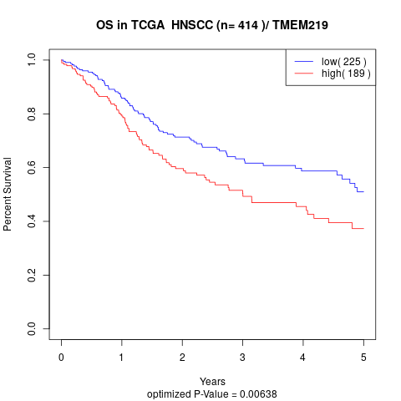

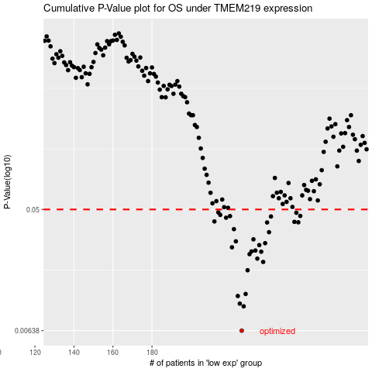

 |  |  |  |  |  | cases_OS | p_OS | rank | exp
 |  |  |  |  |  | 226 | 0.00638 | 239 | -0.28074793073
 |  |  |  |  |  | 227 | 0.00965 | 209 | -0.28063479042
 |  |  |  |  |  | 225 | 0.0101 | 131 | -0.28121894225
 |  |  |  |  |  | 224 | 0.0115 | 24 | -0.28174222947
 |  |  |  |  |  | 228 | 0.0119 | 398 | -0.27779705738
 |  |  |  |  |  | 229 | 0.0178 | 163 | -0.27763248965
 |  |  |  |  |  | 237 | 0.0205 | 67 | -0.25754833388
 |  |  |  |  |  | 234 | 0.0217 | 375 | -0.26502216899
 |  |  |  |  |  | 230 | 0.0234 | 218 | -0.27583687754
 |  |  |  |  |  | 236 | 0.0244 | 102 | -0.26123085501
 |  |  |  |  |  | 231 | 0.0245 | 4 | -0.27415175485
 |  |  |  |  |  | 233 | 0.0249 | 309 | -0.27111668898
 |  |  |  |  |  | 221 | 0.0263 | 68 | -0.28914661106
 |  |  |  |  |  | 235 | 0.0273 | 147 | -0.26409785396
 |  |  |  |  |  | 238 | 0.0282 | 115 | -0.25508914904
 |  |  |  |  |  | 223 | 0.0291 | 245 | -0.2852449137
 |  |  |  |  |  | 232 | 0.0301 | 157 | -0.27214163209
 |  |  |  |  |  | 240 | 0.034 | 385 | -0.25053490668
 |  |  |  |  |  | 222 | 0.0358 | 174 | -0.28553205895
 |  |  |  |  |  | 239 | 0.0401 | 37 | -0.25369042935
 |  |  |  |  |  | 255 | 0.0402 | 401 | -0.19293291299
 |  |  |  |  |  | 253 | 0.0405 | 273 | -0.20049984763
 |  |  |  |  |  | 212 | 0.0408 | 297 | -0.30484172843
 |  |  |  |  |  | 218 | 0.0435 | 118 | -0.29392766423
 |  |  |  |  |  | 241 | 0.0444 | 274 | -0.23679191043
 |  |  |  |  |  | 220 | 0.0447 | 175 | -0.29037259826
 |  |  |  |  |  | 256 | 0.0448 | 370 | -0.19011649317
 |  |  |  |  |  | 215 | 0.0456 | 23 | -0.29893033245
 |  |  |  |  |  | 254 | 0.0473 | 33 | -0.19495533591
 |  |  |  |  |  | 214 | 0.0476 | 27 | -0.30119282067
 |  |  |  |  |  |  | cases_RFS | p_RFS | rank | exp
 |  |  |  |  |  |  | 225 | 0.00638 | 131 | -0.28121894225
 |  |  |  |  |  |  | 226 | 0.00965 | 239 | -0.28074793073
 |  |  |  |  |  |  | 224 | 0.0101 | 24 | -0.28174222947
 |  |  |  |  |  |  | 223 | 0.0115 | 245 | -0.2852449137
 |  |  |  |  |  |  | 227 | 0.0119 | 209 | -0.28063479042
 |  |  |  |  |  |  | 228 | 0.0178 | 398 | -0.27779705738
 |  |  |  |  |  |  | 236 | 0.0205 | 102 | -0.26123085501
 |  |  |  |  |  |  | 233 | 0.0217 | 309 | -0.27111668898
 |  |  |  |  |  |  | 229 | 0.0234 | 163 | -0.27763248965
 |  |  |  |  |  |  | 235 | 0.0244 | 147 | -0.26409785396
 |  |  |  |  |  |  | 230 | 0.0245 | 218 | -0.27583687754
 |  |  |  |  |  |  | 232 | 0.0249 | 157 | -0.27214163209
 |  |  |  |  |  |  | 220 | 0.0263 | 175 | -0.29037259826
 |  |  |  |  |  |  | 234 | 0.0273 | 375 | -0.26502216899
 |  |  |  |  |  |  | 237 | 0.0282 | 67 | -0.25754833388
 |  |  |  |  |  |  | 222 | 0.0291 | 174 | -0.28553205895
 |  |  |  |  |  |  | 231 | 0.0301 | 4 | -0.27415175485
 |  |  |  |  |  |  | 239 | 0.034 | 37 | -0.25369042935
 |  |  |  |  |  |  | 221 | 0.0358 | 68 | -0.28914661106
 |  |  |  |  |  |  | 238 | 0.0401 | 115 | -0.25508914904
 |  |  |  |  |  |  | 254 | 0.0402 | 33 | -0.19495533591
 |  |  |  |  |  |  | 252 | 0.0405 | 49 | -0.20257571265
 |  |  |  |  |  |  | 211 | 0.0408 | 32 | -0.30613483635
 |  |  |  |  |  |  | 217 | 0.0435 | 158 | -0.29609164509
 |  |  |  |  |  |  | 240 | 0.0444 | 385 | -0.25053490668
 |  |  |  |  |  |  | 219 | 0.0447 | 382 | -0.29259479284
 |  |  |  |  |  |  | 255 | 0.0448 | 401 | -0.19293291299
 |  |  |  |  |  |  | 214 | 0.0456 | 27 | -0.30119282067
 |  |  |  |  |  |  | 253 | 0.0473 | 273 | -0.20049984763
 |  |  |  |  |  |  | 213 | 0.0476 | 89 | -0.30127065103

