TMEM22 _multivariate
Reported by Tex Li-Hsing Chi. tex@gate.sinica.edu.tw 2019-08-15

Table 2. The clinicopathological features of HNSCC cohort and TMEM22 expression. (Chi square test)
Cutoff at -0.327 (49.8%)
 |  | TMEM22 expression |  | TMEM22 expression |  | (Optimised)
 | Features | Low | (%) | High | (%) | Case no | P-value | Remark | Matthews
Gender | Female | 142 | 34.2 | 164 | 39.5 | 415 | 0.0238 | 1 | 0
2 | Male | 65 | 15.7 | 44 | 10.6
Age at diagnosis | <=65y | 126 | 30.4 | 148 | 35.7 | 415 | 0.035 | 1 | 0
4 | >65y | 81 | 19.5 | 60 | 14.5
Clinical T Status | T1+T2 | 77 | 18.6 | 72 | 17.3 | 415 | 0.6556 | 0 | 0
6 | T3+T4 | 130 | 31.3 | 136 | 32.8
Clinical N Status | N0 | 118 | 28.4 | 98 | 23.6 | 415 | 0.0551 | 1 | 0
8 | N1-3 | 89 | 21.4 | 110 | 26.5
Clinical M Status | M0 | 204 | 49.2 | 208 | 50.1 | 415 | 0.1232 | 0 | 0
10 | M1 | 3 | 0.7 | 0 | 0
Clinical Stage | Stage I+II | 60 | 14.5 | 42 | 10.1 | 415 | 0.0493 | 1 | 0
12 | Stage III+IV | 147 | 35.4 | 166 | 40
Surgical Margin status | Negative | 159 | 38.3 | 159 | 38.3 | 415 | 1 | 0 | 0
14 | Positive | 48 | 11.6 | 49 | 11.8
Tobacco Exposure | Low | 96 | 23.1 | 65 | 15.7 | 415 | 0.0018 | 1 | 0
16 | High | 111 | 26.7 | 143 | 34.5

Table 3. Univariate/Multivariate Cox's proportional hazards regression analyses on OS time of TMEM22 gene expression in HNSCC

 |  | Univariate |  |  |  | Multivariate
 | Features | HR | CI95%(L) | CI95%(H) | P-value | HR | CI95%(L) | CI95%(H) | P-value
1 | Female | 1 |  |  |  | 1
Gender | Male | 1.157 | 0.843 | 1.587 | 0.367 | 1.188 | 0.848 | 1.665 | 0.316
11 | <=65y | 1 |  |  |  | 1
Age at diagnosis | >65y | 1.329 | 0.99 | 1.784 | 0.058 | 1.396 | 1.027 | 1.898 | 0.033
12 | T1+T2 | 1 |  |  |  | 1
Clinical T Status | T3+T4 | 1.409 | 1.028 | 1.931 | 0.033 | 2.176 | 1.149 | 4.122 | 0.017
13 | N0 | 1 |  |  |  | 1
Clinical N Status | N1-3 | 1.185 | 0.89 | 1.577 | 0.246 | 1.249 | 0.874 | 1.783 | 0.222
14 | M0 | 1 |  |  |  | 1
Clinical M Status | M1 | 4.097 | 1.009 | 16.644 | 0.049 | 8.899 | 1.912 | 41.415 | 0.005
15 | Stage I+II | 1 |  |  |  | 1
Clinical Stage | Stage III+IV | 1.245 | 0.882 | 1.759 | 0.213 | 0.512 | 0.238 | 1.102 | 0.087
16 | Negative | 1 |  |  |  | 1
Surgical Margin status | Positive | 1.591 | 1.155 | 2.191 | 0.004 | 1.661 | 1.201 | 2.297 | 0.002
17 | Low | 1 |  |  |  | 1
Tobacco Exposure | High | 1.364 | 1.008 | 1.844 | 0.044 | 1.466 | 1.062 | 2.024 | 0.02
18 | Low | 1 |  |  |  | 1
RNAseq(z-score) | High | 0.893 | 0.67 | 1.19 | 0.44 | 0.927 | 0.688 | 1.25 | 0.619

Table 4. Univariate/Multivariate Cox's proportional hazards regression analyses on RFS time of TMEM22 gene expression in HNSCC

 |  | Univariate |  |  |  | Multivariate
 | Features | HR | CI95%(L) | CI95%(H) | P-value | HR | CI95%(L) | CI95%(H) | P-value
1 | Female | 1 |  |  |  | 1
Gender | Male | 1.157 | 0.843 | 1.587 | 0.367 | 1.188 | 0.848 | 1.665 | 0.316
11 | <=65y | 1 |  |  |  | 1
Age at diagnosis | >65y | 1.329 | 0.99 | 1.784 | 0.058 | 1.396 | 1.027 | 1.898 | 0.033
12 | T1+T2 | 1 |  |  |  | 1
Clinical T Status | T3+T4 | 1.409 | 1.028 | 1.931 | 0.033 | 2.176 | 1.149 | 4.122 | 0.017
13 | N0 | 1 |  |  |  | 1
Clinical N Status | N1-3 | 1.185 | 0.89 | 1.577 | 0.246 | 1.249 | 0.874 | 1.783 | 0.222
14 | M0 | 1 |  |  |  | 1
Clinical M Status | M1 | 4.097 | 1.009 | 16.644 | 0.049 | 8.899 | 1.912 | 41.415 | 0.005
15 | Stage I+II | 1 |  |  |  | 1
Clinical Stage | Stage III+IV | 1.245 | 0.882 | 1.759 | 0.213 | 0.512 | 0.238 | 1.102 | 0.087
16 | Negative | 1 |  |  |  | 1
Surgical Margin status | Positive | 1.591 | 1.155 | 2.191 | 0.004 | 1.661 | 1.201 | 2.297 | 0.002
17 | Low | 1 |  |  |  | 1
Tobacco Exposure | High | 1.364 | 1.008 | 1.844 | 0.044 | 1.466 | 1.062 | 2.024 | 0.02
18 | Low | 1 |  |  |  | 1
RNAseq(z-score) | High | 0.893 | 0.67 | 1.19 | 0.44 | 0.927 | 0.688 | 1.25 | 0.619

Kaplan-Meier survival estimate: Cutoff at -0.327 (49.8%)



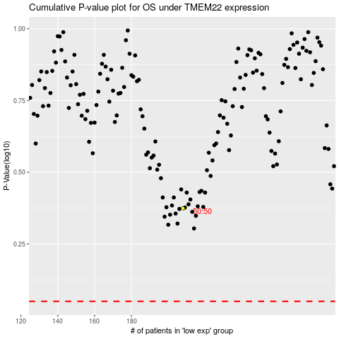

 |  |  |  |  |  | cases_OS | p_OS | rank | exp
 |  |  |  |  |  |  | cases_RFS | p_RFS | rank | exp

