TMEM222 _multivariate
Reported by Tex Li-Hsing Chi. tex@gate.sinica.edu.tw 2019-08-15

Table 2. The clinicopathological features of HNSCC cohort and TMEM222 expression. (Chi square test)
Cutoff at -0.163 (50.0%)
 |  | TMEM222 expression |  | TMEM222 expression |  | (Optimised)
 | Features | Low | (%) | High | (%) | Case no | P-value | Remark | Matthews
Gender | Female | 162 | 39 | 144 | 34.7 | 415 | 0.0479 | 1 | 0
2 | Male | 45 | 10.8 | 64 | 15.4
Age at diagnosis | <=65y | 137 | 33 | 137 | 33 | 415 | 1 | 0 | 0
4 | >65y | 70 | 16.9 | 71 | 17.1
Clinical T Status | T1+T2 | 71 | 17.1 | 78 | 18.8 | 415 | 0.5638 | 0 | 0
6 | T3+T4 | 136 | 32.8 | 130 | 31.3
Clinical N Status | N0 | 112 | 27 | 104 | 25.1 | 415 | 0.4599 | 0 | 0
8 | N1-3 | 95 | 22.9 | 104 | 25.1
Clinical M Status | M0 | 207 | 49.9 | 205 | 49.4 | 415 | 0.2482 | 0 | 0
10 | M1 | 0 | 0 | 3 | 0.7
Clinical Stage | Stage I+II | 49 | 11.8 | 53 | 12.8 | 415 | 0.7535 | 0 | 0
12 | Stage III+IV | 158 | 38.1 | 155 | 37.3
Surgical Margin status | Negative | 155 | 37.3 | 163 | 39.3 | 415 | 0.4187 | 0 | 0
14 | Positive | 52 | 12.5 | 45 | 10.8
Tobacco Exposure | Low | 76 | 18.3 | 85 | 20.5 | 415 | 0.4207 | 0 | 0
16 | High | 131 | 31.6 | 123 | 29.6

Table 3. Univariate/Multivariate Cox's proportional hazards regression analyses on OS time of TMEM222 gene expression in HNSCC

 |  | Univariate |  |  |  | Multivariate
 | Features | HR | CI95%(L) | CI95%(H) | P-value | HR | CI95%(L) | CI95%(H) | P-value
1 | Female | 1 |  |  |  | 1
Gender | Male | 1.157 | 0.843 | 1.587 | 0.367 | 1.208 | 0.863 | 1.691 | 0.272
11 | <=65y | 1 |  |  |  | 1
Age at diagnosis | >65y | 1.329 | 0.99 | 1.784 | 0.058 | 1.391 | 1.023 | 1.891 | 0.035
12 | T1+T2 | 1 |  |  |  | 1
Clinical T Status | T3+T4 | 1.409 | 1.028 | 1.931 | 0.033 | 2.204 | 1.166 | 4.167 | 0.015
13 | N0 | 1 |  |  |  | 1
Clinical N Status | N1-3 | 1.185 | 0.89 | 1.577 | 0.246 | 1.244 | 0.871 | 1.777 | 0.229
14 | M0 | 1 |  |  |  | 1
Clinical M Status | M1 | 4.097 | 1.009 | 16.644 | 0.049 | 9.606 | 2.078 | 44.409 | 0.004
15 | Stage I+II | 1 |  |  |  | 1
Clinical Stage | Stage III+IV | 1.245 | 0.882 | 1.759 | 0.213 | 0.502 | 0.234 | 1.079 | 0.077
16 | Negative | 1 |  |  |  | 1
Surgical Margin status | Positive | 1.591 | 1.155 | 2.191 | 0.004 | 1.668 | 1.207 | 2.306 | 0.002
17 | Low | 1 |  |  |  | 1
Tobacco Exposure | High | 1.364 | 1.008 | 1.844 | 0.044 | 1.452 | 1.054 | 2.001 | 0.023
18 | Low | 1 |  |  |  | 1
RNAseq(z-score) | High | 0.97 | 0.727 | 1.295 | 0.838 | 0.962 | 0.717 | 1.291 | 0.799

Table 4. Univariate/Multivariate Cox's proportional hazards regression analyses on RFS time of TMEM222 gene expression in HNSCC

 |  | Univariate |  |  |  | Multivariate
 | Features | HR | CI95%(L) | CI95%(H) | P-value | HR | CI95%(L) | CI95%(H) | P-value
1 | Female | 1 |  |  |  | 1
Gender | Male | 1.157 | 0.843 | 1.587 | 0.367 | 1.208 | 0.863 | 1.691 | 0.272
11 | <=65y | 1 |  |  |  | 1
Age at diagnosis | >65y | 1.329 | 0.99 | 1.784 | 0.058 | 1.391 | 1.023 | 1.891 | 0.035
12 | T1+T2 | 1 |  |  |  | 1
Clinical T Status | T3+T4 | 1.409 | 1.028 | 1.931 | 0.033 | 2.204 | 1.166 | 4.167 | 0.015
13 | N0 | 1 |  |  |  | 1
Clinical N Status | N1-3 | 1.185 | 0.89 | 1.577 | 0.246 | 1.244 | 0.871 | 1.777 | 0.229
14 | M0 | 1 |  |  |  | 1
Clinical M Status | M1 | 4.097 | 1.009 | 16.644 | 0.049 | 9.606 | 2.078 | 44.409 | 0.004
15 | Stage I+II | 1 |  |  |  | 1
Clinical Stage | Stage III+IV | 1.245 | 0.882 | 1.759 | 0.213 | 0.502 | 0.234 | 1.079 | 0.077
16 | Negative | 1 |  |  |  | 1
Surgical Margin status | Positive | 1.591 | 1.155 | 2.191 | 0.004 | 1.668 | 1.207 | 2.306 | 0.002
17 | Low | 1 |  |  |  | 1
Tobacco Exposure | High | 1.364 | 1.008 | 1.844 | 0.044 | 1.452 | 1.054 | 2.001 | 0.023
18 | Low | 1 |  |  |  | 1
RNAseq(z-score) | High | 0.97 | 0.727 | 1.295 | 0.838 | 0.962 | 0.717 | 1.291 | 0.799

Kaplan-Meier survival estimate: Cutoff at -0.163 (50.0%)



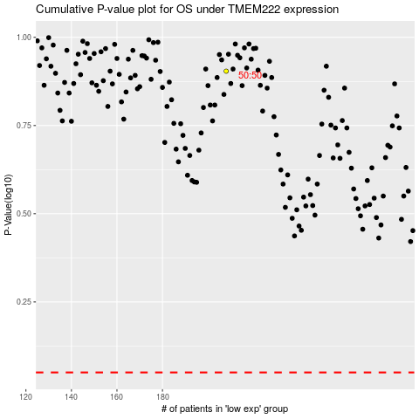

 |  |  |  |  |  | cases_OS | p_OS | rank | exp
 |  |  |  |  |  |  | cases_RFS | p_RFS | rank | exp

