TMEM229B _multivariate
Reported by Tex Li-Hsing Chi. tex@gate.sinica.edu.tw 2019-08-15

Table 2. The clinicopathological features of HNSCC cohort and TMEM229B expression. (Chi square test)
Cutoff at -0.276 (49.8%)
 |  | TMEM229B expression |  | TMEM229B expression |  | (Optimised)
 | Features | Low | (%) | High | (%) | Case no | P-value | Remark | Matthews
Gender | Female | 157 | 37.8 | 149 | 35.9 | 415 | 0.3881 | 0 | 0
2 | Male | 50 | 12 | 59 | 14.2
Age at diagnosis | <=65y | 139 | 33.5 | 135 | 32.5 | 415 | 0.7044 | 0 | 0
4 | >65y | 68 | 16.4 | 73 | 17.6
Clinical T Status | T1+T2 | 57 | 13.7 | 92 | 22.2 | 415 | 6e-04 | 1 | 0
6 | T3+T4 | 150 | 36.1 | 116 | 28
Clinical N Status | N0 | 114 | 27.5 | 102 | 24.6 | 415 | 0.2576 | 1 | 0
8 | N1-3 | 93 | 22.4 | 106 | 25.5
Clinical M Status | M0 | 207 | 49.9 | 205 | 49.4 | 415 | 0.2482 | 0 | 0
10 | M1 | 0 | 0 | 3 | 0.7
Clinical Stage | Stage I+II | 43 | 10.4 | 59 | 14.2 | 415 | 0.0925 | 0 | 0
12 | Stage III+IV | 164 | 39.5 | 149 | 35.9
Surgical Margin status | Negative | 163 | 39.3 | 155 | 37.3 | 415 | 0.3537 | 0 | 0
14 | Positive | 44 | 10.6 | 53 | 12.8
Tobacco Exposure | Low | 70 | 16.9 | 91 | 21.9 | 415 | 0.0439 | 1 | 0
16 | High | 137 | 33 | 117 | 28.2

Table 3. Univariate/Multivariate Cox's proportional hazards regression analyses on OS time of TMEM229B gene expression in HNSCC

 |  | Univariate |  |  |  | Multivariate
 | Features | HR | CI95%(L) | CI95%(H) | P-value | HR | CI95%(L) | CI95%(H) | P-value
1 | Female | 1 |  |  |  | 1
Gender | Male | 1.157 | 0.843 | 1.587 | 0.367 | 1.213 | 0.868 | 1.695 | 0.257
11 | <=65y | 1 |  |  |  | 1
Age at diagnosis | >65y | 1.329 | 0.99 | 1.784 | 0.058 | 1.407 | 1.035 | 1.914 | 0.03
12 | T1+T2 | 1 |  |  |  | 1
Clinical T Status | T3+T4 | 1.409 | 1.028 | 1.931 | 0.033 | 2.133 | 1.124 | 4.05 | 0.021
13 | N0 | 1 |  |  |  | 1
Clinical N Status | N1-3 | 1.185 | 0.89 | 1.577 | 0.246 | 1.265 | 0.884 | 1.81 | 0.198
14 | M0 | 1 |  |  |  | 1
Clinical M Status | M1 | 4.097 | 1.009 | 16.644 | 0.049 | 9.789 | 2.13 | 45.001 | 0.003
15 | Stage I+II | 1 |  |  |  | 1
Clinical Stage | Stage III+IV | 1.245 | 0.882 | 1.759 | 0.213 | 0.507 | 0.236 | 1.087 | 0.081
16 | Negative | 1 |  |  |  | 1
Surgical Margin status | Positive | 1.591 | 1.155 | 2.191 | 0.004 | 1.684 | 1.218 | 2.329 | 0.002
17 | Low | 1 |  |  |  | 1
Tobacco Exposure | High | 1.364 | 1.008 | 1.844 | 0.044 | 1.432 | 1.038 | 1.975 | 0.029
18 | Low | 1 |  |  |  | 1
RNAseq(z-score) | High | 0.895 | 0.671 | 1.193 | 0.449 | 0.877 | 0.648 | 1.188 | 0.397

Table 4. Univariate/Multivariate Cox's proportional hazards regression analyses on RFS time of TMEM229B gene expression in HNSCC

 |  | Univariate |  |  |  | Multivariate
 | Features | HR | CI95%(L) | CI95%(H) | P-value | HR | CI95%(L) | CI95%(H) | P-value
1 | Female | 1 |  |  |  | 1
Gender | Male | 1.157 | 0.843 | 1.587 | 0.367 | 1.213 | 0.868 | 1.695 | 0.257
11 | <=65y | 1 |  |  |  | 1
Age at diagnosis | >65y | 1.329 | 0.99 | 1.784 | 0.058 | 1.407 | 1.035 | 1.914 | 0.03
12 | T1+T2 | 1 |  |  |  | 1
Clinical T Status | T3+T4 | 1.409 | 1.028 | 1.931 | 0.033 | 2.133 | 1.124 | 4.05 | 0.021
13 | N0 | 1 |  |  |  | 1
Clinical N Status | N1-3 | 1.185 | 0.89 | 1.577 | 0.246 | 1.265 | 0.884 | 1.81 | 0.198
14 | M0 | 1 |  |  |  | 1
Clinical M Status | M1 | 4.097 | 1.009 | 16.644 | 0.049 | 9.789 | 2.13 | 45.001 | 0.003
15 | Stage I+II | 1 |  |  |  | 1
Clinical Stage | Stage III+IV | 1.245 | 0.882 | 1.759 | 0.213 | 0.507 | 0.236 | 1.087 | 0.081
16 | Negative | 1 |  |  |  | 1
Surgical Margin status | Positive | 1.591 | 1.155 | 2.191 | 0.004 | 1.684 | 1.218 | 2.329 | 0.002
17 | Low | 1 |  |  |  | 1
Tobacco Exposure | High | 1.364 | 1.008 | 1.844 | 0.044 | 1.432 | 1.038 | 1.975 | 0.029
18 | Low | 1 |  |  |  | 1
RNAseq(z-score) | High | 0.895 | 0.671 | 1.193 | 0.449 | 0.877 | 0.648 | 1.188 | 0.397

Kaplan-Meier survival estimate: Cutoff at -0.276 (49.8%)

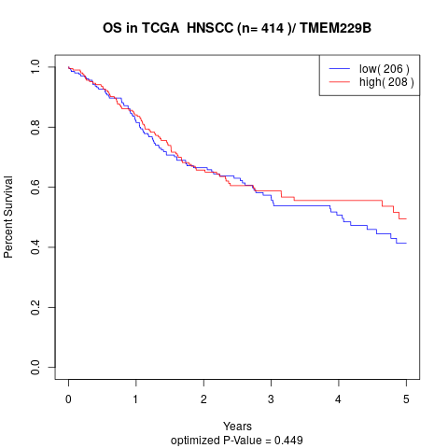

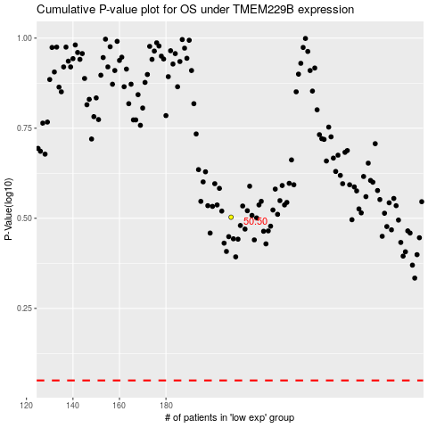

 |  |  |  |  |  | cases_OS | p_OS | rank | exp
 |  |  |  |  |  |  | cases_RFS | p_RFS | rank | exp

