TMEM233 _multivariate
Reported by Tex Li-Hsing Chi. tex@gate.sinica.edu.tw 2019-08-15

Table 2. The clinicopathological features of HNSCC cohort and TMEM233 expression. (Chi square test)
Cutoff at -0.222 (50.0%)
 |  | TMEM233 expression |  | TMEM233 expression |  | (Optimised)
 | Features | Low | (%) | High | (%) | Case no | P-value | Remark | Matthews
Gender | Female | 155 | 37.3 | 151 | 36.4 | 415 | 0.6768 | 0 | 0
2 | Male | 52 | 12.5 | 57 | 13.7
Age at diagnosis | <=65y | 129 | 31.1 | 145 | 34.9 | 415 | 0.1372 | 0 | 0
4 | >65y | 78 | 18.8 | 63 | 15.2
Clinical T Status | T1+T2 | 63 | 15.2 | 86 | 20.7 | 415 | 0.0268 | 1 | 0
6 | T3+T4 | 144 | 34.7 | 122 | 29.4
Clinical N Status | N0 | 113 | 27.2 | 103 | 24.8 | 415 | 0.3495 | 1 | 0
8 | N1-3 | 94 | 22.7 | 105 | 25.3
Clinical M Status | M0 | 204 | 49.2 | 208 | 50.1 | 415 | 0.1232 | 0 | 0
10 | M1 | 3 | 0.7 | 0 | 0
Clinical Stage | Stage I+II | 44 | 10.6 | 58 | 14 | 415 | 0.1459 | 0 | 0
12 | Stage III+IV | 163 | 39.3 | 150 | 36.1
Surgical Margin status | Negative | 156 | 37.6 | 162 | 39 | 415 | 0.5636 | 0 | 0
14 | Positive | 51 | 12.3 | 46 | 11.1
Tobacco Exposure | Low | 79 | 19 | 82 | 19.8 | 415 | 0.8405 | 0 | 0
16 | High | 128 | 30.8 | 126 | 30.4

Table 3. Univariate/Multivariate Cox's proportional hazards regression analyses on OS time of TMEM233 gene expression in HNSCC

 |  | Univariate |  |  |  | Multivariate
 | Features | HR | CI95%(L) | CI95%(H) | P-value | HR | CI95%(L) | CI95%(H) | P-value
1 | Female | 1 |  |  |  | 1
Gender | Male | 1.157 | 0.843 | 1.587 | 0.367 | 1.183 | 0.848 | 1.651 | 0.323
11 | <=65y | 1 |  |  |  | 1
Age at diagnosis | >65y | 1.329 | 0.99 | 1.784 | 0.058 | 1.444 | 1.059 | 1.969 | 0.02
12 | T1+T2 | 1 |  |  |  | 1
Clinical T Status | T3+T4 | 1.409 | 1.028 | 1.931 | 0.033 | 2.235 | 1.181 | 4.231 | 0.013
13 | N0 | 1 |  |  |  | 1
Clinical N Status | N1-3 | 1.185 | 0.89 | 1.577 | 0.246 | 1.208 | 0.846 | 1.726 | 0.299
14 | M0 | 1 |  |  |  | 1
Clinical M Status | M1 | 4.097 | 1.009 | 16.644 | 0.049 | 10.904 | 2.353 | 50.519 | 0.002
15 | Stage I+II | 1 |  |  |  | 1
Clinical Stage | Stage III+IV | 1.245 | 0.882 | 1.759 | 0.213 | 0.519 | 0.241 | 1.118 | 0.094
16 | Negative | 1 |  |  |  | 1
Surgical Margin status | Positive | 1.591 | 1.155 | 2.191 | 0.004 | 1.684 | 1.219 | 2.327 | 0.002
17 | Low | 1 |  |  |  | 1
Tobacco Exposure | High | 1.364 | 1.008 | 1.844 | 0.044 | 1.455 | 1.057 | 2.004 | 0.022
18 | Low | 1 |  |  |  | 1
RNAseq(z-score) | High | 1.169 | 0.877 | 1.558 | 0.287 | 1.286 | 0.956 | 1.728 | 0.096

Table 4. Univariate/Multivariate Cox's proportional hazards regression analyses on RFS time of TMEM233 gene expression in HNSCC

 |  | Univariate |  |  |  | Multivariate
 | Features | HR | CI95%(L) | CI95%(H) | P-value | HR | CI95%(L) | CI95%(H) | P-value
1 | Female | 1 |  |  |  | 1
Gender | Male | 1.157 | 0.843 | 1.587 | 0.367 | 1.183 | 0.848 | 1.651 | 0.323
11 | <=65y | 1 |  |  |  | 1
Age at diagnosis | >65y | 1.329 | 0.99 | 1.784 | 0.058 | 1.444 | 1.059 | 1.969 | 0.02
12 | T1+T2 | 1 |  |  |  | 1
Clinical T Status | T3+T4 | 1.409 | 1.028 | 1.931 | 0.033 | 2.235 | 1.181 | 4.231 | 0.013
13 | N0 | 1 |  |  |  | 1
Clinical N Status | N1-3 | 1.185 | 0.89 | 1.577 | 0.246 | 1.208 | 0.846 | 1.726 | 0.299
14 | M0 | 1 |  |  |  | 1
Clinical M Status | M1 | 4.097 | 1.009 | 16.644 | 0.049 | 10.904 | 2.353 | 50.519 | 0.002
15 | Stage I+II | 1 |  |  |  | 1
Clinical Stage | Stage III+IV | 1.245 | 0.882 | 1.759 | 0.213 | 0.519 | 0.241 | 1.118 | 0.094
16 | Negative | 1 |  |  |  | 1
Surgical Margin status | Positive | 1.591 | 1.155 | 2.191 | 0.004 | 1.684 | 1.219 | 2.327 | 0.002
17 | Low | 1 |  |  |  | 1
Tobacco Exposure | High | 1.364 | 1.008 | 1.844 | 0.044 | 1.455 | 1.057 | 2.004 | 0.022
18 | Low | 1 |  |  |  | 1
RNAseq(z-score) | High | 1.169 | 0.877 | 1.558 | 0.287 | 1.286 | 0.956 | 1.728 | 0.096

Kaplan-Meier survival estimate: Cutoff at -0.222 (50.0%)



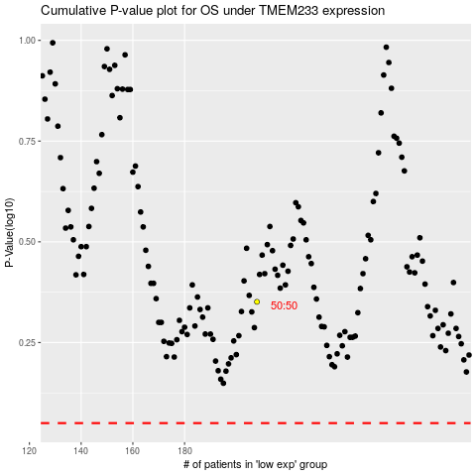

 |  |  |  |  |  | cases_OS | p_OS | rank | exp
 |  |  |  |  |  |  | cases_RFS | p_RFS | rank | exp

