TMEM25 _multivariate
Reported by Tex Li-Hsing Chi. tex@gate.sinica.edu.tw 2019-08-15

Table 2. The clinicopathological features of HNSCC cohort and TMEM25 expression. (Chi square test)
Cutoff at -0.438 (35.0%)
 |  | TMEM25 expression |  | TMEM25 expression |  | (Optimised)
 | Features | Low | (%) | High | (%) | Case no | P-value | Remark | Matthews
Gender | Female | 103 | 24.8 | 203 | 48.9 | 415 | 0.332 | 0 | 0
2 | Male | 43 | 10.4 | 66 | 15.9
Age at diagnosis | <=65y | 91 | 21.9 | 183 | 44.1 | 415 | 0.288 | 0 | 0
4 | >65y | 55 | 13.3 | 86 | 20.7
Clinical T Status | T1+T2 | 59 | 14.2 | 90 | 21.7 | 415 | 0.1926 | 0 | 0
6 | T3+T4 | 87 | 21 | 179 | 43.1
Clinical N Status | N0 | 79 | 19 | 137 | 33 | 415 | 0.6056 | 0 | 0
8 | N1-3 | 67 | 16.1 | 132 | 31.8
Clinical M Status | M0 | 143 | 34.5 | 269 | 64.8 | 415 | 0.043 | 1 | 0
10 | M1 | 3 | 0.7 | 0 | 0
Clinical Stage | Stage I+II | 43 | 10.4 | 59 | 14.2 | 415 | 0.1142 | 0 | 0
12 | Stage III+IV | 103 | 24.8 | 210 | 50.6
Surgical Margin status | Negative | 114 | 27.5 | 204 | 49.2 | 415 | 0.6293 | 0 | 0
14 | Positive | 32 | 7.7 | 65 | 15.7
Tobacco Exposure | Low | 68 | 16.4 | 93 | 22.4 | 415 | 0.0202 | 1 | 0
16 | High | 78 | 18.8 | 176 | 42.4

Table 3. Univariate/Multivariate Cox's proportional hazards regression analyses on OS time of TMEM25 gene expression in HNSCC

 |  | Univariate |  |  |  | Multivariate
 | Features | HR | CI95%(L) | CI95%(H) | P-value | HR | CI95%(L) | CI95%(H) | P-value
1 | Female | 1 |  |  |  | 1
Gender | Male | 1.157 | 0.843 | 1.587 | 0.367 | 1.226 | 0.879 | 1.711 | 0.23
11 | <=65y | 1 |  |  |  | 1
Age at diagnosis | >65y | 1.329 | 0.99 | 1.784 | 0.058 | 1.429 | 1.05 | 1.946 | 0.023
12 | T1+T2 | 1 |  |  |  | 1
Clinical T Status | T3+T4 | 1.409 | 1.028 | 1.931 | 0.033 | 2.231 | 1.178 | 4.224 | 0.014
13 | N0 | 1 |  |  |  | 1
Clinical N Status | N1-3 | 1.185 | 0.89 | 1.577 | 0.246 | 1.249 | 0.874 | 1.784 | 0.222
14 | M0 | 1 |  |  |  | 1
Clinical M Status | M1 | 4.097 | 1.009 | 16.644 | 0.049 | 12.24 | 2.613 | 57.344 | 0.001
15 | Stage I+II | 1 |  |  |  | 1
Clinical Stage | Stage III+IV | 1.245 | 0.882 | 1.759 | 0.213 | 0.476 | 0.221 | 1.023 | 0.057
16 | Negative | 1 |  |  |  | 1
Surgical Margin status | Positive | 1.591 | 1.155 | 2.191 | 0.004 | 1.654 | 1.196 | 2.286 | 0.002
17 | Low | 1 |  |  |  | 1
Tobacco Exposure | High | 1.364 | 1.008 | 1.844 | 0.044 | 1.378 | 0.999 | 1.899 | 0.051
18 | Low | 1 |  |  |  | 1
RNAseq(z-score) | High | 1.392 | 1.019 | 1.901 | 0.038 | 1.418 | 1.023 | 1.965 | 0.036

Table 4. Univariate/Multivariate Cox's proportional hazards regression analyses on RFS time of TMEM25 gene expression in HNSCC

 |  | Univariate |  |  |  | Multivariate
 | Features | HR | CI95%(L) | CI95%(H) | P-value | HR | CI95%(L) | CI95%(H) | P-value
1 | Female | 1 |  |  |  | 1
Gender | Male | 1.157 | 0.843 | 1.587 | 0.367 | 1.226 | 0.879 | 1.711 | 0.23
11 | <=65y | 1 |  |  |  | 1
Age at diagnosis | >65y | 1.329 | 0.99 | 1.784 | 0.058 | 1.429 | 1.05 | 1.946 | 0.023
12 | T1+T2 | 1 |  |  |  | 1
Clinical T Status | T3+T4 | 1.409 | 1.028 | 1.931 | 0.033 | 2.231 | 1.178 | 4.224 | 0.014
13 | N0 | 1 |  |  |  | 1
Clinical N Status | N1-3 | 1.185 | 0.89 | 1.577 | 0.246 | 1.249 | 0.874 | 1.784 | 0.222
14 | M0 | 1 |  |  |  | 1
Clinical M Status | M1 | 4.097 | 1.009 | 16.644 | 0.049 | 12.24 | 2.613 | 57.344 | 0.001
15 | Stage I+II | 1 |  |  |  | 1
Clinical Stage | Stage III+IV | 1.245 | 0.882 | 1.759 | 0.213 | 0.476 | 0.221 | 1.023 | 0.057
16 | Negative | 1 |  |  |  | 1
Surgical Margin status | Positive | 1.591 | 1.155 | 2.191 | 0.004 | 1.654 | 1.196 | 2.286 | 0.002
17 | Low | 1 |  |  |  | 1
Tobacco Exposure | High | 1.364 | 1.008 | 1.844 | 0.044 | 1.378 | 0.999 | 1.899 | 0.051
18 | Low | 1 |  |  |  | 1
RNAseq(z-score) | High | 1.392 | 1.019 | 1.901 | 0.038 | 1.418 | 1.023 | 1.965 | 0.036

Kaplan-Meier survival estimate: Cutoff at -0.438 (35.0%)

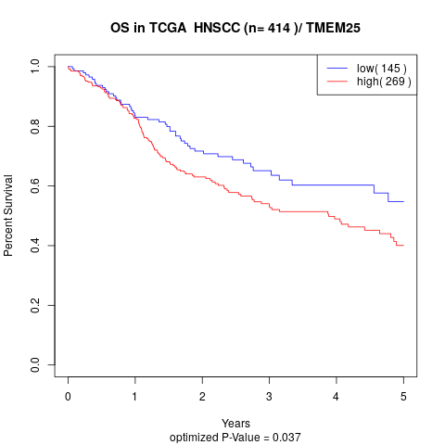

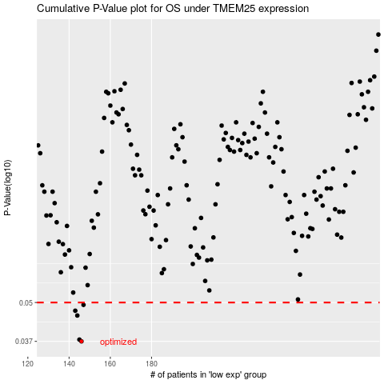

 |  |  |  |  |  | cases_OS | p_OS | rank | exp
 |  |  |  |  |  | 146 | 0.037 | 52 | -0.43831069596
 |  |  |  |  |  | 145 | 0.0375 | 154 | -0.44601269206
 |  |  |  |  |  | 144 | 0.0452 | 324 | -0.44765133485
 |  |  |  |  |  | 143 | 0.0469 | 145 | -0.45246836345
 |  |  |  |  |  | 147 | 0.0491 | 308 | -0.43522699147
 |  |  |  |  |  |  | cases_RFS | p_RFS | rank | exp
 |  |  |  |  |  |  | 145 | 0.037 | 154 | -0.44601269206
 |  |  |  |  |  |  | 144 | 0.0375 | 324 | -0.44765133485
 |  |  |  |  |  |  | 143 | 0.0452 | 145 | -0.45246836345
 |  |  |  |  |  |  | 142 | 0.0469 | 295 | -0.45766364855
 |  |  |  |  |  |  | 146 | 0.0491 | 52 | -0.43831069596

