TMEM26 _multivariate
Reported by Tex Li-Hsing Chi. tex@gate.sinica.edu.tw 2019-08-15

Table 2. The clinicopathological features of HNSCC cohort and TMEM26 expression. (Chi square test)
Cutoff at -0.238 (49.8%)
 |  | TMEM26 expression |  | TMEM26 expression |  | (Optimised)
 | Features | Low | (%) | High | (%) | Case no | P-value | Remark | Matthews
Gender | Female | 151 | 36.4 | 155 | 37.3 | 415 | 0.8007 | 0 | 0
2 | Male | 56 | 13.5 | 53 | 12.8
Age at diagnosis | <=65y | 138 | 33.3 | 136 | 32.8 | 415 | 0.8634 | 0 | 0
4 | >65y | 69 | 16.6 | 72 | 17.3
Clinical T Status | T1+T2 | 80 | 19.3 | 69 | 16.6 | 415 | 0.2891 | 0 | 0
6 | T3+T4 | 127 | 30.6 | 139 | 33.5
Clinical N Status | N0 | 118 | 28.4 | 98 | 23.6 | 415 | 0.0551 | 1 | 0
8 | N1-3 | 89 | 21.4 | 110 | 26.5
Clinical M Status | M0 | 205 | 49.4 | 207 | 49.9 | 415 | 0.6232 | 0 | 0
10 | M1 | 2 | 0.5 | 1 | 0.2
Clinical Stage | Stage I+II | 54 | 13 | 48 | 11.6 | 415 | 0.5498 | 0 | 0
12 | Stage III+IV | 153 | 36.9 | 160 | 38.6
Surgical Margin status | Negative | 154 | 37.1 | 164 | 39.5 | 415 | 0.2984 | 0 | 0
14 | Positive | 53 | 12.8 | 44 | 10.6
Tobacco Exposure | Low | 87 | 21 | 74 | 17.8 | 415 | 0.1911 | 0 | 0
16 | High | 120 | 28.9 | 134 | 32.3

Table 3. Univariate/Multivariate Cox's proportional hazards regression analyses on OS time of TMEM26 gene expression in HNSCC

 |  | Univariate |  |  |  | Multivariate
 | Features | HR | CI95%(L) | CI95%(H) | P-value | HR | CI95%(L) | CI95%(H) | P-value
1 | Female | 1 |  |  |  | 1
Gender | Male | 1.157 | 0.843 | 1.587 | 0.367 | 1.211 | 0.867 | 1.693 | 0.262
11 | <=65y | 1 |  |  |  | 1
Age at diagnosis | >65y | 1.329 | 0.99 | 1.784 | 0.058 | 1.392 | 1.024 | 1.892 | 0.035
12 | T1+T2 | 1 |  |  |  | 1
Clinical T Status | T3+T4 | 1.409 | 1.028 | 1.931 | 0.033 | 2.17 | 1.146 | 4.11 | 0.017
13 | N0 | 1 |  |  |  | 1
Clinical N Status | N1-3 | 1.185 | 0.89 | 1.577 | 0.246 | 1.224 | 0.856 | 1.751 | 0.268
14 | M0 | 1 |  |  |  | 1
Clinical M Status | M1 | 4.097 | 1.009 | 16.644 | 0.049 | 9.643 | 2.1 | 44.283 | 0.004
15 | Stage I+II | 1 |  |  |  | 1
Clinical Stage | Stage III+IV | 1.245 | 0.882 | 1.759 | 0.213 | 0.514 | 0.239 | 1.106 | 0.089
16 | Negative | 1 |  |  |  | 1
Surgical Margin status | Positive | 1.591 | 1.155 | 2.191 | 0.004 | 1.683 | 1.217 | 2.327 | 0.002
17 | Low | 1 |  |  |  | 1
Tobacco Exposure | High | 1.364 | 1.008 | 1.844 | 0.044 | 1.451 | 1.053 | 2 | 0.023
18 | Low | 1 |  |  |  | 1
RNAseq(z-score) | High | 1.08 | 0.811 | 1.439 | 0.598 | 1.099 | 0.821 | 1.471 | 0.526

Table 4. Univariate/Multivariate Cox's proportional hazards regression analyses on RFS time of TMEM26 gene expression in HNSCC

 |  | Univariate |  |  |  | Multivariate
 | Features | HR | CI95%(L) | CI95%(H) | P-value | HR | CI95%(L) | CI95%(H) | P-value
1 | Female | 1 |  |  |  | 1
Gender | Male | 1.157 | 0.843 | 1.587 | 0.367 | 1.211 | 0.867 | 1.693 | 0.262
11 | <=65y | 1 |  |  |  | 1
Age at diagnosis | >65y | 1.329 | 0.99 | 1.784 | 0.058 | 1.392 | 1.024 | 1.892 | 0.035
12 | T1+T2 | 1 |  |  |  | 1
Clinical T Status | T3+T4 | 1.409 | 1.028 | 1.931 | 0.033 | 2.17 | 1.146 | 4.11 | 0.017
13 | N0 | 1 |  |  |  | 1
Clinical N Status | N1-3 | 1.185 | 0.89 | 1.577 | 0.246 | 1.224 | 0.856 | 1.751 | 0.268
14 | M0 | 1 |  |  |  | 1
Clinical M Status | M1 | 4.097 | 1.009 | 16.644 | 0.049 | 9.643 | 2.1 | 44.283 | 0.004
15 | Stage I+II | 1 |  |  |  | 1
Clinical Stage | Stage III+IV | 1.245 | 0.882 | 1.759 | 0.213 | 0.514 | 0.239 | 1.106 | 0.089
16 | Negative | 1 |  |  |  | 1
Surgical Margin status | Positive | 1.591 | 1.155 | 2.191 | 0.004 | 1.683 | 1.217 | 2.327 | 0.002
17 | Low | 1 |  |  |  | 1
Tobacco Exposure | High | 1.364 | 1.008 | 1.844 | 0.044 | 1.451 | 1.053 | 2 | 0.023
18 | Low | 1 |  |  |  | 1
RNAseq(z-score) | High | 1.08 | 0.811 | 1.439 | 0.598 | 1.099 | 0.821 | 1.471 | 0.526

Kaplan-Meier survival estimate: Cutoff at -0.238 (49.8%)



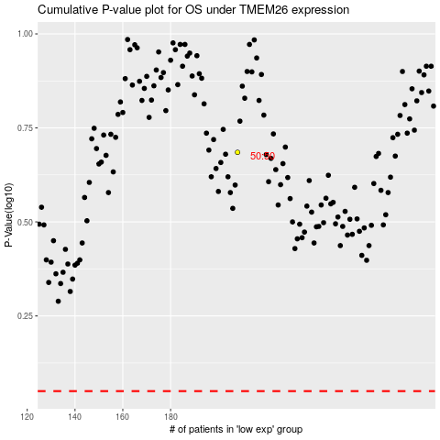

 |  |  |  |  |  | cases_OS | p_OS | rank | exp
 |  |  |  |  |  |  | cases_RFS | p_RFS | rank | exp

