TMEM30B _multivariate
Reported by Tex Li-Hsing Chi. tex@gate.sinica.edu.tw 2019-08-15

Table 2. The clinicopathological features of HNSCC cohort and TMEM30B expression. (Chi square test)
Cutoff at -0.235 (49.8%)
 |  | TMEM30B expression |  | TMEM30B expression |  | (Optimised)
 | Features | Low | (%) | High | (%) | Case no | P-value | Remark | Matthews
Gender | Female | 150 | 36.1 | 156 | 37.6 | 415 | 0.6344 | 0 | 0
2 | Male | 57 | 13.7 | 52 | 12.5
Age at diagnosis | <=65y | 134 | 32.3 | 140 | 33.7 | 415 | 0.6529 | 0 | 0
4 | >65y | 73 | 17.6 | 68 | 16.4
Clinical T Status | T1+T2 | 86 | 20.7 | 63 | 15.2 | 415 | 0.0221 | 1 | 0
6 | T3+T4 | 121 | 29.2 | 145 | 34.9
Clinical N Status | N0 | 108 | 26 | 108 | 26 | 415 | 1 | 0 | 0
8 | N1-3 | 99 | 23.9 | 100 | 24.1
Clinical M Status | M0 | 205 | 49.4 | 207 | 49.9 | 415 | 0.6232 | 0 | 0
10 | M1 | 2 | 0.5 | 1 | 0.2
Clinical Stage | Stage I+II | 60 | 14.5 | 42 | 10.1 | 415 | 0.0493 | 1 | 0
12 | Stage III+IV | 147 | 35.4 | 166 | 40
Surgical Margin status | Negative | 162 | 39 | 156 | 37.6 | 415 | 0.4867 | 0 | 0
14 | Positive | 45 | 10.8 | 52 | 12.5
Tobacco Exposure | Low | 88 | 21.2 | 73 | 17.6 | 415 | 0.1314 | 0 | 0
16 | High | 119 | 28.7 | 135 | 32.5

Table 3. Univariate/Multivariate Cox's proportional hazards regression analyses on OS time of TMEM30B gene expression in HNSCC

 |  | Univariate |  |  |  | Multivariate
 | Features | HR | CI95%(L) | CI95%(H) | P-value | HR | CI95%(L) | CI95%(H) | P-value
1 | Female | 1 |  |  |  | 1
Gender | Male | 1.157 | 0.843 | 1.587 | 0.367 | 1.201 | 0.86 | 1.677 | 0.283
11 | <=65y | 1 |  |  |  | 1
Age at diagnosis | >65y | 1.329 | 0.99 | 1.784 | 0.058 | 1.391 | 1.022 | 1.894 | 0.036
12 | T1+T2 | 1 |  |  |  | 1
Clinical T Status | T3+T4 | 1.409 | 1.028 | 1.931 | 0.033 | 2.251 | 1.19 | 4.257 | 0.013
13 | N0 | 1 |  |  |  | 1
Clinical N Status | N1-3 | 1.185 | 0.89 | 1.577 | 0.246 | 1.229 | 0.862 | 1.753 | 0.255
14 | M0 | 1 |  |  |  | 1
Clinical M Status | M1 | 4.097 | 1.009 | 16.644 | 0.049 | 8.97 | 1.954 | 41.177 | 0.005
15 | Stage I+II | 1 |  |  |  | 1
Clinical Stage | Stage III+IV | 1.245 | 0.882 | 1.759 | 0.213 | 0.518 | 0.241 | 1.111 | 0.091
16 | Negative | 1 |  |  |  | 1
Surgical Margin status | Positive | 1.591 | 1.155 | 2.191 | 0.004 | 1.687 | 1.221 | 2.33 | 0.002
17 | Low | 1 |  |  |  | 1
Tobacco Exposure | High | 1.364 | 1.008 | 1.844 | 0.044 | 1.49 | 1.079 | 2.057 | 0.016
18 | Low | 1 |  |  |  | 1
RNAseq(z-score) | High | 0.875 | 0.655 | 1.169 | 0.365 | 0.808 | 0.6 | 1.087 | 0.159

Table 4. Univariate/Multivariate Cox's proportional hazards regression analyses on RFS time of TMEM30B gene expression in HNSCC

 |  | Univariate |  |  |  | Multivariate
 | Features | HR | CI95%(L) | CI95%(H) | P-value | HR | CI95%(L) | CI95%(H) | P-value
1 | Female | 1 |  |  |  | 1
Gender | Male | 1.157 | 0.843 | 1.587 | 0.367 | 1.201 | 0.86 | 1.677 | 0.283
11 | <=65y | 1 |  |  |  | 1
Age at diagnosis | >65y | 1.329 | 0.99 | 1.784 | 0.058 | 1.391 | 1.022 | 1.894 | 0.036
12 | T1+T2 | 1 |  |  |  | 1
Clinical T Status | T3+T4 | 1.409 | 1.028 | 1.931 | 0.033 | 2.251 | 1.19 | 4.257 | 0.013
13 | N0 | 1 |  |  |  | 1
Clinical N Status | N1-3 | 1.185 | 0.89 | 1.577 | 0.246 | 1.229 | 0.862 | 1.753 | 0.255
14 | M0 | 1 |  |  |  | 1
Clinical M Status | M1 | 4.097 | 1.009 | 16.644 | 0.049 | 8.97 | 1.954 | 41.177 | 0.005
15 | Stage I+II | 1 |  |  |  | 1
Clinical Stage | Stage III+IV | 1.245 | 0.882 | 1.759 | 0.213 | 0.518 | 0.241 | 1.111 | 0.091
16 | Negative | 1 |  |  |  | 1
Surgical Margin status | Positive | 1.591 | 1.155 | 2.191 | 0.004 | 1.687 | 1.221 | 2.33 | 0.002
17 | Low | 1 |  |  |  | 1
Tobacco Exposure | High | 1.364 | 1.008 | 1.844 | 0.044 | 1.49 | 1.079 | 2.057 | 0.016
18 | Low | 1 |  |  |  | 1
RNAseq(z-score) | High | 0.875 | 0.655 | 1.169 | 0.365 | 0.808 | 0.6 | 1.087 | 0.159

Kaplan-Meier survival estimate: Cutoff at -0.235 (49.8%)



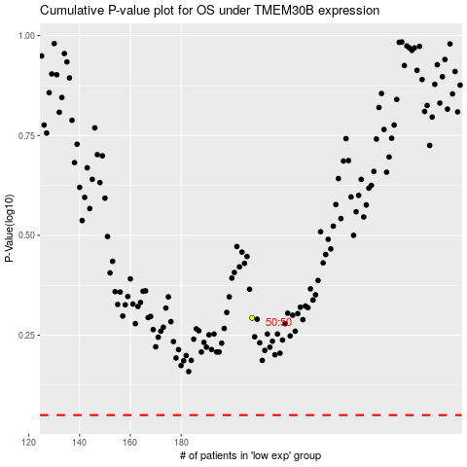

 |  |  |  |  |  | cases_OS | p_OS | rank | exp
 |  |  |  |  |  |  | cases_RFS | p_RFS | rank | exp

