TMEM37 _multivariate
Reported by Tex Li-Hsing Chi. tex@gate.sinica.edu.tw 2019-08-15

Table 2. The clinicopathological features of HNSCC cohort and TMEM37 expression. (Chi square test)
Cutoff at -0.29 (50.0%)
 |  | TMEM37 expression |  | TMEM37 expression |  | (Optimised)
 | Features | Low | (%) | High | (%) | Case no | P-value | Remark | Matthews
Gender | Female | 155 | 37.3 | 151 | 36.4 | 415 | 0.6768 | 0 | 0
2 | Male | 52 | 12.5 | 57 | 13.7
Age at diagnosis | <=65y | 143 | 34.5 | 131 | 31.6 | 415 | 0.2269 | 0 | 0
4 | >65y | 64 | 15.4 | 77 | 18.6
Clinical T Status | T1+T2 | 70 | 16.9 | 79 | 19 | 415 | 0.4343 | 0 | 0
6 | T3+T4 | 137 | 33 | 129 | 31.1
Clinical N Status | N0 | 91 | 21.9 | 125 | 30.1 | 415 | 0.0014 | 1 | 0
8 | N1-3 | 116 | 28 | 83 | 20
Clinical M Status | M0 | 206 | 49.6 | 206 | 49.6 | 415 | 1 | 0 | 0
10 | M1 | 1 | 0.2 | 2 | 0.5
Clinical Stage | Stage I+II | 44 | 10.6 | 58 | 14 | 415 | 0.1459 | 0 | 0
12 | Stage III+IV | 163 | 39.3 | 150 | 36.1
Surgical Margin status | Negative | 157 | 37.8 | 161 | 38.8 | 415 | 0.729 | 0 | 0
14 | Positive | 50 | 12 | 47 | 11.3
Tobacco Exposure | Low | 77 | 18.6 | 84 | 20.2 | 415 | 0.5459 | 0 | 0
16 | High | 130 | 31.3 | 124 | 29.9

Table 3. Univariate/Multivariate Cox's proportional hazards regression analyses on OS time of TMEM37 gene expression in HNSCC

 |  | Univariate |  |  |  | Multivariate
 | Features | HR | CI95%(L) | CI95%(H) | P-value | HR | CI95%(L) | CI95%(H) | P-value
1 | Female | 1 |  |  |  | 1
Gender | Male | 1.157 | 0.843 | 1.587 | 0.367 | 1.193 | 0.853 | 1.669 | 0.302
11 | <=65y | 1 |  |  |  | 1
Age at diagnosis | >65y | 1.329 | 0.99 | 1.784 | 0.058 | 1.4 | 1.029 | 1.904 | 0.032
12 | T1+T2 | 1 |  |  |  | 1
Clinical T Status | T3+T4 | 1.409 | 1.028 | 1.931 | 0.033 | 2.216 | 1.172 | 4.19 | 0.014
13 | N0 | 1 |  |  |  | 1
Clinical N Status | N1-3 | 1.185 | 0.89 | 1.577 | 0.246 | 1.216 | 0.849 | 1.743 | 0.286
14 | M0 | 1 |  |  |  | 1
Clinical M Status | M1 | 4.097 | 1.009 | 16.644 | 0.049 | 9.834 | 2.134 | 45.319 | 0.003
15 | Stage I+II | 1 |  |  |  | 1
Clinical Stage | Stage III+IV | 1.245 | 0.882 | 1.759 | 0.213 | 0.505 | 0.235 | 1.084 | 0.079
16 | Negative | 1 |  |  |  | 1
Surgical Margin status | Positive | 1.591 | 1.155 | 2.191 | 0.004 | 1.668 | 1.207 | 2.304 | 0.002
17 | Low | 1 |  |  |  | 1
Tobacco Exposure | High | 1.364 | 1.008 | 1.844 | 0.044 | 1.467 | 1.063 | 2.024 | 0.02
18 | Low | 1 |  |  |  | 1
RNAseq(z-score) | High | 0.918 | 0.689 | 1.222 | 0.556 | 0.901 | 0.671 | 1.21 | 0.489

Table 4. Univariate/Multivariate Cox's proportional hazards regression analyses on RFS time of TMEM37 gene expression in HNSCC

 |  | Univariate |  |  |  | Multivariate
 | Features | HR | CI95%(L) | CI95%(H) | P-value | HR | CI95%(L) | CI95%(H) | P-value
1 | Female | 1 |  |  |  | 1
Gender | Male | 1.157 | 0.843 | 1.587 | 0.367 | 1.193 | 0.853 | 1.669 | 0.302
11 | <=65y | 1 |  |  |  | 1
Age at diagnosis | >65y | 1.329 | 0.99 | 1.784 | 0.058 | 1.4 | 1.029 | 1.904 | 0.032
12 | T1+T2 | 1 |  |  |  | 1
Clinical T Status | T3+T4 | 1.409 | 1.028 | 1.931 | 0.033 | 2.216 | 1.172 | 4.19 | 0.014
13 | N0 | 1 |  |  |  | 1
Clinical N Status | N1-3 | 1.185 | 0.89 | 1.577 | 0.246 | 1.216 | 0.849 | 1.743 | 0.286
14 | M0 | 1 |  |  |  | 1
Clinical M Status | M1 | 4.097 | 1.009 | 16.644 | 0.049 | 9.834 | 2.134 | 45.319 | 0.003
15 | Stage I+II | 1 |  |  |  | 1
Clinical Stage | Stage III+IV | 1.245 | 0.882 | 1.759 | 0.213 | 0.505 | 0.235 | 1.084 | 0.079
16 | Negative | 1 |  |  |  | 1
Surgical Margin status | Positive | 1.591 | 1.155 | 2.191 | 0.004 | 1.668 | 1.207 | 2.304 | 0.002
17 | Low | 1 |  |  |  | 1
Tobacco Exposure | High | 1.364 | 1.008 | 1.844 | 0.044 | 1.467 | 1.063 | 2.024 | 0.02
18 | Low | 1 |  |  |  | 1
RNAseq(z-score) | High | 0.918 | 0.689 | 1.222 | 0.556 | 0.901 | 0.671 | 1.21 | 0.489

Kaplan-Meier survival estimate: Cutoff at -0.29 (50.0%)



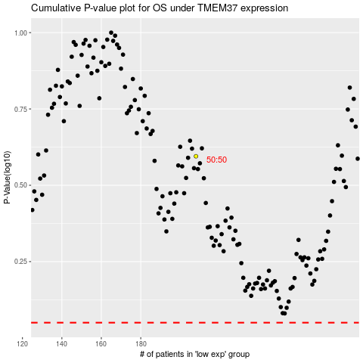

 |  |  |  |  |  | cases_OS | p_OS | rank | exp
 |  |  |  |  |  |  | cases_RFS | p_RFS | rank | exp

