TMEM38B _multivariate
Reported by Tex Li-Hsing Chi. tex@gate.sinica.edu.tw 2019-08-15

Table 2. The clinicopathological features of HNSCC cohort and TMEM38B expression. (Chi square test)
Cutoff at -0.191 (50.0%)
 |  | TMEM38B expression |  | TMEM38B expression |  | (Optimised)
 | Features | Low | (%) | High | (%) | Case no | P-value | Remark | Matthews
Gender | Female | 143 | 34.5 | 163 | 39.3 | 415 | 0.0416 | 1 | 0
2 | Male | 64 | 15.4 | 45 | 10.8
Age at diagnosis | <=65y | 133 | 32 | 141 | 34 | 415 | 0.5111 | 0 | 0
4 | >65y | 74 | 17.8 | 67 | 16.1
Clinical T Status | T1+T2 | 73 | 17.6 | 76 | 18.3 | 415 | 0.8666 | 0 | 0
6 | T3+T4 | 134 | 32.3 | 132 | 31.8
Clinical N Status | N0 | 113 | 27.2 | 103 | 24.8 | 415 | 0.3495 | 1 | 0
8 | N1-3 | 94 | 22.7 | 105 | 25.3
Clinical M Status | M0 | 205 | 49.4 | 207 | 49.9 | 415 | 0.6232 | 0 | 0
10 | M1 | 2 | 0.5 | 1 | 0.2
Clinical Stage | Stage I+II | 52 | 12.5 | 50 | 12 | 415 | 0.8871 | 0 | 0
12 | Stage III+IV | 155 | 37.3 | 158 | 38.1
Surgical Margin status | Negative | 163 | 39.3 | 155 | 37.3 | 415 | 0.3537 | 0 | 0
14 | Positive | 44 | 10.6 | 53 | 12.8
Tobacco Exposure | Low | 89 | 21.4 | 72 | 17.3 | 415 | 0.0872 | 0 | 0
16 | High | 118 | 28.4 | 136 | 32.8

Table 3. Univariate/Multivariate Cox's proportional hazards regression analyses on OS time of TMEM38B gene expression in HNSCC

 |  | Univariate |  |  |  | Multivariate
 | Features | HR | CI95%(L) | CI95%(H) | P-value | HR | CI95%(L) | CI95%(H) | P-value
1 | Female | 1 |  |  |  | 1
Gender | Male | 1.157 | 0.843 | 1.587 | 0.367 | 1.251 | 0.891 | 1.756 | 0.196
11 | <=65y | 1 |  |  |  | 1
Age at diagnosis | >65y | 1.329 | 0.99 | 1.784 | 0.058 | 1.388 | 1.02 | 1.887 | 0.037
12 | T1+T2 | 1 |  |  |  | 1
Clinical T Status | T3+T4 | 1.409 | 1.028 | 1.931 | 0.033 | 2.222 | 1.176 | 4.198 | 0.014
13 | N0 | 1 |  |  |  | 1
Clinical N Status | N1-3 | 1.185 | 0.89 | 1.577 | 0.246 | 1.241 | 0.87 | 1.771 | 0.234
14 | M0 | 1 |  |  |  | 1
Clinical M Status | M1 | 4.097 | 1.009 | 16.644 | 0.049 | 10.211 | 2.217 | 47.025 | 0.003
15 | Stage I+II | 1 |  |  |  | 1
Clinical Stage | Stage III+IV | 1.245 | 0.882 | 1.759 | 0.213 | 0.492 | 0.229 | 1.056 | 0.069
16 | Negative | 1 |  |  |  | 1
Surgical Margin status | Positive | 1.591 | 1.155 | 2.191 | 0.004 | 1.66 | 1.201 | 2.293 | 0.002
17 | Low | 1 |  |  |  | 1
Tobacco Exposure | High | 1.364 | 1.008 | 1.844 | 0.044 | 1.439 | 1.044 | 1.983 | 0.026
18 | Low | 1 |  |  |  | 1
RNAseq(z-score) | High | 1.215 | 0.909 | 1.624 | 0.189 | 1.227 | 0.91 | 1.653 | 0.18

Table 4. Univariate/Multivariate Cox's proportional hazards regression analyses on RFS time of TMEM38B gene expression in HNSCC

 |  | Univariate |  |  |  | Multivariate
 | Features | HR | CI95%(L) | CI95%(H) | P-value | HR | CI95%(L) | CI95%(H) | P-value
1 | Female | 1 |  |  |  | 1
Gender | Male | 1.157 | 0.843 | 1.587 | 0.367 | 1.251 | 0.891 | 1.756 | 0.196
11 | <=65y | 1 |  |  |  | 1
Age at diagnosis | >65y | 1.329 | 0.99 | 1.784 | 0.058 | 1.388 | 1.02 | 1.887 | 0.037
12 | T1+T2 | 1 |  |  |  | 1
Clinical T Status | T3+T4 | 1.409 | 1.028 | 1.931 | 0.033 | 2.222 | 1.176 | 4.198 | 0.014
13 | N0 | 1 |  |  |  | 1
Clinical N Status | N1-3 | 1.185 | 0.89 | 1.577 | 0.246 | 1.241 | 0.87 | 1.771 | 0.234
14 | M0 | 1 |  |  |  | 1
Clinical M Status | M1 | 4.097 | 1.009 | 16.644 | 0.049 | 10.211 | 2.217 | 47.025 | 0.003
15 | Stage I+II | 1 |  |  |  | 1
Clinical Stage | Stage III+IV | 1.245 | 0.882 | 1.759 | 0.213 | 0.492 | 0.229 | 1.056 | 0.069
16 | Negative | 1 |  |  |  | 1
Surgical Margin status | Positive | 1.591 | 1.155 | 2.191 | 0.004 | 1.66 | 1.201 | 2.293 | 0.002
17 | Low | 1 |  |  |  | 1
Tobacco Exposure | High | 1.364 | 1.008 | 1.844 | 0.044 | 1.439 | 1.044 | 1.983 | 0.026
18 | Low | 1 |  |  |  | 1
RNAseq(z-score) | High | 1.215 | 0.909 | 1.624 | 0.189 | 1.227 | 0.91 | 1.653 | 0.18

Kaplan-Meier survival estimate: Cutoff at -0.191 (50.0%)

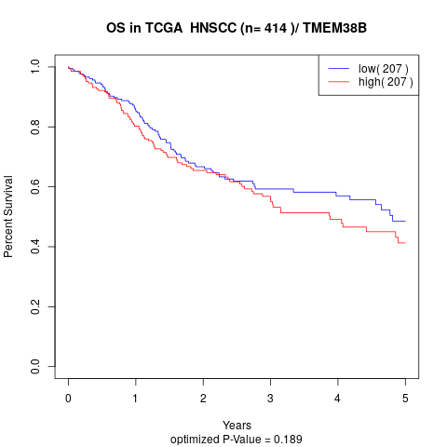

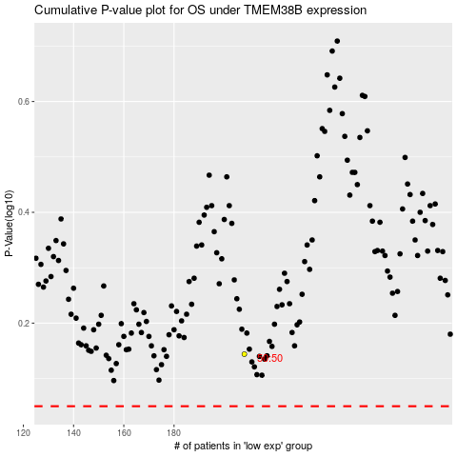

 |  |  |  |  |  | cases_OS | p_OS | rank | exp
 |  |  |  |  |  |  | cases_RFS | p_RFS | rank | exp

