TMEM39A _multivariate
Reported by Tex Li-Hsing Chi. tex@gate.sinica.edu.tw 2019-08-15

Table 2. The clinicopathological features of HNSCC cohort and TMEM39A expression. (Chi square test)
Cutoff at 0.001 (49.8%)
 |  | TMEM39A expression |  | TMEM39A expression |  | (Optimised)
 | Features | Low | (%) | High | (%) | Case no | P-value | Remark | Matthews
Gender | Female | 138 | 33.3 | 168 | 40.5 | 415 | 0.0016 | 1 | 0
2 | Male | 69 | 16.6 | 40 | 9.6
Age at diagnosis | <=65y | 134 | 32.3 | 140 | 33.7 | 415 | 0.6529 | 0 | 0
4 | >65y | 73 | 17.6 | 68 | 16.4
Clinical T Status | T1+T2 | 75 | 18.1 | 74 | 17.8 | 415 | 0.9707 | 0 | 0
6 | T3+T4 | 132 | 31.8 | 134 | 32.3
Clinical N Status | N0 | 112 | 27 | 104 | 25.1 | 415 | 0.4599 | 0 | 0
8 | N1-3 | 95 | 22.9 | 104 | 25.1
Clinical M Status | M0 | 205 | 49.4 | 207 | 49.9 | 415 | 0.6232 | 0 | 0
10 | M1 | 2 | 0.5 | 1 | 0.2
Clinical Stage | Stage I+II | 52 | 12.5 | 50 | 12 | 415 | 0.8871 | 0 | 0
12 | Stage III+IV | 155 | 37.3 | 158 | 38.1
Surgical Margin status | Negative | 157 | 37.8 | 161 | 38.8 | 415 | 0.729 | 0 | 0
14 | Positive | 50 | 12 | 47 | 11.3
Tobacco Exposure | Low | 97 | 23.4 | 64 | 15.4 | 415 | 9e-04 | 1 | 0
16 | High | 110 | 26.5 | 144 | 34.7

Table 3. Univariate/Multivariate Cox's proportional hazards regression analyses on OS time of TMEM39A gene expression in HNSCC

 |  | Univariate |  |  |  | Multivariate
 | Features | HR | CI95%(L) | CI95%(H) | P-value | HR | CI95%(L) | CI95%(H) | P-value
1 | Female | 1 |  |  |  | 1
Gender | Male | 1.157 | 0.843 | 1.587 | 0.367 | 1.214 | 0.863 | 1.708 | 0.266
11 | <=65y | 1 |  |  |  | 1
Age at diagnosis | >65y | 1.329 | 0.99 | 1.784 | 0.058 | 1.384 | 1.015 | 1.886 | 0.04
12 | T1+T2 | 1 |  |  |  | 1
Clinical T Status | T3+T4 | 1.409 | 1.028 | 1.931 | 0.033 | 2.206 | 1.167 | 4.172 | 0.015
13 | N0 | 1 |  |  |  | 1
Clinical N Status | N1-3 | 1.185 | 0.89 | 1.577 | 0.246 | 1.238 | 0.868 | 1.767 | 0.239
14 | M0 | 1 |  |  |  | 1
Clinical M Status | M1 | 4.097 | 1.009 | 16.644 | 0.049 | 9.57 | 2.078 | 44.077 | 0.004
15 | Stage I+II | 1 |  |  |  | 1
Clinical Stage | Stage III+IV | 1.245 | 0.882 | 1.759 | 0.213 | 0.505 | 0.235 | 1.084 | 0.08
16 | Negative | 1 |  |  |  | 1
Surgical Margin status | Positive | 1.591 | 1.155 | 2.191 | 0.004 | 1.677 | 1.212 | 2.319 | 0.002
17 | Low | 1 |  |  |  | 1
Tobacco Exposure | High | 1.364 | 1.008 | 1.844 | 0.044 | 1.442 | 1.043 | 1.995 | 0.027
18 | Low | 1 |  |  |  | 1
RNAseq(z-score) | High | 1.028 | 0.771 | 1.371 | 0.849 | 1.045 | 0.771 | 1.415 | 0.778

Table 4. Univariate/Multivariate Cox's proportional hazards regression analyses on RFS time of TMEM39A gene expression in HNSCC

 |  | Univariate |  |  |  | Multivariate
 | Features | HR | CI95%(L) | CI95%(H) | P-value | HR | CI95%(L) | CI95%(H) | P-value
1 | Female | 1 |  |  |  | 1
Gender | Male | 1.157 | 0.843 | 1.587 | 0.367 | 1.214 | 0.863 | 1.708 | 0.266
11 | <=65y | 1 |  |  |  | 1
Age at diagnosis | >65y | 1.329 | 0.99 | 1.784 | 0.058 | 1.384 | 1.015 | 1.886 | 0.04
12 | T1+T2 | 1 |  |  |  | 1
Clinical T Status | T3+T4 | 1.409 | 1.028 | 1.931 | 0.033 | 2.206 | 1.167 | 4.172 | 0.015
13 | N0 | 1 |  |  |  | 1
Clinical N Status | N1-3 | 1.185 | 0.89 | 1.577 | 0.246 | 1.238 | 0.868 | 1.767 | 0.239
14 | M0 | 1 |  |  |  | 1
Clinical M Status | M1 | 4.097 | 1.009 | 16.644 | 0.049 | 9.57 | 2.078 | 44.077 | 0.004
15 | Stage I+II | 1 |  |  |  | 1
Clinical Stage | Stage III+IV | 1.245 | 0.882 | 1.759 | 0.213 | 0.505 | 0.235 | 1.084 | 0.08
16 | Negative | 1 |  |  |  | 1
Surgical Margin status | Positive | 1.591 | 1.155 | 2.191 | 0.004 | 1.677 | 1.212 | 2.319 | 0.002
17 | Low | 1 |  |  |  | 1
Tobacco Exposure | High | 1.364 | 1.008 | 1.844 | 0.044 | 1.442 | 1.043 | 1.995 | 0.027
18 | Low | 1 |  |  |  | 1
RNAseq(z-score) | High | 1.028 | 0.771 | 1.371 | 0.849 | 1.045 | 0.771 | 1.415 | 0.778

Kaplan-Meier survival estimate: Cutoff at 0.001 (49.8%)



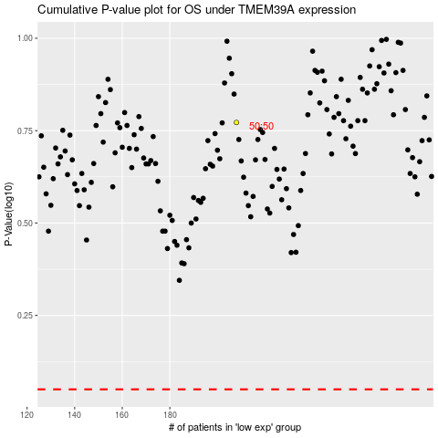

 |  |  |  |  |  | cases_OS | p_OS | rank | exp
 |  |  |  |  |  |  | cases_RFS | p_RFS | rank | exp

