TMEM39B _multivariate
Reported by Tex Li-Hsing Chi. tex@gate.sinica.edu.tw 2019-08-15

Table 2. The clinicopathological features of HNSCC cohort and TMEM39B expression. (Chi square test)
Cutoff at -0.122 (49.8%)
 |  | TMEM39B expression |  | TMEM39B expression |  | (Optimised)
 | Features | Low | (%) | High | (%) | Case no | P-value | Remark | Matthews
Gender | Female | 143 | 34.5 | 163 | 39.3 | 415 | 0.0416 | 1 | 0
2 | Male | 64 | 15.4 | 45 | 10.8
Age at diagnosis | <=65y | 131 | 31.6 | 143 | 34.5 | 415 | 0.2839 | 0 | 0
4 | >65y | 76 | 18.3 | 65 | 15.7
Clinical T Status | T1+T2 | 76 | 18.3 | 73 | 17.6 | 415 | 0.8092 | 0 | 0
6 | T3+T4 | 131 | 31.6 | 135 | 32.5
Clinical N Status | N0 | 117 | 28.2 | 99 | 23.9 | 415 | 0.0852 | 1 | 0
8 | N1-3 | 90 | 21.7 | 109 | 26.3
Clinical M Status | M0 | 207 | 49.9 | 205 | 49.4 | 415 | 0.2482 | 0 | 0
10 | M1 | 0 | 0 | 3 | 0.7
Clinical Stage | Stage I+II | 56 | 13.5 | 46 | 11.1 | 415 | 0.2918 | 0 | 0
12 | Stage III+IV | 151 | 36.4 | 162 | 39
Surgical Margin status | Negative | 158 | 38.1 | 160 | 38.6 | 415 | 0.9081 | 0 | 0
14 | Positive | 49 | 11.8 | 48 | 11.6
Tobacco Exposure | Low | 94 | 22.7 | 67 | 16.1 | 415 | 0.0065 | 1 | 0
16 | High | 113 | 27.2 | 141 | 34

Table 3. Univariate/Multivariate Cox's proportional hazards regression analyses on OS time of TMEM39B gene expression in HNSCC

 |  | Univariate |  |  |  | Multivariate
 | Features | HR | CI95%(L) | CI95%(H) | P-value | HR | CI95%(L) | CI95%(H) | P-value
1 | Female | 1 |  |  |  | 1
Gender | Male | 1.157 | 0.843 | 1.587 | 0.367 | 1.193 | 0.853 | 1.668 | 0.303
11 | <=65y | 1 |  |  |  | 1
Age at diagnosis | >65y | 1.329 | 0.99 | 1.784 | 0.058 | 1.39 | 1.023 | 1.889 | 0.035
12 | T1+T2 | 1 |  |  |  | 1
Clinical T Status | T3+T4 | 1.409 | 1.028 | 1.931 | 0.033 | 2.202 | 1.164 | 4.163 | 0.015
13 | N0 | 1 |  |  |  | 1
Clinical N Status | N1-3 | 1.185 | 0.89 | 1.577 | 0.246 | 1.247 | 0.874 | 1.78 | 0.223
14 | M0 | 1 |  |  |  | 1
Clinical M Status | M1 | 4.097 | 1.009 | 16.644 | 0.049 | 9.779 | 2.12 | 45.108 | 0.003
15 | Stage I+II | 1 |  |  |  | 1
Clinical Stage | Stage III+IV | 1.245 | 0.882 | 1.759 | 0.213 | 0.505 | 0.235 | 1.084 | 0.079
16 | Negative | 1 |  |  |  | 1
Surgical Margin status | Positive | 1.591 | 1.155 | 2.191 | 0.004 | 1.666 | 1.205 | 2.302 | 0.002
17 | Low | 1 |  |  |  | 1
Tobacco Exposure | High | 1.364 | 1.008 | 1.844 | 0.044 | 1.475 | 1.066 | 2.04 | 0.019
18 | Low | 1 |  |  |  | 1
RNAseq(z-score) | High | 0.963 | 0.723 | 1.282 | 0.794 | 0.919 | 0.683 | 1.235 | 0.575

Table 4. Univariate/Multivariate Cox's proportional hazards regression analyses on RFS time of TMEM39B gene expression in HNSCC

 |  | Univariate |  |  |  | Multivariate
 | Features | HR | CI95%(L) | CI95%(H) | P-value | HR | CI95%(L) | CI95%(H) | P-value
1 | Female | 1 |  |  |  | 1
Gender | Male | 1.157 | 0.843 | 1.587 | 0.367 | 1.193 | 0.853 | 1.668 | 0.303
11 | <=65y | 1 |  |  |  | 1
Age at diagnosis | >65y | 1.329 | 0.99 | 1.784 | 0.058 | 1.39 | 1.023 | 1.889 | 0.035
12 | T1+T2 | 1 |  |  |  | 1
Clinical T Status | T3+T4 | 1.409 | 1.028 | 1.931 | 0.033 | 2.202 | 1.164 | 4.163 | 0.015
13 | N0 | 1 |  |  |  | 1
Clinical N Status | N1-3 | 1.185 | 0.89 | 1.577 | 0.246 | 1.247 | 0.874 | 1.78 | 0.223
14 | M0 | 1 |  |  |  | 1
Clinical M Status | M1 | 4.097 | 1.009 | 16.644 | 0.049 | 9.779 | 2.12 | 45.108 | 0.003
15 | Stage I+II | 1 |  |  |  | 1
Clinical Stage | Stage III+IV | 1.245 | 0.882 | 1.759 | 0.213 | 0.505 | 0.235 | 1.084 | 0.079
16 | Negative | 1 |  |  |  | 1
Surgical Margin status | Positive | 1.591 | 1.155 | 2.191 | 0.004 | 1.666 | 1.205 | 2.302 | 0.002
17 | Low | 1 |  |  |  | 1
Tobacco Exposure | High | 1.364 | 1.008 | 1.844 | 0.044 | 1.475 | 1.066 | 2.04 | 0.019
18 | Low | 1 |  |  |  | 1
RNAseq(z-score) | High | 0.963 | 0.723 | 1.282 | 0.794 | 0.919 | 0.683 | 1.235 | 0.575

Kaplan-Meier survival estimate: Cutoff at -0.122 (49.8%)

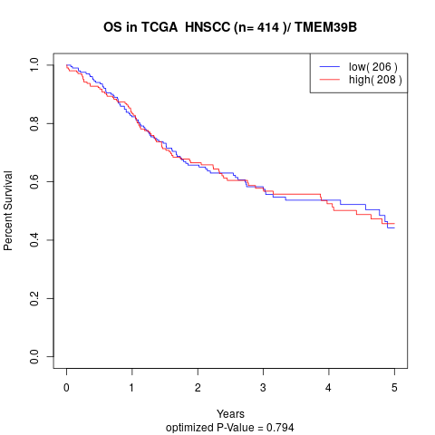

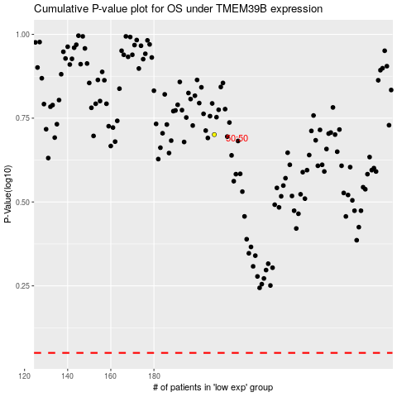

 |  |  |  |  |  | cases_OS | p_OS | rank | exp
 |  |  |  |  |  |  | cases_RFS | p_RFS | rank | exp

