TMEM41A _multivariate
Reported by Tex Li-Hsing Chi. tex@gate.sinica.edu.tw 2019-08-15

Table 2. The clinicopathological features of HNSCC cohort and TMEM41A expression. (Chi square test)
Cutoff at -0.224 (49.8%)
 |  | TMEM41A expression |  | TMEM41A expression |  | (Optimised)
 | Features | Low | (%) | High | (%) | Case no | P-value | Remark | Matthews
Gender | Female | 139 | 33.5 | 167 | 40.2 | 415 | 0.0034 | 1 | 0
2 | Male | 68 | 16.4 | 41 | 9.9
Age at diagnosis | <=65y | 130 | 31.3 | 144 | 34.7 | 415 | 0.2009 | 0 | 0
4 | >65y | 77 | 18.6 | 64 | 15.4
Clinical T Status | T1+T2 | 86 | 20.7 | 63 | 15.2 | 415 | 0.0221 | 1 | 0
6 | T3+T4 | 121 | 29.2 | 145 | 34.9
Clinical N Status | N0 | 114 | 27.5 | 102 | 24.6 | 415 | 0.2576 | 1 | 0
8 | N1-3 | 93 | 22.4 | 106 | 25.5
Clinical M Status | M0 | 207 | 49.9 | 205 | 49.4 | 415 | 0.2482 | 0 | 0
10 | M1 | 0 | 0 | 3 | 0.7
Clinical Stage | Stage I+II | 66 | 15.9 | 36 | 8.7 | 415 | 9e-04 | 1 | 0
12 | Stage III+IV | 141 | 34 | 172 | 41.4
Surgical Margin status | Negative | 168 | 40.5 | 150 | 36.1 | 415 | 0.0366 | 1 | 0
14 | Positive | 39 | 9.4 | 58 | 14
Tobacco Exposure | Low | 98 | 23.6 | 63 | 15.2 | 415 | 4e-04 | 1 | 0
16 | High | 109 | 26.3 | 145 | 34.9

Table 3. Univariate/Multivariate Cox's proportional hazards regression analyses on OS time of TMEM41A gene expression in HNSCC

 |  | Univariate |  |  |  | Multivariate
 | Features | HR | CI95%(L) | CI95%(H) | P-value | HR | CI95%(L) | CI95%(H) | P-value
1 | Female | 1 |  |  |  | 1
Gender | Male | 1.157 | 0.843 | 1.587 | 0.367 | 1.179 | 0.842 | 1.651 | 0.338
11 | <=65y | 1 |  |  |  | 1
Age at diagnosis | >65y | 1.329 | 0.99 | 1.784 | 0.058 | 1.405 | 1.032 | 1.913 | 0.031
12 | T1+T2 | 1 |  |  |  | 1
Clinical T Status | T3+T4 | 1.409 | 1.028 | 1.931 | 0.033 | 2.205 | 1.167 | 4.167 | 0.015
13 | N0 | 1 |  |  |  | 1
Clinical N Status | N1-3 | 1.185 | 0.89 | 1.577 | 0.246 | 1.237 | 0.867 | 1.765 | 0.24
14 | M0 | 1 |  |  |  | 1
Clinical M Status | M1 | 4.097 | 1.009 | 16.644 | 0.049 | 10.102 | 2.189 | 46.612 | 0.003
15 | Stage I+II | 1 |  |  |  | 1
Clinical Stage | Stage III+IV | 1.245 | 0.882 | 1.759 | 0.213 | 0.522 | 0.243 | 1.125 | 0.097
16 | Negative | 1 |  |  |  | 1
Surgical Margin status | Positive | 1.591 | 1.155 | 2.191 | 0.004 | 1.69 | 1.222 | 2.335 | 0.001
17 | Low | 1 |  |  |  | 1
Tobacco Exposure | High | 1.364 | 1.008 | 1.844 | 0.044 | 1.485 | 1.074 | 2.052 | 0.017
18 | Low | 1 |  |  |  | 1
RNAseq(z-score) | High | 0.953 | 0.715 | 1.27 | 0.743 | 0.856 | 0.633 | 1.157 | 0.31

Table 4. Univariate/Multivariate Cox's proportional hazards regression analyses on RFS time of TMEM41A gene expression in HNSCC

 |  | Univariate |  |  |  | Multivariate
 | Features | HR | CI95%(L) | CI95%(H) | P-value | HR | CI95%(L) | CI95%(H) | P-value
1 | Female | 1 |  |  |  | 1
Gender | Male | 1.157 | 0.843 | 1.587 | 0.367 | 1.179 | 0.842 | 1.651 | 0.338
11 | <=65y | 1 |  |  |  | 1
Age at diagnosis | >65y | 1.329 | 0.99 | 1.784 | 0.058 | 1.405 | 1.032 | 1.913 | 0.031
12 | T1+T2 | 1 |  |  |  | 1
Clinical T Status | T3+T4 | 1.409 | 1.028 | 1.931 | 0.033 | 2.205 | 1.167 | 4.167 | 0.015
13 | N0 | 1 |  |  |  | 1
Clinical N Status | N1-3 | 1.185 | 0.89 | 1.577 | 0.246 | 1.237 | 0.867 | 1.765 | 0.24
14 | M0 | 1 |  |  |  | 1
Clinical M Status | M1 | 4.097 | 1.009 | 16.644 | 0.049 | 10.102 | 2.189 | 46.612 | 0.003
15 | Stage I+II | 1 |  |  |  | 1
Clinical Stage | Stage III+IV | 1.245 | 0.882 | 1.759 | 0.213 | 0.522 | 0.243 | 1.125 | 0.097
16 | Negative | 1 |  |  |  | 1
Surgical Margin status | Positive | 1.591 | 1.155 | 2.191 | 0.004 | 1.69 | 1.222 | 2.335 | 0.001
17 | Low | 1 |  |  |  | 1
Tobacco Exposure | High | 1.364 | 1.008 | 1.844 | 0.044 | 1.485 | 1.074 | 2.052 | 0.017
18 | Low | 1 |  |  |  | 1
RNAseq(z-score) | High | 0.953 | 0.715 | 1.27 | 0.743 | 0.856 | 0.633 | 1.157 | 0.31

Kaplan-Meier survival estimate: Cutoff at -0.224 (49.8%)



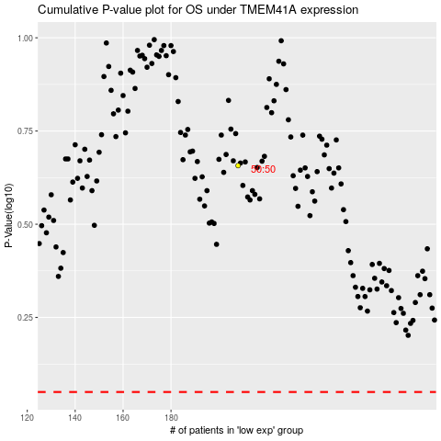

 |  |  |  |  |  | cases_OS | p_OS | rank | exp
 |  |  |  |  |  |  | cases_RFS | p_RFS | rank | exp

