TMEM41B _multivariate
Reported by Tex Li-Hsing Chi. tex@gate.sinica.edu.tw 2019-08-15

Table 2. The clinicopathological features of HNSCC cohort and TMEM41B expression. (Chi square test)
Cutoff at -0.137 (49.8%)
 |  | TMEM41B expression |  | TMEM41B expression |  | (Optimised)
 | Features | Low | (%) | High | (%) | Case no | P-value | Remark | Matthews
Gender | Female | 156 | 37.6 | 150 | 36.1 | 415 | 0.5222 | 0 | 0
2 | Male | 51 | 12.3 | 58 | 14
Age at diagnosis | <=65y | 138 | 33.3 | 136 | 32.8 | 415 | 0.8634 | 0 | 0
4 | >65y | 69 | 16.6 | 72 | 17.3
Clinical T Status | T1+T2 | 70 | 16.9 | 79 | 19 | 415 | 0.4343 | 0 | 0
6 | T3+T4 | 137 | 33 | 129 | 31.1
Clinical N Status | N0 | 102 | 24.6 | 114 | 27.5 | 415 | 0.3031 | 0 | 0
8 | N1-3 | 105 | 25.3 | 94 | 22.7
Clinical M Status | M0 | 206 | 49.6 | 206 | 49.6 | 415 | 1 | 0 | 0
10 | M1 | 1 | 0.2 | 2 | 0.5
Clinical Stage | Stage I+II | 48 | 11.6 | 54 | 13 | 415 | 0.5878 | 0 | 0
12 | Stage III+IV | 159 | 38.3 | 154 | 37.1
Surgical Margin status | Negative | 166 | 40 | 152 | 36.6 | 415 | 0.1042 | 0 | 0
14 | Positive | 41 | 9.9 | 56 | 13.5
Tobacco Exposure | Low | 76 | 18.3 | 85 | 20.5 | 415 | 0.4207 | 0 | 0
16 | High | 131 | 31.6 | 123 | 29.6

Table 3. Univariate/Multivariate Cox's proportional hazards regression analyses on OS time of TMEM41B gene expression in HNSCC

 |  | Univariate |  |  |  | Multivariate
 | Features | HR | CI95%(L) | CI95%(H) | P-value | HR | CI95%(L) | CI95%(H) | P-value
1 | Female | 1 |  |  |  | 1
Gender | Male | 1.157 | 0.843 | 1.587 | 0.367 | 1.195 | 0.855 | 1.67 | 0.298
11 | <=65y | 1 |  |  |  | 1
Age at diagnosis | >65y | 1.329 | 0.99 | 1.784 | 0.058 | 1.395 | 1.027 | 1.896 | 0.033
12 | T1+T2 | 1 |  |  |  | 1
Clinical T Status | T3+T4 | 1.409 | 1.028 | 1.931 | 0.033 | 2.215 | 1.172 | 4.19 | 0.014
13 | N0 | 1 |  |  |  | 1
Clinical N Status | N1-3 | 1.185 | 0.89 | 1.577 | 0.246 | 1.259 | 0.88 | 1.802 | 0.208
14 | M0 | 1 |  |  |  | 1
Clinical M Status | M1 | 4.097 | 1.009 | 16.644 | 0.049 | 9.119 | 1.983 | 41.936 | 0.005
15 | Stage I+II | 1 |  |  |  | 1
Clinical Stage | Stage III+IV | 1.245 | 0.882 | 1.759 | 0.213 | 0.502 | 0.234 | 1.078 | 0.077
16 | Negative | 1 |  |  |  | 1
Surgical Margin status | Positive | 1.591 | 1.155 | 2.191 | 0.004 | 1.638 | 1.178 | 2.279 | 0.003
17 | Low | 1 |  |  |  | 1
Tobacco Exposure | High | 1.364 | 1.008 | 1.844 | 0.044 | 1.449 | 1.051 | 1.997 | 0.023
18 | Low | 1 |  |  |  | 1
RNAseq(z-score) | High | 1.139 | 0.855 | 1.517 | 0.374 | 1.096 | 0.814 | 1.476 | 0.548

Table 4. Univariate/Multivariate Cox's proportional hazards regression analyses on RFS time of TMEM41B gene expression in HNSCC

 |  | Univariate |  |  |  | Multivariate
 | Features | HR | CI95%(L) | CI95%(H) | P-value | HR | CI95%(L) | CI95%(H) | P-value
1 | Female | 1 |  |  |  | 1
Gender | Male | 1.157 | 0.843 | 1.587 | 0.367 | 1.195 | 0.855 | 1.67 | 0.298
11 | <=65y | 1 |  |  |  | 1
Age at diagnosis | >65y | 1.329 | 0.99 | 1.784 | 0.058 | 1.395 | 1.027 | 1.896 | 0.033
12 | T1+T2 | 1 |  |  |  | 1
Clinical T Status | T3+T4 | 1.409 | 1.028 | 1.931 | 0.033 | 2.215 | 1.172 | 4.19 | 0.014
13 | N0 | 1 |  |  |  | 1
Clinical N Status | N1-3 | 1.185 | 0.89 | 1.577 | 0.246 | 1.259 | 0.88 | 1.802 | 0.208
14 | M0 | 1 |  |  |  | 1
Clinical M Status | M1 | 4.097 | 1.009 | 16.644 | 0.049 | 9.119 | 1.983 | 41.936 | 0.005
15 | Stage I+II | 1 |  |  |  | 1
Clinical Stage | Stage III+IV | 1.245 | 0.882 | 1.759 | 0.213 | 0.502 | 0.234 | 1.078 | 0.077
16 | Negative | 1 |  |  |  | 1
Surgical Margin status | Positive | 1.591 | 1.155 | 2.191 | 0.004 | 1.638 | 1.178 | 2.279 | 0.003
17 | Low | 1 |  |  |  | 1
Tobacco Exposure | High | 1.364 | 1.008 | 1.844 | 0.044 | 1.449 | 1.051 | 1.997 | 0.023
18 | Low | 1 |  |  |  | 1
RNAseq(z-score) | High | 1.139 | 0.855 | 1.517 | 0.374 | 1.096 | 0.814 | 1.476 | 0.548

Kaplan-Meier survival estimate: Cutoff at -0.137 (49.8%)



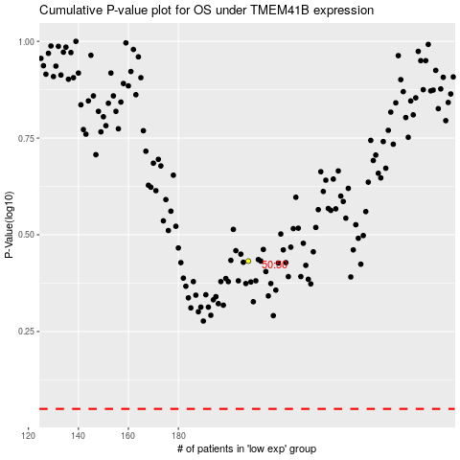

 |  |  |  |  |  | cases_OS | p_OS | rank | exp
 |  |  |  |  |  |  | cases_RFS | p_RFS | rank | exp

