TMEM43 _multivariate
Reported by Tex Li-Hsing Chi. tex@gate.sinica.edu.tw 2019-08-15

Table 2. The clinicopathological features of HNSCC cohort and TMEM43 expression. (Chi square test)
Cutoff at -0.067 (49.8%)
 |  | TMEM43 expression |  | TMEM43 expression |  | (Optimised)
 | Features | Low | (%) | High | (%) | Case no | P-value | Remark | Matthews
Gender | Female | 159 | 38.3 | 147 | 35.4 | 415 | 0.1905 | 0 | 0
2 | Male | 48 | 11.6 | 61 | 14.7
Age at diagnosis | <=65y | 126 | 30.4 | 148 | 35.7 | 415 | 0.035 | 1 | 0
4 | >65y | 81 | 19.5 | 60 | 14.5
Clinical T Status | T1+T2 | 68 | 16.4 | 81 | 19.5 | 415 | 0.2336 | 0 | 0
6 | T3+T4 | 139 | 33.5 | 127 | 30.6
Clinical N Status | N0 | 106 | 25.5 | 110 | 26.5 | 415 | 0.8075 | 0 | 0
8 | N1-3 | 101 | 24.3 | 98 | 23.6
Clinical M Status | M0 | 204 | 49.2 | 208 | 50.1 | 415 | 0.1232 | 0 | 0
10 | M1 | 3 | 0.7 | 0 | 0
Clinical Stage | Stage I+II | 44 | 10.6 | 58 | 14 | 415 | 0.1459 | 0 | 0
12 | Stage III+IV | 163 | 39.3 | 150 | 36.1
Surgical Margin status | Negative | 158 | 38.1 | 160 | 38.6 | 415 | 0.9081 | 0 | 0
14 | Positive | 49 | 11.8 | 48 | 11.6
Tobacco Exposure | Low | 70 | 16.9 | 91 | 21.9 | 415 | 0.0439 | 1 | 0
16 | High | 137 | 33 | 117 | 28.2

Table 3. Univariate/Multivariate Cox's proportional hazards regression analyses on OS time of TMEM43 gene expression in HNSCC

 |  | Univariate |  |  |  | Multivariate
 | Features | HR | CI95%(L) | CI95%(H) | P-value | HR | CI95%(L) | CI95%(H) | P-value
1 | Female | 1 |  |  |  | 1
Gender | Male | 1.157 | 0.843 | 1.587 | 0.367 | 1.202 | 0.86 | 1.679 | 0.282
11 | <=65y | 1 |  |  |  | 1
Age at diagnosis | >65y | 1.329 | 0.99 | 1.784 | 0.058 | 1.392 | 1.022 | 1.897 | 0.036
12 | T1+T2 | 1 |  |  |  | 1
Clinical T Status | T3+T4 | 1.409 | 1.028 | 1.931 | 0.033 | 2.203 | 1.165 | 4.166 | 0.015
13 | N0 | 1 |  |  |  | 1
Clinical N Status | N1-3 | 1.185 | 0.89 | 1.577 | 0.246 | 1.241 | 0.87 | 1.771 | 0.234
14 | M0 | 1 |  |  |  | 1
Clinical M Status | M1 | 4.097 | 1.009 | 16.644 | 0.049 | 9.418 | 2.038 | 43.531 | 0.004
15 | Stage I+II | 1 |  |  |  | 1
Clinical Stage | Stage III+IV | 1.245 | 0.882 | 1.759 | 0.213 | 0.504 | 0.235 | 1.083 | 0.079
16 | Negative | 1 |  |  |  | 1
Surgical Margin status | Positive | 1.591 | 1.155 | 2.191 | 0.004 | 1.672 | 1.209 | 2.312 | 0.002
17 | Low | 1 |  |  |  | 1
Tobacco Exposure | High | 1.364 | 1.008 | 1.844 | 0.044 | 1.453 | 1.054 | 2.003 | 0.022
18 | Low | 1 |  |  |  | 1
RNAseq(z-score) | High | 0.892 | 0.668 | 1.192 | 0.44 | 1.002 | 0.747 | 1.345 | 0.988

Table 4. Univariate/Multivariate Cox's proportional hazards regression analyses on RFS time of TMEM43 gene expression in HNSCC

 |  | Univariate |  |  |  | Multivariate
 | Features | HR | CI95%(L) | CI95%(H) | P-value | HR | CI95%(L) | CI95%(H) | P-value
1 | Female | 1 |  |  |  | 1
Gender | Male | 1.157 | 0.843 | 1.587 | 0.367 | 1.202 | 0.86 | 1.679 | 0.282
11 | <=65y | 1 |  |  |  | 1
Age at diagnosis | >65y | 1.329 | 0.99 | 1.784 | 0.058 | 1.392 | 1.022 | 1.897 | 0.036
12 | T1+T2 | 1 |  |  |  | 1
Clinical T Status | T3+T4 | 1.409 | 1.028 | 1.931 | 0.033 | 2.203 | 1.165 | 4.166 | 0.015
13 | N0 | 1 |  |  |  | 1
Clinical N Status | N1-3 | 1.185 | 0.89 | 1.577 | 0.246 | 1.241 | 0.87 | 1.771 | 0.234
14 | M0 | 1 |  |  |  | 1
Clinical M Status | M1 | 4.097 | 1.009 | 16.644 | 0.049 | 9.418 | 2.038 | 43.531 | 0.004
15 | Stage I+II | 1 |  |  |  | 1
Clinical Stage | Stage III+IV | 1.245 | 0.882 | 1.759 | 0.213 | 0.504 | 0.235 | 1.083 | 0.079
16 | Negative | 1 |  |  |  | 1
Surgical Margin status | Positive | 1.591 | 1.155 | 2.191 | 0.004 | 1.672 | 1.209 | 2.312 | 0.002
17 | Low | 1 |  |  |  | 1
Tobacco Exposure | High | 1.364 | 1.008 | 1.844 | 0.044 | 1.453 | 1.054 | 2.003 | 0.022
18 | Low | 1 |  |  |  | 1
RNAseq(z-score) | High | 0.892 | 0.668 | 1.192 | 0.44 | 1.002 | 0.747 | 1.345 | 0.988

Kaplan-Meier survival estimate: Cutoff at -0.067 (49.8%)



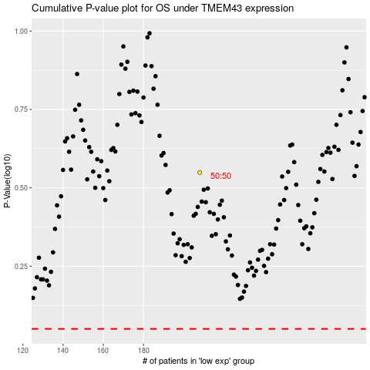

 |  |  |  |  |  | cases_OS | p_OS | rank | exp
 |  |  |  |  |  |  | cases_RFS | p_RFS | rank | exp

