TMEM44 _multivariate
Reported by Tex Li-Hsing Chi. tex@gate.sinica.edu.tw 2019-08-15

Table 2. The clinicopathological features of HNSCC cohort and TMEM44 expression. (Chi square test)
Cutoff at -0.401 (32.6%)
 |  | TMEM44 expression |  | TMEM44 expression |  | (Optimised)
 | Features | Low | (%) | High | (%) | Case no | P-value | Remark | Matthews
Gender | Female | 90 | 21.7 | 216 | 52 | 415 | 0.0313 | 1 | 0
2 | Male | 45 | 10.8 | 64 | 15.4
Age at diagnosis | <=65y | 85 | 20.5 | 189 | 45.5 | 415 | 0.4216 | 0 | 0
4 | >65y | 50 | 12 | 91 | 21.9
Clinical T Status | T1+T2 | 52 | 12.5 | 97 | 23.4 | 415 | 0.5081 | 0 | 0
6 | T3+T4 | 83 | 20 | 183 | 44.1
Clinical N Status | N0 | 77 | 18.6 | 139 | 33.5 | 415 | 0.191 | 0 | 0
8 | N1-3 | 58 | 14 | 141 | 34
Clinical M Status | M0 | 135 | 32.5 | 277 | 66.7 | 415 | 0.5541 | 0 | 0
10 | M1 | 0 | 0 | 3 | 0.7
Clinical Stage | Stage I+II | 37 | 8.9 | 65 | 15.7 | 415 | 0.4192 | 0 | 0
12 | Stage III+IV | 98 | 23.6 | 215 | 51.8
Surgical Margin status | Negative | 104 | 25.1 | 214 | 51.6 | 415 | 1 | 0 | 0
14 | Positive | 31 | 7.5 | 66 | 15.9
Tobacco Exposure | Low | 62 | 14.9 | 99 | 23.9 | 415 | 0.0415 | 1 | 0
16 | High | 73 | 17.6 | 181 | 43.6

Table 3. Univariate/Multivariate Cox's proportional hazards regression analyses on OS time of TMEM44 gene expression in HNSCC

 |  | Univariate |  |  |  | Multivariate
 | Features | HR | CI95%(L) | CI95%(H) | P-value | HR | CI95%(L) | CI95%(H) | P-value
1 | Female | 1 |  |  |  | 1
Gender | Male | 1.157 | 0.843 | 1.587 | 0.367 | 1.236 | 0.884 | 1.729 | 0.216
11 | <=65y | 1 |  |  |  | 1
Age at diagnosis | >65y | 1.329 | 0.99 | 1.784 | 0.058 | 1.377 | 1.015 | 1.87 | 0.04
12 | T1+T2 | 1 |  |  |  | 1
Clinical T Status | T3+T4 | 1.409 | 1.028 | 1.931 | 0.033 | 2.213 | 1.171 | 4.185 | 0.015
13 | N0 | 1 |  |  |  | 1
Clinical N Status | N1-3 | 1.185 | 0.89 | 1.577 | 0.246 | 1.227 | 0.858 | 1.753 | 0.262
14 | M0 | 1 |  |  |  | 1
Clinical M Status | M1 | 4.097 | 1.009 | 16.644 | 0.049 | 8.752 | 1.906 | 40.194 | 0.005
15 | Stage I+II | 1 |  |  |  | 1
Clinical Stage | Stage III+IV | 1.245 | 0.882 | 1.759 | 0.213 | 0.492 | 0.229 | 1.055 | 0.068
16 | Negative | 1 |  |  |  | 1
Surgical Margin status | Positive | 1.591 | 1.155 | 2.191 | 0.004 | 1.695 | 1.226 | 2.344 | 0.001
17 | Low | 1 |  |  |  | 1
Tobacco Exposure | High | 1.364 | 1.008 | 1.844 | 0.044 | 1.41 | 1.024 | 1.943 | 0.035
18 | Low | 1 |  |  |  | 1
RNAseq(z-score) | High | 1.392 | 1.008 | 1.922 | 0.045 | 1.365 | 0.982 | 1.897 | 0.064

Table 4. Univariate/Multivariate Cox's proportional hazards regression analyses on RFS time of TMEM44 gene expression in HNSCC

 |  | Univariate |  |  |  | Multivariate
 | Features | HR | CI95%(L) | CI95%(H) | P-value | HR | CI95%(L) | CI95%(H) | P-value
1 | Female | 1 |  |  |  | 1
Gender | Male | 1.157 | 0.843 | 1.587 | 0.367 | 1.236 | 0.884 | 1.729 | 0.216
11 | <=65y | 1 |  |  |  | 1
Age at diagnosis | >65y | 1.329 | 0.99 | 1.784 | 0.058 | 1.377 | 1.015 | 1.87 | 0.04
12 | T1+T2 | 1 |  |  |  | 1
Clinical T Status | T3+T4 | 1.409 | 1.028 | 1.931 | 0.033 | 2.213 | 1.171 | 4.185 | 0.015
13 | N0 | 1 |  |  |  | 1
Clinical N Status | N1-3 | 1.185 | 0.89 | 1.577 | 0.246 | 1.227 | 0.858 | 1.753 | 0.262
14 | M0 | 1 |  |  |  | 1
Clinical M Status | M1 | 4.097 | 1.009 | 16.644 | 0.049 | 8.752 | 1.906 | 40.194 | 0.005
15 | Stage I+II | 1 |  |  |  | 1
Clinical Stage | Stage III+IV | 1.245 | 0.882 | 1.759 | 0.213 | 0.492 | 0.229 | 1.055 | 0.068
16 | Negative | 1 |  |  |  | 1
Surgical Margin status | Positive | 1.591 | 1.155 | 2.191 | 0.004 | 1.695 | 1.226 | 2.344 | 0.001
17 | Low | 1 |  |  |  | 1
Tobacco Exposure | High | 1.364 | 1.008 | 1.844 | 0.044 | 1.41 | 1.024 | 1.943 | 0.035
18 | Low | 1 |  |  |  | 1
RNAseq(z-score) | High | 1.392 | 1.008 | 1.922 | 0.045 | 1.365 | 0.982 | 1.897 | 0.064

Kaplan-Meier survival estimate: Cutoff at -0.401 (32.6%)



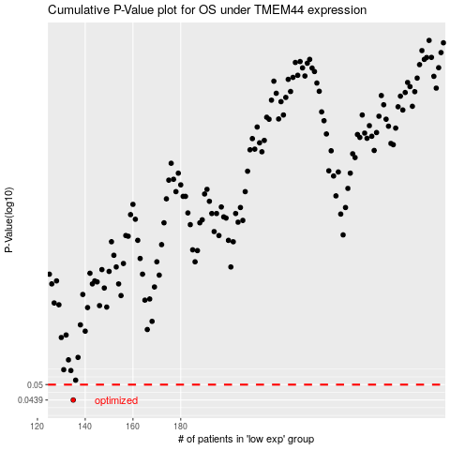

 |  |  |  |  |  | cases_OS | p_OS | rank | exp
 |  |  |  |  |  | 135 | 0.0439 | 153 | -0.40131720232
 |  |  |  |  |  |  | cases_RFS | p_RFS | rank | exp
 |  |  |  |  |  |  | 134 | 0.0439 | 50 | -0.40234389947

