TMEM45B _multivariate
Reported by Tex Li-Hsing Chi. tex@gate.sinica.edu.tw 2019-08-15

Table 2. The clinicopathological features of HNSCC cohort and TMEM45B expression. (Chi square test)
Cutoff at -0.432 (50.0%)
 |  | TMEM45B expression |  | TMEM45B expression |  | (Optimised)
 | Features | Low | (%) | High | (%) | Case no | P-value | Remark | Matthews
Gender | Female | 151 | 36.4 | 155 | 37.3 | 415 | 0.8007 | 0 | 0
2 | Male | 56 | 13.5 | 53 | 12.8
Age at diagnosis | <=65y | 135 | 32.5 | 139 | 33.5 | 415 | 0.8084 | 0 | 0
4 | >65y | 72 | 17.3 | 69 | 16.6
Clinical T Status | T1+T2 | 80 | 19.3 | 69 | 16.6 | 415 | 0.2891 | 0 | 0
6 | T3+T4 | 127 | 30.6 | 139 | 33.5
Clinical N Status | N0 | 100 | 24.1 | 116 | 28 | 415 | 0.1548 | 0 | 0
8 | N1-3 | 107 | 25.8 | 92 | 22.2
Clinical M Status | M0 | 205 | 49.4 | 207 | 49.9 | 415 | 0.6232 | 0 | 0
10 | M1 | 2 | 0.5 | 1 | 0.2
Clinical Stage | Stage I+II | 55 | 13.3 | 47 | 11.3 | 415 | 0.4087 | 0 | 0
12 | Stage III+IV | 152 | 36.6 | 161 | 38.8
Surgical Margin status | Negative | 147 | 35.4 | 171 | 41.2 | 415 | 0.0077 | 1 | 0
14 | Positive | 60 | 14.5 | 37 | 8.9
Tobacco Exposure | Low | 86 | 20.7 | 75 | 18.1 | 415 | 0.2687 | 0 | 0
16 | High | 121 | 29.2 | 133 | 32

Table 3. Univariate/Multivariate Cox's proportional hazards regression analyses on OS time of TMEM45B gene expression in HNSCC

 |  | Univariate |  |  |  | Multivariate
 | Features | HR | CI95%(L) | CI95%(H) | P-value | HR | CI95%(L) | CI95%(H) | P-value
1 | Female | 1 |  |  |  | 1
Gender | Male | 1.157 | 0.843 | 1.587 | 0.367 | 1.204 | 0.862 | 1.682 | 0.275
11 | <=65y | 1 |  |  |  | 1
Age at diagnosis | >65y | 1.329 | 0.99 | 1.784 | 0.058 | 1.386 | 1.019 | 1.885 | 0.038
12 | T1+T2 | 1 |  |  |  | 1
Clinical T Status | T3+T4 | 1.409 | 1.028 | 1.931 | 0.033 | 2.181 | 1.153 | 4.126 | 0.017
13 | N0 | 1 |  |  |  | 1
Clinical N Status | N1-3 | 1.185 | 0.89 | 1.577 | 0.246 | 1.214 | 0.845 | 1.746 | 0.294
14 | M0 | 1 |  |  |  | 1
Clinical M Status | M1 | 4.097 | 1.009 | 16.644 | 0.049 | 9.325 | 2.034 | 42.758 | 0.004
15 | Stage I+II | 1 |  |  |  | 1
Clinical Stage | Stage III+IV | 1.245 | 0.882 | 1.759 | 0.213 | 0.517 | 0.24 | 1.115 | 0.093
16 | Negative | 1 |  |  |  | 1
Surgical Margin status | Positive | 1.591 | 1.155 | 2.191 | 0.004 | 1.647 | 1.188 | 2.284 | 0.003
17 | Low | 1 |  |  |  | 1
Tobacco Exposure | High | 1.364 | 1.008 | 1.844 | 0.044 | 1.471 | 1.064 | 2.032 | 0.019
18 | Low | 1 |  |  |  | 1
RNAseq(z-score) | High | 0.866 | 0.65 | 1.154 | 0.325 | 0.915 | 0.678 | 1.235 | 0.562

Table 4. Univariate/Multivariate Cox's proportional hazards regression analyses on RFS time of TMEM45B gene expression in HNSCC

 |  | Univariate |  |  |  | Multivariate
 | Features | HR | CI95%(L) | CI95%(H) | P-value | HR | CI95%(L) | CI95%(H) | P-value
1 | Female | 1 |  |  |  | 1
Gender | Male | 1.157 | 0.843 | 1.587 | 0.367 | 1.204 | 0.862 | 1.682 | 0.275
11 | <=65y | 1 |  |  |  | 1
Age at diagnosis | >65y | 1.329 | 0.99 | 1.784 | 0.058 | 1.386 | 1.019 | 1.885 | 0.038
12 | T1+T2 | 1 |  |  |  | 1
Clinical T Status | T3+T4 | 1.409 | 1.028 | 1.931 | 0.033 | 2.181 | 1.153 | 4.126 | 0.017
13 | N0 | 1 |  |  |  | 1
Clinical N Status | N1-3 | 1.185 | 0.89 | 1.577 | 0.246 | 1.214 | 0.845 | 1.746 | 0.294
14 | M0 | 1 |  |  |  | 1
Clinical M Status | M1 | 4.097 | 1.009 | 16.644 | 0.049 | 9.325 | 2.034 | 42.758 | 0.004
15 | Stage I+II | 1 |  |  |  | 1
Clinical Stage | Stage III+IV | 1.245 | 0.882 | 1.759 | 0.213 | 0.517 | 0.24 | 1.115 | 0.093
16 | Negative | 1 |  |  |  | 1
Surgical Margin status | Positive | 1.591 | 1.155 | 2.191 | 0.004 | 1.647 | 1.188 | 2.284 | 0.003
17 | Low | 1 |  |  |  | 1
Tobacco Exposure | High | 1.364 | 1.008 | 1.844 | 0.044 | 1.471 | 1.064 | 2.032 | 0.019
18 | Low | 1 |  |  |  | 1
RNAseq(z-score) | High | 0.866 | 0.65 | 1.154 | 0.325 | 0.915 | 0.678 | 1.235 | 0.562

Kaplan-Meier survival estimate: Cutoff at -0.432 (50.0%)



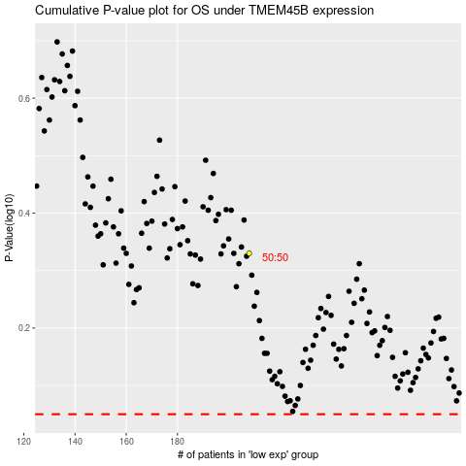

 |  |  |  |  |  | cases_OS | p_OS | rank | exp
 |  |  |  |  |  |  | cases_RFS | p_RFS | rank | exp

