TMEM47 _multivariate
Reported by Tex Li-Hsing Chi. tex@gate.sinica.edu.tw 2019-08-15

Table 2. The clinicopathological features of HNSCC cohort and TMEM47 expression. (Chi square test)
Cutoff at -0.293 (49.8%)
 |  | TMEM47 expression |  | TMEM47 expression |  | (Optimised)
 | Features | Low | (%) | High | (%) | Case no | P-value | Remark | Matthews
Gender | Female | 154 | 37.1 | 152 | 36.6 | 415 | 0.8463 | 0 | 0
2 | Male | 53 | 12.8 | 56 | 13.5
Age at diagnosis | <=65y | 137 | 33 | 137 | 33 | 415 | 1 | 0 | 0
4 | >65y | 70 | 16.9 | 71 | 17.1
Clinical T Status | T1+T2 | 72 | 17.3 | 77 | 18.6 | 415 | 0.7095 | 0 | 0
6 | T3+T4 | 135 | 32.5 | 131 | 31.6
Clinical N Status | N0 | 112 | 27 | 104 | 25.1 | 415 | 0.4599 | 0 | 0
8 | N1-3 | 95 | 22.9 | 104 | 25.1
Clinical M Status | M0 | 204 | 49.2 | 208 | 50.1 | 415 | 0.1232 | 0 | 0
10 | M1 | 3 | 0.7 | 0 | 0
Clinical Stage | Stage I+II | 51 | 12.3 | 51 | 12.3 | 415 | 1 | 0 | 0
12 | Stage III+IV | 156 | 37.6 | 157 | 37.8
Surgical Margin status | Negative | 158 | 38.1 | 160 | 38.6 | 415 | 0.9081 | 0 | 0
14 | Positive | 49 | 11.8 | 48 | 11.6
Tobacco Exposure | Low | 86 | 20.7 | 75 | 18.1 | 415 | 0.2687 | 0 | 0
16 | High | 121 | 29.2 | 133 | 32

Table 3. Univariate/Multivariate Cox's proportional hazards regression analyses on OS time of TMEM47 gene expression in HNSCC

 |  | Univariate |  |  |  | Multivariate
 | Features | HR | CI95%(L) | CI95%(H) | P-value | HR | CI95%(L) | CI95%(H) | P-value
1 | Female | 1 |  |  |  | 1
Gender | Male | 1.157 | 0.843 | 1.587 | 0.367 | 1.207 | 0.863 | 1.688 | 0.271
11 | <=65y | 1 |  |  |  | 1
Age at diagnosis | >65y | 1.329 | 0.99 | 1.784 | 0.058 | 1.39 | 1.022 | 1.889 | 0.036
12 | T1+T2 | 1 |  |  |  | 1
Clinical T Status | T3+T4 | 1.409 | 1.028 | 1.931 | 0.033 | 2.189 | 1.158 | 4.141 | 0.016
13 | N0 | 1 |  |  |  | 1
Clinical N Status | N1-3 | 1.185 | 0.89 | 1.577 | 0.246 | 1.247 | 0.874 | 1.78 | 0.224
14 | M0 | 1 |  |  |  | 1
Clinical M Status | M1 | 4.097 | 1.009 | 16.644 | 0.049 | 8.915 | 1.928 | 41.23 | 0.005
15 | Stage I+II | 1 |  |  |  | 1
Clinical Stage | Stage III+IV | 1.245 | 0.882 | 1.759 | 0.213 | 0.508 | 0.237 | 1.091 | 0.082
16 | Negative | 1 |  |  |  | 1
Surgical Margin status | Positive | 1.591 | 1.155 | 2.191 | 0.004 | 1.667 | 1.206 | 2.303 | 0.002
17 | Low | 1 |  |  |  | 1
Tobacco Exposure | High | 1.364 | 1.008 | 1.844 | 0.044 | 1.457 | 1.057 | 2.008 | 0.022
18 | Low | 1 |  |  |  | 1
RNAseq(z-score) | High | 0.891 | 0.669 | 1.186 | 0.429 | 0.912 | 0.682 | 1.218 | 0.532

Table 4. Univariate/Multivariate Cox's proportional hazards regression analyses on RFS time of TMEM47 gene expression in HNSCC

 |  | Univariate |  |  |  | Multivariate
 | Features | HR | CI95%(L) | CI95%(H) | P-value | HR | CI95%(L) | CI95%(H) | P-value
1 | Female | 1 |  |  |  | 1
Gender | Male | 1.157 | 0.843 | 1.587 | 0.367 | 1.207 | 0.863 | 1.688 | 0.271
11 | <=65y | 1 |  |  |  | 1
Age at diagnosis | >65y | 1.329 | 0.99 | 1.784 | 0.058 | 1.39 | 1.022 | 1.889 | 0.036
12 | T1+T2 | 1 |  |  |  | 1
Clinical T Status | T3+T4 | 1.409 | 1.028 | 1.931 | 0.033 | 2.189 | 1.158 | 4.141 | 0.016
13 | N0 | 1 |  |  |  | 1
Clinical N Status | N1-3 | 1.185 | 0.89 | 1.577 | 0.246 | 1.247 | 0.874 | 1.78 | 0.224
14 | M0 | 1 |  |  |  | 1
Clinical M Status | M1 | 4.097 | 1.009 | 16.644 | 0.049 | 8.915 | 1.928 | 41.23 | 0.005
15 | Stage I+II | 1 |  |  |  | 1
Clinical Stage | Stage III+IV | 1.245 | 0.882 | 1.759 | 0.213 | 0.508 | 0.237 | 1.091 | 0.082
16 | Negative | 1 |  |  |  | 1
Surgical Margin status | Positive | 1.591 | 1.155 | 2.191 | 0.004 | 1.667 | 1.206 | 2.303 | 0.002
17 | Low | 1 |  |  |  | 1
Tobacco Exposure | High | 1.364 | 1.008 | 1.844 | 0.044 | 1.457 | 1.057 | 2.008 | 0.022
18 | Low | 1 |  |  |  | 1
RNAseq(z-score) | High | 0.891 | 0.669 | 1.186 | 0.429 | 0.912 | 0.682 | 1.218 | 0.532

Kaplan-Meier survival estimate: Cutoff at -0.293 (49.8%)



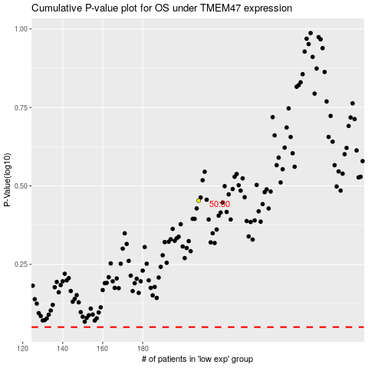

 |  |  |  |  |  | cases_OS | p_OS | rank | exp
 |  |  |  |  |  |  | cases_RFS | p_RFS | rank | exp

