TMEM50A _multivariate
Reported by Tex Li-Hsing Chi. tex@gate.sinica.edu.tw 2019-08-15

Table 2. The clinicopathological features of HNSCC cohort and TMEM50A expression. (Chi square test)
Cutoff at -0.051 (50.0%)
 |  | TMEM50A expression |  | TMEM50A expression |  | (Optimised)
 | Features | Low | (%) | High | (%) | Case no | P-value | Remark | Matthews
Gender | Female | 162 | 39 | 144 | 34.7 | 415 | 0.0479 | 1 | 0
2 | Male | 45 | 10.8 | 64 | 15.4
Age at diagnosis | <=65y | 138 | 33.3 | 136 | 32.8 | 415 | 0.8634 | 0 | 0
4 | >65y | 69 | 16.6 | 72 | 17.3
Clinical T Status | T1+T2 | 74 | 17.8 | 75 | 18.1 | 415 | 1 | 0 | 0
6 | T3+T4 | 133 | 32 | 133 | 32
Clinical N Status | N0 | 114 | 27.5 | 102 | 24.6 | 415 | 0.2576 | 1 | 0
8 | N1-3 | 93 | 22.4 | 106 | 25.5
Clinical M Status | M0 | 207 | 49.9 | 205 | 49.4 | 415 | 0.2482 | 0 | 0
10 | M1 | 0 | 0 | 3 | 0.7
Clinical Stage | Stage I+II | 49 | 11.8 | 53 | 12.8 | 415 | 0.7535 | 0 | 0
12 | Stage III+IV | 158 | 38.1 | 155 | 37.3
Surgical Margin status | Negative | 158 | 38.1 | 160 | 38.6 | 415 | 0.9081 | 0 | 0
14 | Positive | 49 | 11.8 | 48 | 11.6
Tobacco Exposure | Low | 74 | 17.8 | 87 | 21 | 415 | 0.227 | 0 | 0
16 | High | 133 | 32 | 121 | 29.2

Table 3. Univariate/Multivariate Cox's proportional hazards regression analyses on OS time of TMEM50A gene expression in HNSCC

 |  | Univariate |  |  |  | Multivariate
 | Features | HR | CI95%(L) | CI95%(H) | P-value | HR | CI95%(L) | CI95%(H) | P-value
1 | Female | 1 |  |  |  | 1
Gender | Male | 1.157 | 0.843 | 1.587 | 0.367 | 1.17 | 0.835 | 1.64 | 0.361
11 | <=65y | 1 |  |  |  | 1
Age at diagnosis | >65y | 1.329 | 0.99 | 1.784 | 0.058 | 1.402 | 1.031 | 1.907 | 0.031
12 | T1+T2 | 1 |  |  |  | 1
Clinical T Status | T3+T4 | 1.409 | 1.028 | 1.931 | 0.033 | 2.175 | 1.15 | 4.117 | 0.017
13 | N0 | 1 |  |  |  | 1
Clinical N Status | N1-3 | 1.185 | 0.89 | 1.577 | 0.246 | 1.229 | 0.861 | 1.753 | 0.255
14 | M0 | 1 |  |  |  | 1
Clinical M Status | M1 | 4.097 | 1.009 | 16.644 | 0.049 | 8.552 | 1.849 | 39.553 | 0.006
15 | Stage I+II | 1 |  |  |  | 1
Clinical Stage | Stage III+IV | 1.245 | 0.882 | 1.759 | 0.213 | 0.52 | 0.242 | 1.118 | 0.094
16 | Negative | 1 |  |  |  | 1
Surgical Margin status | Positive | 1.591 | 1.155 | 2.191 | 0.004 | 1.667 | 1.207 | 2.304 | 0.002
17 | Low | 1 |  |  |  | 1
Tobacco Exposure | High | 1.364 | 1.008 | 1.844 | 0.044 | 1.449 | 1.052 | 1.995 | 0.023
18 | Low | 1 |  |  |  | 1
RNAseq(z-score) | High | 1.212 | 0.91 | 1.615 | 0.188 | 1.175 | 0.877 | 1.576 | 0.28

Table 4. Univariate/Multivariate Cox's proportional hazards regression analyses on RFS time of TMEM50A gene expression in HNSCC

 |  | Univariate |  |  |  | Multivariate
 | Features | HR | CI95%(L) | CI95%(H) | P-value | HR | CI95%(L) | CI95%(H) | P-value
1 | Female | 1 |  |  |  | 1
Gender | Male | 1.157 | 0.843 | 1.587 | 0.367 | 1.17 | 0.835 | 1.64 | 0.361
11 | <=65y | 1 |  |  |  | 1
Age at diagnosis | >65y | 1.329 | 0.99 | 1.784 | 0.058 | 1.402 | 1.031 | 1.907 | 0.031
12 | T1+T2 | 1 |  |  |  | 1
Clinical T Status | T3+T4 | 1.409 | 1.028 | 1.931 | 0.033 | 2.175 | 1.15 | 4.117 | 0.017
13 | N0 | 1 |  |  |  | 1
Clinical N Status | N1-3 | 1.185 | 0.89 | 1.577 | 0.246 | 1.229 | 0.861 | 1.753 | 0.255
14 | M0 | 1 |  |  |  | 1
Clinical M Status | M1 | 4.097 | 1.009 | 16.644 | 0.049 | 8.552 | 1.849 | 39.553 | 0.006
15 | Stage I+II | 1 |  |  |  | 1
Clinical Stage | Stage III+IV | 1.245 | 0.882 | 1.759 | 0.213 | 0.52 | 0.242 | 1.118 | 0.094
16 | Negative | 1 |  |  |  | 1
Surgical Margin status | Positive | 1.591 | 1.155 | 2.191 | 0.004 | 1.667 | 1.207 | 2.304 | 0.002
17 | Low | 1 |  |  |  | 1
Tobacco Exposure | High | 1.364 | 1.008 | 1.844 | 0.044 | 1.449 | 1.052 | 1.995 | 0.023
18 | Low | 1 |  |  |  | 1
RNAseq(z-score) | High | 1.212 | 0.91 | 1.615 | 0.188 | 1.175 | 0.877 | 1.576 | 0.28

Kaplan-Meier survival estimate: Cutoff at -0.051 (50.0%)



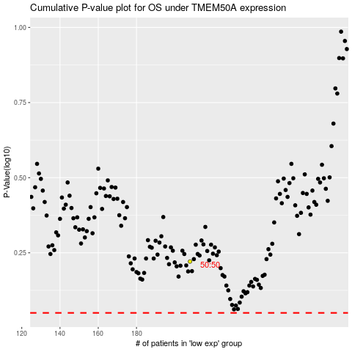

 |  |  |  |  |  | cases_OS | p_OS | rank | exp
 |  |  |  |  |  |  | cases_RFS | p_RFS | rank | exp

