TMEM51 _multivariate
Reported by Tex Li-Hsing Chi. tex@gate.sinica.edu.tw 2019-08-15

Table 2. The clinicopathological features of HNSCC cohort and TMEM51 expression. (Chi square test)
Cutoff at 0.37 (69.1%)
 |  | TMEM51 expression |  | TMEM51 expression |  | (Optimised)
 | Features | Low | (%) | High | (%) | Case no | P-value | Remark | Matthews
Gender | Female | 218 | 52.5 | 88 | 21.2 | 415 | 0.1107 | 0 | 0
2 | Male | 68 | 16.4 | 41 | 9.9
Age at diagnosis | <=65y | 192 | 46.3 | 82 | 19.8 | 415 | 0.5498 | 0 | 0
4 | >65y | 94 | 22.7 | 47 | 11.3
Clinical T Status | T1+T2 | 108 | 26 | 41 | 9.9 | 415 | 0.287 | 0 | 0
6 | T3+T4 | 178 | 42.9 | 88 | 21.2
Clinical N Status | N0 | 156 | 37.6 | 60 | 14.5 | 415 | 0.1585 | 0 | 0
8 | N1-3 | 130 | 31.3 | 69 | 16.6
Clinical M Status | M0 | 284 | 68.4 | 128 | 30.8 | 415 | 1 | 0 | 0
10 | M1 | 2 | 0.5 | 1 | 0.2
Clinical Stage | Stage I+II | 75 | 18.1 | 27 | 6.5 | 415 | 0.3002 | 0 | 0
12 | Stage III+IV | 211 | 50.8 | 102 | 24.6
Surgical Margin status | Negative | 226 | 54.5 | 92 | 22.2 | 415 | 0.1031 | 0 | 0
14 | Positive | 60 | 14.5 | 37 | 8.9
Tobacco Exposure | Low | 101 | 24.3 | 60 | 14.5 | 415 | 0.0384 | 1 | 0
16 | High | 185 | 44.6 | 69 | 16.6

Table 3. Univariate/Multivariate Cox's proportional hazards regression analyses on OS time of TMEM51 gene expression in HNSCC

 |  | Univariate |  |  |  | Multivariate
 | Features | HR | CI95%(L) | CI95%(H) | P-value | HR | CI95%(L) | CI95%(H) | P-value
1 | Female | 1 |  |  |  | 1
Gender | Male | 1.157 | 0.843 | 1.587 | 0.367 | 1.178 | 0.844 | 1.643 | 0.337
11 | <=65y | 1 |  |  |  | 1
Age at diagnosis | >65y | 1.329 | 0.99 | 1.784 | 0.058 | 1.387 | 1.019 | 1.887 | 0.037
12 | T1+T2 | 1 |  |  |  | 1
Clinical T Status | T3+T4 | 1.409 | 1.028 | 1.931 | 0.033 | 2.247 | 1.187 | 4.254 | 0.013
13 | N0 | 1 |  |  |  | 1
Clinical N Status | N1-3 | 1.185 | 0.89 | 1.577 | 0.246 | 1.252 | 0.877 | 1.788 | 0.215
14 | M0 | 1 |  |  |  | 1
Clinical M Status | M1 | 4.097 | 1.009 | 16.644 | 0.049 | 9.293 | 2.024 | 42.673 | 0.004
15 | Stage I+II | 1 |  |  |  | 1
Clinical Stage | Stage III+IV | 1.245 | 0.882 | 1.759 | 0.213 | 0.486 | 0.226 | 1.045 | 0.065
16 | Negative | 1 |  |  |  | 1
Surgical Margin status | Positive | 1.591 | 1.155 | 2.191 | 0.004 | 1.634 | 1.181 | 2.261 | 0.003
17 | Low | 1 |  |  |  | 1
Tobacco Exposure | High | 1.364 | 1.008 | 1.844 | 0.044 | 1.499 | 1.087 | 2.067 | 0.014
18 | Low | 1 |  |  |  | 1
RNAseq(z-score) | High | 1.418 | 1.048 | 1.92 | 0.024 | 1.387 | 1.02 | 1.885 | 0.037

Table 4. Univariate/Multivariate Cox's proportional hazards regression analyses on RFS time of TMEM51 gene expression in HNSCC

 |  | Univariate |  |  |  | Multivariate
 | Features | HR | CI95%(L) | CI95%(H) | P-value | HR | CI95%(L) | CI95%(H) | P-value
1 | Female | 1 |  |  |  | 1
Gender | Male | 1.157 | 0.843 | 1.587 | 0.367 | 1.178 | 0.844 | 1.643 | 0.337
11 | <=65y | 1 |  |  |  | 1
Age at diagnosis | >65y | 1.329 | 0.99 | 1.784 | 0.058 | 1.387 | 1.019 | 1.887 | 0.037
12 | T1+T2 | 1 |  |  |  | 1
Clinical T Status | T3+T4 | 1.409 | 1.028 | 1.931 | 0.033 | 2.247 | 1.187 | 4.254 | 0.013
13 | N0 | 1 |  |  |  | 1
Clinical N Status | N1-3 | 1.185 | 0.89 | 1.577 | 0.246 | 1.252 | 0.877 | 1.788 | 0.215
14 | M0 | 1 |  |  |  | 1
Clinical M Status | M1 | 4.097 | 1.009 | 16.644 | 0.049 | 9.293 | 2.024 | 42.673 | 0.004
15 | Stage I+II | 1 |  |  |  | 1
Clinical Stage | Stage III+IV | 1.245 | 0.882 | 1.759 | 0.213 | 0.486 | 0.226 | 1.045 | 0.065
16 | Negative | 1 |  |  |  | 1
Surgical Margin status | Positive | 1.591 | 1.155 | 2.191 | 0.004 | 1.634 | 1.181 | 2.261 | 0.003
17 | Low | 1 |  |  |  | 1
Tobacco Exposure | High | 1.364 | 1.008 | 1.844 | 0.044 | 1.499 | 1.087 | 2.067 | 0.014
18 | Low | 1 |  |  |  | 1
RNAseq(z-score) | High | 1.418 | 1.048 | 1.92 | 0.024 | 1.387 | 1.02 | 1.885 | 0.037

Kaplan-Meier survival estimate: Cutoff at 0.37 (69.1%)

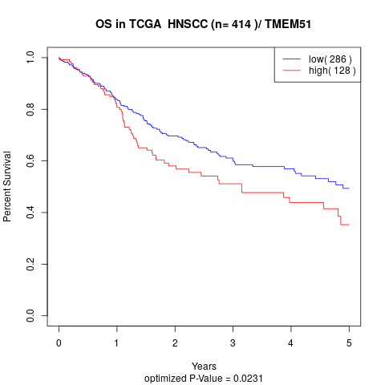

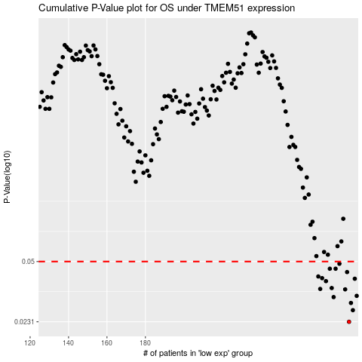

 |  |  |  |  |  | cases_OS | p_OS | rank | exp
 |  |  |  |  |  | 286 | 0.0231 | 107 | 0.36952412581
 |  |  |  |  |  | 288 | 0.0268 | 198 | 0.38141082583
 |  |  |  |  |  | 287 | 0.0294 | 146 | 0.37392676178
 |  |  |  |  |  | 278 | 0.0317 | 201 | 0.30577349806
 |  |  |  |  |  | 290 | 0.0322 | 74 | 0.38738980431
 |  |  |  |  |  | 284 | 0.035 | 202 | 0.36283188276
 |  |  |  |  |  | 271 | 0.0352 | 142 | 0.23818716148
 |  |  |  |  |  | 277 | 0.0356 | 359 | 0.3007059132
 |  |  |  |  |  | 274 | 0.0389 | 289 | 0.26597562928
 |  |  |  |  |  | 289 | 0.0401 | 158 | 0.38680028349
 |  |  |  |  |  | 272 | 0.0404 | 78 | 0.24871650374
 |  |  |  |  |  | 270 | 0.0413 | 194 | 0.23641616588
 |  |  |  |  |  | 285 | 0.0437 | 270 | 0.36475025857
 |  |  |  |  |  | 279 | 0.0456 | 69 | 0.32113162753
 |  |  |  |  |  | 276 | 0.0456 | 262 | 0.28880183343
 |  |  |  |  |  | 281 | 0.0486 | 12 | 0.33151776072
 |  |  |  |  |  |  | cases_RFS | p_RFS | rank | exp
 |  |  |  |  |  |  | 285 | 0.0231 | 270 | 0.36475025857
 |  |  |  |  |  |  | 287 | 0.0268 | 146 | 0.37392676178
 |  |  |  |  |  |  | 286 | 0.0294 | 107 | 0.36952412581
 |  |  |  |  |  |  | 277 | 0.0317 | 359 | 0.3007059132
 |  |  |  |  |  |  | 289 | 0.0322 | 158 | 0.38680028349
 |  |  |  |  |  |  | 283 | 0.035 | 245 | 0.35449968736
 |  |  |  |  |  |  | 270 | 0.0352 | 194 | 0.23641616588
 |  |  |  |  |  |  | 276 | 0.0356 | 262 | 0.28880183343
 |  |  |  |  |  |  | 273 | 0.0389 | 57 | 0.26075649307
 |  |  |  |  |  |  | 288 | 0.0401 | 198 | 0.38141082583
 |  |  |  |  |  |  | 271 | 0.0404 | 142 | 0.23818716148
 |  |  |  |  |  |  | 269 | 0.0413 | 71 | 0.22699182756
 |  |  |  |  |  |  | 284 | 0.0437 | 202 | 0.36283188276
 |  |  |  |  |  |  | 278 | 0.0456 | 201 | 0.30577349806
 |  |  |  |  |  |  | 275 | 0.0456 | 290 | 0.28033720441
 |  |  |  |  |  |  | 280 | 0.0486 | 365 | 0.32840539671

