TMEM52 _multivariate
Reported by Tex Li-Hsing Chi. tex@gate.sinica.edu.tw 2019-08-15

Table 2. The clinicopathological features of HNSCC cohort and TMEM52 expression. (Chi square test)
Cutoff at -0.199 (50.0%)
 |  | TMEM52 expression |  | TMEM52 expression |  | (Optimised)
 | Features | Low | (%) | High | (%) | Case no | P-value | Remark | Matthews
Gender | Female | 141 | 34 | 165 | 39.8 | 415 | 0.013 | 1 | 0
2 | Male | 66 | 15.9 | 43 | 10.4
Age at diagnosis | <=65y | 122 | 29.4 | 152 | 36.6 | 415 | 0.0033 | 1 | 0
4 | >65y | 85 | 20.5 | 56 | 13.5
Clinical T Status | T1+T2 | 79 | 19 | 70 | 16.9 | 415 | 0.3924 | 0 | 0
6 | T3+T4 | 128 | 30.8 | 138 | 33.3
Clinical N Status | N0 | 118 | 28.4 | 98 | 23.6 | 415 | 0.0551 | 1 | 0
8 | N1-3 | 89 | 21.4 | 110 | 26.5
Clinical M Status | M0 | 204 | 49.2 | 208 | 50.1 | 415 | 0.1232 | 0 | 0
10 | M1 | 3 | 0.7 | 0 | 0
Clinical Stage | Stage I+II | 61 | 14.7 | 41 | 9.9 | 415 | 0.0282 | 1 | 0
12 | Stage III+IV | 146 | 35.2 | 167 | 40.2
Surgical Margin status | Negative | 163 | 39.3 | 155 | 37.3 | 415 | 0.3537 | 0 | 0
14 | Positive | 44 | 10.6 | 53 | 12.8
Tobacco Exposure | Low | 101 | 24.3 | 60 | 14.5 | 415 | 0 | 1 | 0
16 | High | 106 | 25.5 | 148 | 35.7

Table 3. Univariate/Multivariate Cox's proportional hazards regression analyses on OS time of TMEM52 gene expression in HNSCC

 |  | Univariate |  |  |  | Multivariate
 | Features | HR | CI95%(L) | CI95%(H) | P-value | HR | CI95%(L) | CI95%(H) | P-value
1 | Female | 1 |  |  |  | 1
Gender | Male | 1.157 | 0.843 | 1.587 | 0.367 | 1.2 | 0.859 | 1.677 | 0.285
11 | <=65y | 1 |  |  |  | 1
Age at diagnosis | >65y | 1.329 | 0.99 | 1.784 | 0.058 | 1.389 | 1.021 | 1.889 | 0.036
12 | T1+T2 | 1 |  |  |  | 1
Clinical T Status | T3+T4 | 1.409 | 1.028 | 1.931 | 0.033 | 2.194 | 1.159 | 4.152 | 0.016
13 | N0 | 1 |  |  |  | 1
Clinical N Status | N1-3 | 1.185 | 0.89 | 1.577 | 0.246 | 1.246 | 0.872 | 1.78 | 0.228
14 | M0 | 1 |  |  |  | 1
Clinical M Status | M1 | 4.097 | 1.009 | 16.644 | 0.049 | 9.189 | 1.978 | 42.683 | 0.005
15 | Stage I+II | 1 |  |  |  | 1
Clinical Stage | Stage III+IV | 1.245 | 0.882 | 1.759 | 0.213 | 0.507 | 0.236 | 1.091 | 0.082
16 | Negative | 1 |  |  |  | 1
Surgical Margin status | Positive | 1.591 | 1.155 | 2.191 | 0.004 | 1.676 | 1.212 | 2.317 | 0.002
17 | Low | 1 |  |  |  | 1
Tobacco Exposure | High | 1.364 | 1.008 | 1.844 | 0.044 | 1.462 | 1.056 | 2.024 | 0.022
18 | Low | 1 |  |  |  | 1
RNAseq(z-score) | High | 1.019 | 0.765 | 1.357 | 0.899 | 0.966 | 0.715 | 1.304 | 0.821

Table 4. Univariate/Multivariate Cox's proportional hazards regression analyses on RFS time of TMEM52 gene expression in HNSCC

 |  | Univariate |  |  |  | Multivariate
 | Features | HR | CI95%(L) | CI95%(H) | P-value | HR | CI95%(L) | CI95%(H) | P-value
1 | Female | 1 |  |  |  | 1
Gender | Male | 1.157 | 0.843 | 1.587 | 0.367 | 1.2 | 0.859 | 1.677 | 0.285
11 | <=65y | 1 |  |  |  | 1
Age at diagnosis | >65y | 1.329 | 0.99 | 1.784 | 0.058 | 1.389 | 1.021 | 1.889 | 0.036
12 | T1+T2 | 1 |  |  |  | 1
Clinical T Status | T3+T4 | 1.409 | 1.028 | 1.931 | 0.033 | 2.194 | 1.159 | 4.152 | 0.016
13 | N0 | 1 |  |  |  | 1
Clinical N Status | N1-3 | 1.185 | 0.89 | 1.577 | 0.246 | 1.246 | 0.872 | 1.78 | 0.228
14 | M0 | 1 |  |  |  | 1
Clinical M Status | M1 | 4.097 | 1.009 | 16.644 | 0.049 | 9.189 | 1.978 | 42.683 | 0.005
15 | Stage I+II | 1 |  |  |  | 1
Clinical Stage | Stage III+IV | 1.245 | 0.882 | 1.759 | 0.213 | 0.507 | 0.236 | 1.091 | 0.082
16 | Negative | 1 |  |  |  | 1
Surgical Margin status | Positive | 1.591 | 1.155 | 2.191 | 0.004 | 1.676 | 1.212 | 2.317 | 0.002
17 | Low | 1 |  |  |  | 1
Tobacco Exposure | High | 1.364 | 1.008 | 1.844 | 0.044 | 1.462 | 1.056 | 2.024 | 0.022
18 | Low | 1 |  |  |  | 1
RNAseq(z-score) | High | 1.019 | 0.765 | 1.357 | 0.899 | 0.966 | 0.715 | 1.304 | 0.821

Kaplan-Meier survival estimate: Cutoff at -0.199 (50.0%)



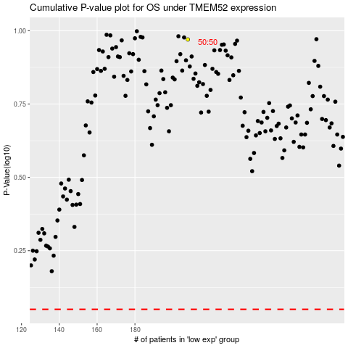

 |  |  |  |  |  | cases_OS | p_OS | rank | exp
 |  |  |  |  |  |  | cases_RFS | p_RFS | rank | exp

