TMEM54 _multivariate
Reported by Tex Li-Hsing Chi. tex@gate.sinica.edu.tw 2019-08-15

Table 2. The clinicopathological features of HNSCC cohort and TMEM54 expression. (Chi square test)
Cutoff at -0.395 (34.5%)
 |  | TMEM54 expression |  | TMEM54 expression |  | (Optimised)
 | Features | Low | (%) | High | (%) | Case no | P-value | Remark | Matthews
Gender | Female | 113 | 27.2 | 193 | 46.5 | 415 | 0.0975 | 0 | 0
2 | Male | 30 | 7.2 | 79 | 19
Age at diagnosis | <=65y | 94 | 22.7 | 180 | 43.4 | 415 | 1 | 0 | 0
4 | >65y | 49 | 11.8 | 92 | 22.2
Clinical T Status | T1+T2 | 60 | 14.5 | 89 | 21.4 | 415 | 0.079 | 0 | 0
6 | T3+T4 | 83 | 20 | 183 | 44.1
Clinical N Status | N0 | 74 | 17.8 | 142 | 34.2 | 415 | 1 | 0 | 0
8 | N1-3 | 69 | 16.6 | 130 | 31.3
Clinical M Status | M0 | 143 | 34.5 | 269 | 64.8 | 415 | 0.5543 | 0 | 0
10 | M1 | 0 | 0 | 3 | 0.7
Clinical Stage | Stage I+II | 40 | 9.6 | 62 | 14.9 | 415 | 0.2963 | 0 | 0
12 | Stage III+IV | 103 | 24.8 | 210 | 50.6
Surgical Margin status | Negative | 106 | 25.5 | 212 | 51.1 | 415 | 0.3948 | 0 | 0
14 | Positive | 37 | 8.9 | 60 | 14.5
Tobacco Exposure | Low | 48 | 11.6 | 113 | 27.2 | 415 | 0.1377 | 0 | 0
16 | High | 95 | 22.9 | 159 | 38.3

Table 3. Univariate/Multivariate Cox's proportional hazards regression analyses on OS time of TMEM54 gene expression in HNSCC

 |  | Univariate |  |  |  | Multivariate
 | Features | HR | CI95%(L) | CI95%(H) | P-value | HR | CI95%(L) | CI95%(H) | P-value
1 | Female | 1 |  |  |  | 1
Gender | Male | 1.157 | 0.843 | 1.587 | 0.367 | 1.242 | 0.889 | 1.735 | 0.204
11 | <=65y | 1 |  |  |  | 1
Age at diagnosis | >65y | 1.329 | 0.99 | 1.784 | 0.058 | 1.391 | 1.024 | 1.891 | 0.035
12 | T1+T2 | 1 |  |  |  | 1
Clinical T Status | T3+T4 | 1.409 | 1.028 | 1.931 | 0.033 | 2.246 | 1.187 | 4.247 | 0.013
13 | N0 | 1 |  |  |  | 1
Clinical N Status | N1-3 | 1.185 | 0.89 | 1.577 | 0.246 | 1.217 | 0.852 | 1.74 | 0.281
14 | M0 | 1 |  |  |  | 1
Clinical M Status | M1 | 4.097 | 1.009 | 16.644 | 0.049 | 11.033 | 2.389 | 50.948 | 0.002
15 | Stage I+II | 1 |  |  |  | 1
Clinical Stage | Stage III+IV | 1.245 | 0.882 | 1.759 | 0.213 | 0.499 | 0.233 | 1.072 | 0.075
16 | Negative | 1 |  |  |  | 1
Surgical Margin status | Positive | 1.591 | 1.155 | 2.191 | 0.004 | 1.662 | 1.203 | 2.296 | 0.002
17 | Low | 1 |  |  |  | 1
Tobacco Exposure | High | 1.364 | 1.008 | 1.844 | 0.044 | 1.438 | 1.046 | 1.977 | 0.025
18 | Low | 1 |  |  |  | 1
RNAseq(z-score) | High | 0.737 | 0.55 | 0.989 | 0.042 | 0.718 | 0.533 | 0.967 | 0.029

Table 4. Univariate/Multivariate Cox's proportional hazards regression analyses on RFS time of TMEM54 gene expression in HNSCC

 |  | Univariate |  |  |  | Multivariate
 | Features | HR | CI95%(L) | CI95%(H) | P-value | HR | CI95%(L) | CI95%(H) | P-value
1 | Female | 1 |  |  |  | 1
Gender | Male | 1.157 | 0.843 | 1.587 | 0.367 | 1.242 | 0.889 | 1.735 | 0.204
11 | <=65y | 1 |  |  |  | 1
Age at diagnosis | >65y | 1.329 | 0.99 | 1.784 | 0.058 | 1.391 | 1.024 | 1.891 | 0.035
12 | T1+T2 | 1 |  |  |  | 1
Clinical T Status | T3+T4 | 1.409 | 1.028 | 1.931 | 0.033 | 2.246 | 1.187 | 4.247 | 0.013
13 | N0 | 1 |  |  |  | 1
Clinical N Status | N1-3 | 1.185 | 0.89 | 1.577 | 0.246 | 1.217 | 0.852 | 1.74 | 0.281
14 | M0 | 1 |  |  |  | 1
Clinical M Status | M1 | 4.097 | 1.009 | 16.644 | 0.049 | 11.033 | 2.389 | 50.948 | 0.002
15 | Stage I+II | 1 |  |  |  | 1
Clinical Stage | Stage III+IV | 1.245 | 0.882 | 1.759 | 0.213 | 0.499 | 0.233 | 1.072 | 0.075
16 | Negative | 1 |  |  |  | 1
Surgical Margin status | Positive | 1.591 | 1.155 | 2.191 | 0.004 | 1.662 | 1.203 | 2.296 | 0.002
17 | Low | 1 |  |  |  | 1
Tobacco Exposure | High | 1.364 | 1.008 | 1.844 | 0.044 | 1.438 | 1.046 | 1.977 | 0.025
18 | Low | 1 |  |  |  | 1
RNAseq(z-score) | High | 0.737 | 0.55 | 0.989 | 0.042 | 0.718 | 0.533 | 0.967 | 0.029

Kaplan-Meier survival estimate: Cutoff at -0.395 (34.5%)



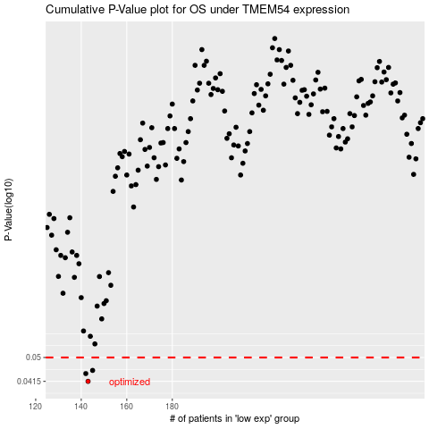

 |  |  |  |  |  | cases_OS | p_OS | rank | exp
 |  |  |  |  |  | 143 | 0.0415 | 35 | -0.39520728969
 |  |  |  |  |  | 142 | 0.0441 | 7 | -0.39576008981
 |  |  |  |  |  | 145 | 0.0452 | 83 | -0.38826277829
 |  |  |  |  |  |  | cases_RFS | p_RFS | rank | exp
 |  |  |  |  |  |  | 142 | 0.0415 | 7 | -0.39576008981
 |  |  |  |  |  |  | 141 | 0.0441 | 264 | -0.40075017586
 |  |  |  |  |  |  | 144 | 0.0452 | 54 | -0.39180662733

