TMEM55B _multivariate
Reported by Tex Li-Hsing Chi. tex@gate.sinica.edu.tw 2019-08-15

Table 2. The clinicopathological features of HNSCC cohort and TMEM55B expression. (Chi square test)
Cutoff at -0.105 (49.8%)
 |  | TMEM55B expression |  | TMEM55B expression |  | (Optimised)
 | Features | Low | (%) | High | (%) | Case no | P-value | Remark | Matthews
Gender | Female | 154 | 37.1 | 152 | 36.6 | 415 | 0.8463 | 0 | 0
2 | Male | 53 | 12.8 | 56 | 13.5
Age at diagnosis | <=65y | 136 | 32.8 | 138 | 33.3 | 415 | 0.9719 | 0 | 0
4 | >65y | 71 | 17.1 | 70 | 16.9
Clinical T Status | T1+T2 | 75 | 18.1 | 74 | 17.8 | 415 | 0.9707 | 0 | 0
6 | T3+T4 | 132 | 31.8 | 134 | 32.3
Clinical N Status | N0 | 107 | 25.8 | 109 | 26.3 | 415 | 0.9624 | 0 | 0
8 | N1-3 | 100 | 24.1 | 99 | 23.9
Clinical M Status | M0 | 205 | 49.4 | 207 | 49.9 | 415 | 0.6232 | 0 | 0
10 | M1 | 2 | 0.5 | 1 | 0.2
Clinical Stage | Stage I+II | 52 | 12.5 | 50 | 12 | 415 | 0.8871 | 0 | 0
12 | Stage III+IV | 155 | 37.3 | 158 | 38.1
Surgical Margin status | Negative | 165 | 39.8 | 153 | 36.9 | 415 | 0.1639 | 0 | 0
14 | Positive | 42 | 10.1 | 55 | 13.3
Tobacco Exposure | Low | 82 | 19.8 | 79 | 19 | 415 | 0.763 | 0 | 0
16 | High | 125 | 30.1 | 129 | 31.1

Table 3. Univariate/Multivariate Cox's proportional hazards regression analyses on OS time of TMEM55B gene expression in HNSCC

 |  | Univariate |  |  |  | Multivariate
 | Features | HR | CI95%(L) | CI95%(H) | P-value | HR | CI95%(L) | CI95%(H) | P-value
1 | Female | 1 |  |  |  | 1
Gender | Male | 1.157 | 0.843 | 1.587 | 0.367 | 1.213 | 0.868 | 1.695 | 0.257
11 | <=65y | 1 |  |  |  | 1
Age at diagnosis | >65y | 1.329 | 0.99 | 1.784 | 0.058 | 1.391 | 1.023 | 1.892 | 0.035
12 | T1+T2 | 1 |  |  |  | 1
Clinical T Status | T3+T4 | 1.409 | 1.028 | 1.931 | 0.033 | 2.221 | 1.174 | 4.2 | 0.014
13 | N0 | 1 |  |  |  | 1
Clinical N Status | N1-3 | 1.185 | 0.89 | 1.577 | 0.246 | 1.238 | 0.868 | 1.767 | 0.238
14 | M0 | 1 |  |  |  | 1
Clinical M Status | M1 | 4.097 | 1.009 | 16.644 | 0.049 | 9.126 | 1.988 | 41.893 | 0.004
15 | Stage I+II | 1 |  |  |  | 1
Clinical Stage | Stage III+IV | 1.245 | 0.882 | 1.759 | 0.213 | 0.507 | 0.236 | 1.088 | 0.081
16 | Negative | 1 |  |  |  | 1
Surgical Margin status | Positive | 1.591 | 1.155 | 2.191 | 0.004 | 1.694 | 1.224 | 2.344 | 0.001
17 | Low | 1 |  |  |  | 1
Tobacco Exposure | High | 1.364 | 1.008 | 1.844 | 0.044 | 1.465 | 1.062 | 2.02 | 0.02
18 | Low | 1 |  |  |  | 1
RNAseq(z-score) | High | 0.942 | 0.708 | 1.255 | 0.684 | 0.873 | 0.653 | 1.167 | 0.358

Table 4. Univariate/Multivariate Cox's proportional hazards regression analyses on RFS time of TMEM55B gene expression in HNSCC

 |  | Univariate |  |  |  | Multivariate
 | Features | HR | CI95%(L) | CI95%(H) | P-value | HR | CI95%(L) | CI95%(H) | P-value
1 | Female | 1 |  |  |  | 1
Gender | Male | 1.157 | 0.843 | 1.587 | 0.367 | 1.213 | 0.868 | 1.695 | 0.257
11 | <=65y | 1 |  |  |  | 1
Age at diagnosis | >65y | 1.329 | 0.99 | 1.784 | 0.058 | 1.391 | 1.023 | 1.892 | 0.035
12 | T1+T2 | 1 |  |  |  | 1
Clinical T Status | T3+T4 | 1.409 | 1.028 | 1.931 | 0.033 | 2.221 | 1.174 | 4.2 | 0.014
13 | N0 | 1 |  |  |  | 1
Clinical N Status | N1-3 | 1.185 | 0.89 | 1.577 | 0.246 | 1.238 | 0.868 | 1.767 | 0.238
14 | M0 | 1 |  |  |  | 1
Clinical M Status | M1 | 4.097 | 1.009 | 16.644 | 0.049 | 9.126 | 1.988 | 41.893 | 0.004
15 | Stage I+II | 1 |  |  |  | 1
Clinical Stage | Stage III+IV | 1.245 | 0.882 | 1.759 | 0.213 | 0.507 | 0.236 | 1.088 | 0.081
16 | Negative | 1 |  |  |  | 1
Surgical Margin status | Positive | 1.591 | 1.155 | 2.191 | 0.004 | 1.694 | 1.224 | 2.344 | 0.001
17 | Low | 1 |  |  |  | 1
Tobacco Exposure | High | 1.364 | 1.008 | 1.844 | 0.044 | 1.465 | 1.062 | 2.02 | 0.02
18 | Low | 1 |  |  |  | 1
RNAseq(z-score) | High | 0.942 | 0.708 | 1.255 | 0.684 | 0.873 | 0.653 | 1.167 | 0.358

Kaplan-Meier survival estimate: Cutoff at -0.105 (49.8%)

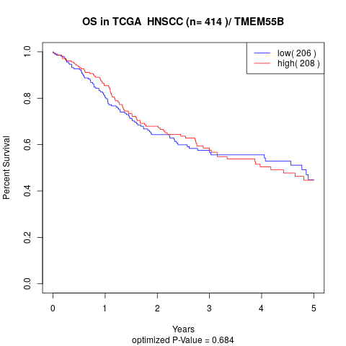

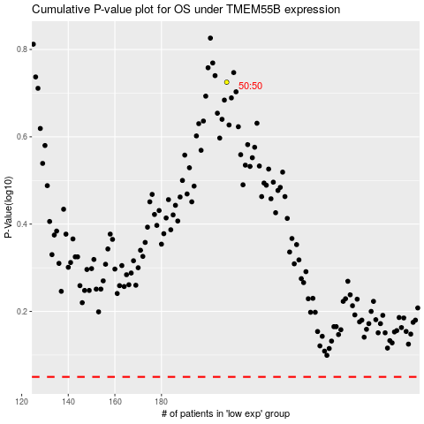

 |  |  |  |  |  | cases_OS | p_OS | rank | exp
 |  |  |  |  |  |  | cases_RFS | p_RFS | rank | exp

