TMEM59L _multivariate
Reported by Tex Li-Hsing Chi. tex@gate.sinica.edu.tw 2019-08-15

Table 2. The clinicopathological features of HNSCC cohort and TMEM59L expression. (Chi square test)
Cutoff at -0.15 (49.8%)
 |  | TMEM59L expression |  | TMEM59L expression |  | (Optimised)
 | Features | Low | (%) | High | (%) | Case no | P-value | Remark | Matthews
Gender | Female | 156 | 37.6 | 150 | 36.1 | 415 | 0.5222 | 0 | 0
2 | Male | 51 | 12.3 | 58 | 14
Age at diagnosis | <=65y | 130 | 31.3 | 144 | 34.7 | 415 | 0.2009 | 0 | 0
4 | >65y | 77 | 18.6 | 64 | 15.4
Clinical T Status | T1+T2 | 79 | 19 | 70 | 16.9 | 415 | 0.3924 | 0 | 0
6 | T3+T4 | 128 | 30.8 | 138 | 33.3
Clinical N Status | N0 | 108 | 26 | 108 | 26 | 415 | 1 | 0 | 0
8 | N1-3 | 99 | 23.9 | 100 | 24.1
Clinical M Status | M0 | 204 | 49.2 | 208 | 50.1 | 415 | 0.1232 | 0 | 0
10 | M1 | 3 | 0.7 | 0 | 0
Clinical Stage | Stage I+II | 51 | 12.3 | 51 | 12.3 | 415 | 1 | 0 | 0
12 | Stage III+IV | 156 | 37.6 | 157 | 37.8
Surgical Margin status | Negative | 158 | 38.1 | 160 | 38.6 | 415 | 0.9081 | 0 | 0
14 | Positive | 49 | 11.8 | 48 | 11.6
Tobacco Exposure | Low | 94 | 22.7 | 67 | 16.1 | 415 | 0.0065 | 1 | 0
16 | High | 113 | 27.2 | 141 | 34

Table 3. Univariate/Multivariate Cox's proportional hazards regression analyses on OS time of TMEM59L gene expression in HNSCC

 |  | Univariate |  |  |  | Multivariate
 | Features | HR | CI95%(L) | CI95%(H) | P-value | HR | CI95%(L) | CI95%(H) | P-value
1 | Female | 1 |  |  |  | 1
Gender | Male | 1.157 | 0.843 | 1.587 | 0.367 | 1.195 | 0.853 | 1.673 | 0.301
11 | <=65y | 1 |  |  |  | 1
Age at diagnosis | >65y | 1.329 | 0.99 | 1.784 | 0.058 | 1.398 | 1.027 | 1.904 | 0.033
12 | T1+T2 | 1 |  |  |  | 1
Clinical T Status | T3+T4 | 1.409 | 1.028 | 1.931 | 0.033 | 2.188 | 1.156 | 4.143 | 0.016
13 | N0 | 1 |  |  |  | 1
Clinical N Status | N1-3 | 1.185 | 0.89 | 1.577 | 0.246 | 1.238 | 0.868 | 1.767 | 0.239
14 | M0 | 1 |  |  |  | 1
Clinical M Status | M1 | 4.097 | 1.009 | 16.644 | 0.049 | 9.563 | 2.078 | 44.009 | 0.004
15 | Stage I+II | 1 |  |  |  | 1
Clinical Stage | Stage III+IV | 1.245 | 0.882 | 1.759 | 0.213 | 0.508 | 0.236 | 1.092 | 0.083
16 | Negative | 1 |  |  |  | 1
Surgical Margin status | Positive | 1.591 | 1.155 | 2.191 | 0.004 | 1.669 | 1.208 | 2.307 | 0.002
17 | Low | 1 |  |  |  | 1
Tobacco Exposure | High | 1.364 | 1.008 | 1.844 | 0.044 | 1.442 | 1.043 | 1.995 | 0.027
18 | Low | 1 |  |  |  | 1
RNAseq(z-score) | High | 1.105 | 0.83 | 1.472 | 0.493 | 1.046 | 0.778 | 1.405 | 0.768

Table 4. Univariate/Multivariate Cox's proportional hazards regression analyses on RFS time of TMEM59L gene expression in HNSCC

 |  | Univariate |  |  |  | Multivariate
 | Features | HR | CI95%(L) | CI95%(H) | P-value | HR | CI95%(L) | CI95%(H) | P-value
1 | Female | 1 |  |  |  | 1
Gender | Male | 1.157 | 0.843 | 1.587 | 0.367 | 1.195 | 0.853 | 1.673 | 0.301
11 | <=65y | 1 |  |  |  | 1
Age at diagnosis | >65y | 1.329 | 0.99 | 1.784 | 0.058 | 1.398 | 1.027 | 1.904 | 0.033
12 | T1+T2 | 1 |  |  |  | 1
Clinical T Status | T3+T4 | 1.409 | 1.028 | 1.931 | 0.033 | 2.188 | 1.156 | 4.143 | 0.016
13 | N0 | 1 |  |  |  | 1
Clinical N Status | N1-3 | 1.185 | 0.89 | 1.577 | 0.246 | 1.238 | 0.868 | 1.767 | 0.239
14 | M0 | 1 |  |  |  | 1
Clinical M Status | M1 | 4.097 | 1.009 | 16.644 | 0.049 | 9.563 | 2.078 | 44.009 | 0.004
15 | Stage I+II | 1 |  |  |  | 1
Clinical Stage | Stage III+IV | 1.245 | 0.882 | 1.759 | 0.213 | 0.508 | 0.236 | 1.092 | 0.083
16 | Negative | 1 |  |  |  | 1
Surgical Margin status | Positive | 1.591 | 1.155 | 2.191 | 0.004 | 1.669 | 1.208 | 2.307 | 0.002
17 | Low | 1 |  |  |  | 1
Tobacco Exposure | High | 1.364 | 1.008 | 1.844 | 0.044 | 1.442 | 1.043 | 1.995 | 0.027
18 | Low | 1 |  |  |  | 1
RNAseq(z-score) | High | 1.105 | 0.83 | 1.472 | 0.493 | 1.046 | 0.778 | 1.405 | 0.768

Kaplan-Meier survival estimate: Cutoff at -0.15 (49.8%)



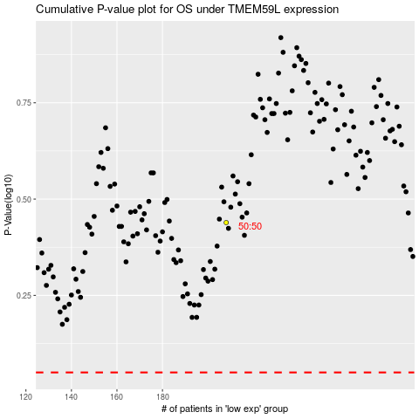

 |  |  |  |  |  | cases_OS | p_OS | rank | exp
 |  |  |  |  |  |  | cases_RFS | p_RFS | rank | exp

