TMEM62 _multivariate
Reported by Tex Li-Hsing Chi. tex@gate.sinica.edu.tw 2019-08-15

Table 2. The clinicopathological features of HNSCC cohort and TMEM62 expression. (Chi square test)
Cutoff at -0.284 (49.8%)
 |  | TMEM62 expression |  | TMEM62 expression |  | (Optimised)
 | Features | Low | (%) | High | (%) | Case no | P-value | Remark | Matthews
Gender | Female | 156 | 37.6 | 150 | 36.1 | 415 | 0.5222 | 0 | 0
2 | Male | 51 | 12.3 | 58 | 14
Age at diagnosis | <=65y | 148 | 35.7 | 126 | 30.4 | 415 | 0.0248 | 1 | 0
4 | >65y | 59 | 14.2 | 82 | 19.8
Clinical T Status | T1+T2 | 75 | 18.1 | 74 | 17.8 | 415 | 0.9707 | 0 | 0
6 | T3+T4 | 132 | 31.8 | 134 | 32.3
Clinical N Status | N0 | 104 | 25.1 | 112 | 27 | 415 | 0.5243 | 0 | 0
8 | N1-3 | 103 | 24.8 | 96 | 23.1
Clinical M Status | M0 | 206 | 49.6 | 206 | 49.6 | 415 | 1 | 0 | 0
10 | M1 | 1 | 0.2 | 2 | 0.5
Clinical Stage | Stage I+II | 53 | 12.8 | 49 | 11.8 | 415 | 0.7113 | 0 | 0
12 | Stage III+IV | 154 | 37.1 | 159 | 38.3
Surgical Margin status | Negative | 167 | 40.2 | 151 | 36.4 | 415 | 0.0632 | 0 | 0
14 | Positive | 40 | 9.6 | 57 | 13.7
Tobacco Exposure | Low | 85 | 20.5 | 76 | 18.3 | 415 | 0.3655 | 0 | 0
16 | High | 122 | 29.4 | 132 | 31.8

Table 3. Univariate/Multivariate Cox's proportional hazards regression analyses on OS time of TMEM62 gene expression in HNSCC

 |  | Univariate |  |  |  | Multivariate
 | Features | HR | CI95%(L) | CI95%(H) | P-value | HR | CI95%(L) | CI95%(H) | P-value
1 | Female | 1 |  |  |  | 1
Gender | Male | 1.157 | 0.843 | 1.587 | 0.367 | 1.215 | 0.869 | 1.7 | 0.256
11 | <=65y | 1 |  |  |  | 1
Age at diagnosis | >65y | 1.329 | 0.99 | 1.784 | 0.058 | 1.401 | 1.031 | 1.905 | 0.031
12 | T1+T2 | 1 |  |  |  | 1
Clinical T Status | T3+T4 | 1.409 | 1.028 | 1.931 | 0.033 | 2.185 | 1.156 | 4.131 | 0.016
13 | N0 | 1 |  |  |  | 1
Clinical N Status | N1-3 | 1.185 | 0.89 | 1.577 | 0.246 | 1.231 | 0.862 | 1.756 | 0.253
14 | M0 | 1 |  |  |  | 1
Clinical M Status | M1 | 4.097 | 1.009 | 16.644 | 0.049 | 9.872 | 2.148 | 45.377 | 0.003
15 | Stage I+II | 1 |  |  |  | 1
Clinical Stage | Stage III+IV | 1.245 | 0.882 | 1.759 | 0.213 | 0.512 | 0.239 | 1.1 | 0.086
16 | Negative | 1 |  |  |  | 1
Surgical Margin status | Positive | 1.591 | 1.155 | 2.191 | 0.004 | 1.71 | 1.234 | 2.369 | 0.001
17 | Low | 1 |  |  |  | 1
Tobacco Exposure | High | 1.364 | 1.008 | 1.844 | 0.044 | 1.471 | 1.066 | 2.031 | 0.019
18 | Low | 1 |  |  |  | 1
RNAseq(z-score) | High | 0.947 | 0.71 | 1.262 | 0.709 | 0.853 | 0.637 | 1.142 | 0.284

Table 4. Univariate/Multivariate Cox's proportional hazards regression analyses on RFS time of TMEM62 gene expression in HNSCC

 |  | Univariate |  |  |  | Multivariate
 | Features | HR | CI95%(L) | CI95%(H) | P-value | HR | CI95%(L) | CI95%(H) | P-value
1 | Female | 1 |  |  |  | 1
Gender | Male | 1.157 | 0.843 | 1.587 | 0.367 | 1.215 | 0.869 | 1.7 | 0.256
11 | <=65y | 1 |  |  |  | 1
Age at diagnosis | >65y | 1.329 | 0.99 | 1.784 | 0.058 | 1.401 | 1.031 | 1.905 | 0.031
12 | T1+T2 | 1 |  |  |  | 1
Clinical T Status | T3+T4 | 1.409 | 1.028 | 1.931 | 0.033 | 2.185 | 1.156 | 4.131 | 0.016
13 | N0 | 1 |  |  |  | 1
Clinical N Status | N1-3 | 1.185 | 0.89 | 1.577 | 0.246 | 1.231 | 0.862 | 1.756 | 0.253
14 | M0 | 1 |  |  |  | 1
Clinical M Status | M1 | 4.097 | 1.009 | 16.644 | 0.049 | 9.872 | 2.148 | 45.377 | 0.003
15 | Stage I+II | 1 |  |  |  | 1
Clinical Stage | Stage III+IV | 1.245 | 0.882 | 1.759 | 0.213 | 0.512 | 0.239 | 1.1 | 0.086
16 | Negative | 1 |  |  |  | 1
Surgical Margin status | Positive | 1.591 | 1.155 | 2.191 | 0.004 | 1.71 | 1.234 | 2.369 | 0.001
17 | Low | 1 |  |  |  | 1
Tobacco Exposure | High | 1.364 | 1.008 | 1.844 | 0.044 | 1.471 | 1.066 | 2.031 | 0.019
18 | Low | 1 |  |  |  | 1
RNAseq(z-score) | High | 0.947 | 0.71 | 1.262 | 0.709 | 0.853 | 0.637 | 1.142 | 0.284

Kaplan-Meier survival estimate: Cutoff at -0.284 (49.8%)



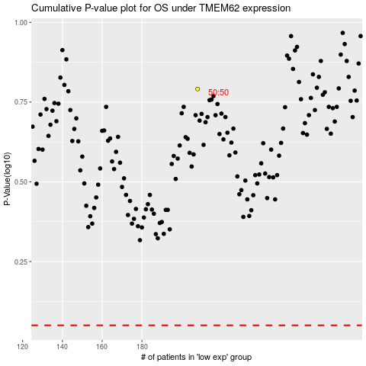

 |  |  |  |  |  | cases_OS | p_OS | rank | exp
 |  |  |  |  |  |  | cases_RFS | p_RFS | rank | exp

