TMEM63A _multivariate
Reported by Tex Li-Hsing Chi. tex@gate.sinica.edu.tw 2019-08-15

Table 2. The clinicopathological features of HNSCC cohort and TMEM63A expression. (Chi square test)
Cutoff at -0.195 (49.8%)
 |  | TMEM63A expression |  | TMEM63A expression |  | (Optimised)
 | Features | Low | (%) | High | (%) | Case no | P-value | Remark | Matthews
Gender | Female | 152 | 36.6 | 154 | 37.1 | 415 | 0.9766 | 0 | 0
2 | Male | 55 | 13.3 | 54 | 13
Age at diagnosis | <=65y | 138 | 33.3 | 136 | 32.8 | 415 | 0.8634 | 0 | 0
4 | >65y | 69 | 16.6 | 72 | 17.3
Clinical T Status | T1+T2 | 62 | 14.9 | 87 | 21 | 415 | 0.0156 | 1 | 0
6 | T3+T4 | 145 | 34.9 | 121 | 29.2
Clinical N Status | N0 | 108 | 26 | 108 | 26 | 415 | 1 | 0 | 0
8 | N1-3 | 99 | 23.9 | 100 | 24.1
Clinical M Status | M0 | 206 | 49.6 | 206 | 49.6 | 415 | 1 | 0 | 0
10 | M1 | 1 | 0.2 | 2 | 0.5
Clinical Stage | Stage I+II | 43 | 10.4 | 59 | 14.2 | 415 | 0.0925 | 0 | 0
12 | Stage III+IV | 164 | 39.5 | 149 | 35.9
Surgical Margin status | Negative | 153 | 36.9 | 165 | 39.8 | 415 | 0.2036 | 0 | 0
14 | Positive | 54 | 13 | 43 | 10.4
Tobacco Exposure | Low | 75 | 18.1 | 86 | 20.7 | 415 | 0.3141 | 0 | 0
16 | High | 132 | 31.8 | 122 | 29.4

Table 3. Univariate/Multivariate Cox's proportional hazards regression analyses on OS time of TMEM63A gene expression in HNSCC

 |  | Univariate |  |  |  | Multivariate
 | Features | HR | CI95%(L) | CI95%(H) | P-value | HR | CI95%(L) | CI95%(H) | P-value
1 | Female | 1 |  |  |  | 1
Gender | Male | 1.157 | 0.843 | 1.587 | 0.367 | 1.193 | 0.853 | 1.668 | 0.303
11 | <=65y | 1 |  |  |  | 1
Age at diagnosis | >65y | 1.329 | 0.99 | 1.784 | 0.058 | 1.392 | 1.024 | 1.891 | 0.035
12 | T1+T2 | 1 |  |  |  | 1
Clinical T Status | T3+T4 | 1.409 | 1.028 | 1.931 | 0.033 | 2.166 | 1.143 | 4.106 | 0.018
13 | N0 | 1 |  |  |  | 1
Clinical N Status | N1-3 | 1.185 | 0.89 | 1.577 | 0.246 | 1.246 | 0.873 | 1.778 | 0.226
14 | M0 | 1 |  |  |  | 1
Clinical M Status | M1 | 4.097 | 1.009 | 16.644 | 0.049 | 9.326 | 2.034 | 42.75 | 0.004
15 | Stage I+II | 1 |  |  |  | 1
Clinical Stage | Stage III+IV | 1.245 | 0.882 | 1.759 | 0.213 | 0.509 | 0.237 | 1.093 | 0.083
16 | Negative | 1 |  |  |  | 1
Surgical Margin status | Positive | 1.591 | 1.155 | 2.191 | 0.004 | 1.656 | 1.197 | 2.291 | 0.002
17 | Low | 1 |  |  |  | 1
Tobacco Exposure | High | 1.364 | 1.008 | 1.844 | 0.044 | 1.437 | 1.04 | 1.984 | 0.028
18 | Low | 1 |  |  |  | 1
RNAseq(z-score) | High | 0.822 | 0.617 | 1.096 | 0.182 | 0.919 | 0.686 | 1.231 | 0.572

Table 4. Univariate/Multivariate Cox's proportional hazards regression analyses on RFS time of TMEM63A gene expression in HNSCC

 |  | Univariate |  |  |  | Multivariate
 | Features | HR | CI95%(L) | CI95%(H) | P-value | HR | CI95%(L) | CI95%(H) | P-value
1 | Female | 1 |  |  |  | 1
Gender | Male | 1.157 | 0.843 | 1.587 | 0.367 | 1.193 | 0.853 | 1.668 | 0.303
11 | <=65y | 1 |  |  |  | 1
Age at diagnosis | >65y | 1.329 | 0.99 | 1.784 | 0.058 | 1.392 | 1.024 | 1.891 | 0.035
12 | T1+T2 | 1 |  |  |  | 1
Clinical T Status | T3+T4 | 1.409 | 1.028 | 1.931 | 0.033 | 2.166 | 1.143 | 4.106 | 0.018
13 | N0 | 1 |  |  |  | 1
Clinical N Status | N1-3 | 1.185 | 0.89 | 1.577 | 0.246 | 1.246 | 0.873 | 1.778 | 0.226
14 | M0 | 1 |  |  |  | 1
Clinical M Status | M1 | 4.097 | 1.009 | 16.644 | 0.049 | 9.326 | 2.034 | 42.75 | 0.004
15 | Stage I+II | 1 |  |  |  | 1
Clinical Stage | Stage III+IV | 1.245 | 0.882 | 1.759 | 0.213 | 0.509 | 0.237 | 1.093 | 0.083
16 | Negative | 1 |  |  |  | 1
Surgical Margin status | Positive | 1.591 | 1.155 | 2.191 | 0.004 | 1.656 | 1.197 | 2.291 | 0.002
17 | Low | 1 |  |  |  | 1
Tobacco Exposure | High | 1.364 | 1.008 | 1.844 | 0.044 | 1.437 | 1.04 | 1.984 | 0.028
18 | Low | 1 |  |  |  | 1
RNAseq(z-score) | High | 0.822 | 0.617 | 1.096 | 0.182 | 0.919 | 0.686 | 1.231 | 0.572

Kaplan-Meier survival estimate: Cutoff at -0.195 (49.8%)

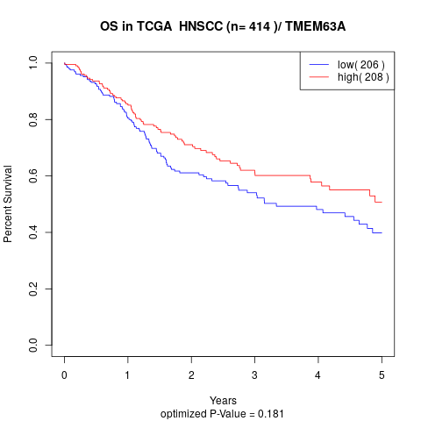

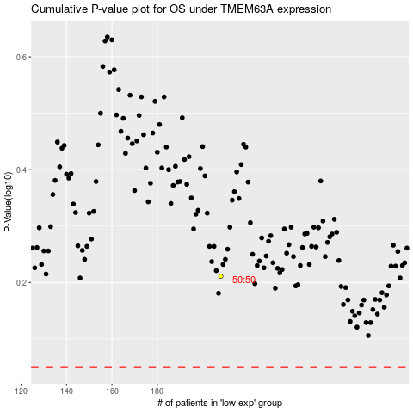

 |  |  |  |  |  | cases_OS | p_OS | rank | exp
 |  |  |  |  |  |  | cases_RFS | p_RFS | rank | exp

