TMEM63C _multivariate
Reported by Tex Li-Hsing Chi. tex@gate.sinica.edu.tw 2019-08-15

Table 2. The clinicopathological features of HNSCC cohort and TMEM63C expression. (Chi square test)
Cutoff at -0.263 (50.0%)
 |  | TMEM63C expression |  | TMEM63C expression |  | (Optimised)
 | Features | Low | (%) | High | (%) | Case no | P-value | Remark | Matthews
Gender | Female | 157 | 37.8 | 149 | 35.9 | 415 | 0.3881 | 0 | 0
2 | Male | 50 | 12 | 59 | 14.2
Age at diagnosis | <=65y | 139 | 33.5 | 135 | 32.5 | 415 | 0.7044 | 0 | 0
4 | >65y | 68 | 16.4 | 73 | 17.6
Clinical T Status | T1+T2 | 94 | 22.7 | 55 | 13.3 | 415 | 1e-04 | 1 | 0
6 | T3+T4 | 113 | 27.2 | 153 | 36.9
Clinical N Status | N0 | 105 | 25.3 | 111 | 26.7 | 415 | 0.6598 | 0 | 0
8 | N1-3 | 102 | 24.6 | 97 | 23.4
Clinical M Status | M0 | 204 | 49.2 | 208 | 50.1 | 415 | 0.1232 | 0 | 0
10 | M1 | 3 | 0.7 | 0 | 0
Clinical Stage | Stage I+II | 62 | 14.9 | 40 | 9.6 | 415 | 0.0154 | 1 | 0
12 | Stage III+IV | 145 | 34.9 | 168 | 40.5
Surgical Margin status | Negative | 143 | 34.5 | 175 | 42.2 | 415 | 3e-04 | 1 | 0
14 | Positive | 64 | 15.4 | 33 | 8
Tobacco Exposure | Low | 87 | 21 | 74 | 17.8 | 415 | 0.1911 | 0 | 0
16 | High | 120 | 28.9 | 134 | 32.3

Table 3. Univariate/Multivariate Cox's proportional hazards regression analyses on OS time of TMEM63C gene expression in HNSCC

 |  | Univariate |  |  |  | Multivariate
 | Features | HR | CI95%(L) | CI95%(H) | P-value | HR | CI95%(L) | CI95%(H) | P-value
1 | Female | 1 |  |  |  | 1
Gender | Male | 1.157 | 0.843 | 1.587 | 0.367 | 1.208 | 0.865 | 1.688 | 0.268
11 | <=65y | 1 |  |  |  | 1
Age at diagnosis | >65y | 1.329 | 0.99 | 1.784 | 0.058 | 1.389 | 1.022 | 1.889 | 0.036
12 | T1+T2 | 1 |  |  |  | 1
Clinical T Status | T3+T4 | 1.409 | 1.028 | 1.931 | 0.033 | 2.233 | 1.178 | 4.23 | 0.014
13 | N0 | 1 |  |  |  | 1
Clinical N Status | N1-3 | 1.185 | 0.89 | 1.577 | 0.246 | 1.231 | 0.862 | 1.758 | 0.252
14 | M0 | 1 |  |  |  | 1
Clinical M Status | M1 | 4.097 | 1.009 | 16.644 | 0.049 | 9.124 | 1.983 | 41.98 | 0.005
15 | Stage I+II | 1 |  |  |  | 1
Clinical Stage | Stage III+IV | 1.245 | 0.882 | 1.759 | 0.213 | 0.509 | 0.237 | 1.094 | 0.084
16 | Negative | 1 |  |  |  | 1
Surgical Margin status | Positive | 1.591 | 1.155 | 2.191 | 0.004 | 1.649 | 1.189 | 2.287 | 0.003
17 | Low | 1 |  |  |  | 1
Tobacco Exposure | High | 1.364 | 1.008 | 1.844 | 0.044 | 1.459 | 1.059 | 2.012 | 0.021
18 | Low | 1 |  |  |  | 1
RNAseq(z-score) | High | 0.93 | 0.698 | 1.239 | 0.62 | 0.921 | 0.683 | 1.242 | 0.588

Table 4. Univariate/Multivariate Cox's proportional hazards regression analyses on RFS time of TMEM63C gene expression in HNSCC

 |  | Univariate |  |  |  | Multivariate
 | Features | HR | CI95%(L) | CI95%(H) | P-value | HR | CI95%(L) | CI95%(H) | P-value
1 | Female | 1 |  |  |  | 1
Gender | Male | 1.157 | 0.843 | 1.587 | 0.367 | 1.208 | 0.865 | 1.688 | 0.268
11 | <=65y | 1 |  |  |  | 1
Age at diagnosis | >65y | 1.329 | 0.99 | 1.784 | 0.058 | 1.389 | 1.022 | 1.889 | 0.036
12 | T1+T2 | 1 |  |  |  | 1
Clinical T Status | T3+T4 | 1.409 | 1.028 | 1.931 | 0.033 | 2.233 | 1.178 | 4.23 | 0.014
13 | N0 | 1 |  |  |  | 1
Clinical N Status | N1-3 | 1.185 | 0.89 | 1.577 | 0.246 | 1.231 | 0.862 | 1.758 | 0.252
14 | M0 | 1 |  |  |  | 1
Clinical M Status | M1 | 4.097 | 1.009 | 16.644 | 0.049 | 9.124 | 1.983 | 41.98 | 0.005
15 | Stage I+II | 1 |  |  |  | 1
Clinical Stage | Stage III+IV | 1.245 | 0.882 | 1.759 | 0.213 | 0.509 | 0.237 | 1.094 | 0.084
16 | Negative | 1 |  |  |  | 1
Surgical Margin status | Positive | 1.591 | 1.155 | 2.191 | 0.004 | 1.649 | 1.189 | 2.287 | 0.003
17 | Low | 1 |  |  |  | 1
Tobacco Exposure | High | 1.364 | 1.008 | 1.844 | 0.044 | 1.459 | 1.059 | 2.012 | 0.021
18 | Low | 1 |  |  |  | 1
RNAseq(z-score) | High | 0.93 | 0.698 | 1.239 | 0.62 | 0.921 | 0.683 | 1.242 | 0.588

Kaplan-Meier survival estimate: Cutoff at -0.263 (50.0%)



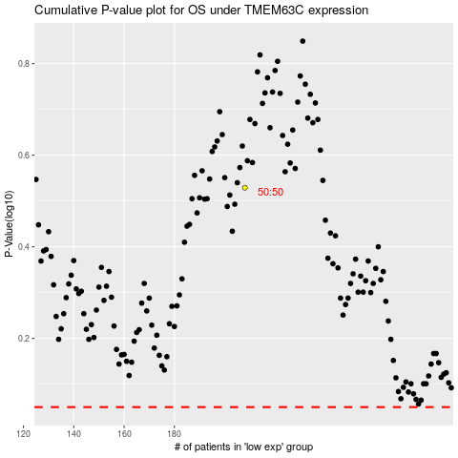

 |  |  |  |  |  | cases_OS | p_OS | rank | exp
 |  |  |  |  |  |  | cases_RFS | p_RFS | rank | exp

