TMEM68 _multivariate
Reported by Tex Li-Hsing Chi. tex@gate.sinica.edu.tw 2019-08-15

Table 2. The clinicopathological features of HNSCC cohort and TMEM68 expression. (Chi square test)
Cutoff at -0.177 (50.0%)
 |  | TMEM68 expression |  | TMEM68 expression |  | (Optimised)
 | Features | Low | (%) | High | (%) | Case no | P-value | Remark | Matthews
Gender | Female | 153 | 36.9 | 153 | 36.9 | 415 | 1 | 0 | 0
2 | Male | 54 | 13 | 55 | 13.3
Age at diagnosis | <=65y | 132 | 31.8 | 142 | 34.2 | 415 | 0.3874 | 0 | 0
4 | >65y | 75 | 18.1 | 66 | 15.9
Clinical T Status | T1+T2 | 72 | 17.3 | 77 | 18.6 | 415 | 0.7095 | 0 | 0
6 | T3+T4 | 135 | 32.5 | 131 | 31.6
Clinical N Status | N0 | 114 | 27.5 | 102 | 24.6 | 415 | 0.2576 | 1 | 0
8 | N1-3 | 93 | 22.4 | 106 | 25.5
Clinical M Status | M0 | 205 | 49.4 | 207 | 49.9 | 415 | 0.6232 | 0 | 0
10 | M1 | 2 | 0.5 | 1 | 0.2
Clinical Stage | Stage I+II | 49 | 11.8 | 53 | 12.8 | 415 | 0.7535 | 0 | 0
12 | Stage III+IV | 158 | 38.1 | 155 | 37.3
Surgical Margin status | Negative | 160 | 38.6 | 158 | 38.1 | 415 | 0.8167 | 0 | 0
14 | Positive | 47 | 11.3 | 50 | 12
Tobacco Exposure | Low | 84 | 20.2 | 77 | 18.6 | 415 | 0.4816 | 0 | 0
16 | High | 123 | 29.6 | 131 | 31.6

Table 3. Univariate/Multivariate Cox's proportional hazards regression analyses on OS time of TMEM68 gene expression in HNSCC

 |  | Univariate |  |  |  | Multivariate
 | Features | HR | CI95%(L) | CI95%(H) | P-value | HR | CI95%(L) | CI95%(H) | P-value
1 | Female | 1 |  |  |  | 1
Gender | Male | 1.157 | 0.843 | 1.587 | 0.367 | 1.191 | 0.852 | 1.665 | 0.305
11 | <=65y | 1 |  |  |  | 1
Age at diagnosis | >65y | 1.329 | 0.99 | 1.784 | 0.058 | 1.416 | 1.04 | 1.927 | 0.027
12 | T1+T2 | 1 |  |  |  | 1
Clinical T Status | T3+T4 | 1.409 | 1.028 | 1.931 | 0.033 | 2.209 | 1.168 | 4.177 | 0.015
13 | N0 | 1 |  |  |  | 1
Clinical N Status | N1-3 | 1.185 | 0.89 | 1.577 | 0.246 | 1.206 | 0.842 | 1.726 | 0.307
14 | M0 | 1 |  |  |  | 1
Clinical M Status | M1 | 4.097 | 1.009 | 16.644 | 0.049 | 9.999 | 2.173 | 46.01 | 0.003
15 | Stage I+II | 1 |  |  |  | 1
Clinical Stage | Stage III+IV | 1.245 | 0.882 | 1.759 | 0.213 | 0.517 | 0.24 | 1.11 | 0.091
16 | Negative | 1 |  |  |  | 1
Surgical Margin status | Positive | 1.591 | 1.155 | 2.191 | 0.004 | 1.661 | 1.202 | 2.295 | 0.002
17 | Low | 1 |  |  |  | 1
Tobacco Exposure | High | 1.364 | 1.008 | 1.844 | 0.044 | 1.423 | 1.031 | 1.963 | 0.032
18 | Low | 1 |  |  |  | 1
RNAseq(z-score) | High | 1.185 | 0.889 | 1.578 | 0.246 | 1.185 | 0.882 | 1.593 | 0.26

Table 4. Univariate/Multivariate Cox's proportional hazards regression analyses on RFS time of TMEM68 gene expression in HNSCC

 |  | Univariate |  |  |  | Multivariate
 | Features | HR | CI95%(L) | CI95%(H) | P-value | HR | CI95%(L) | CI95%(H) | P-value
1 | Female | 1 |  |  |  | 1
Gender | Male | 1.157 | 0.843 | 1.587 | 0.367 | 1.191 | 0.852 | 1.665 | 0.305
11 | <=65y | 1 |  |  |  | 1
Age at diagnosis | >65y | 1.329 | 0.99 | 1.784 | 0.058 | 1.416 | 1.04 | 1.927 | 0.027
12 | T1+T2 | 1 |  |  |  | 1
Clinical T Status | T3+T4 | 1.409 | 1.028 | 1.931 | 0.033 | 2.209 | 1.168 | 4.177 | 0.015
13 | N0 | 1 |  |  |  | 1
Clinical N Status | N1-3 | 1.185 | 0.89 | 1.577 | 0.246 | 1.206 | 0.842 | 1.726 | 0.307
14 | M0 | 1 |  |  |  | 1
Clinical M Status | M1 | 4.097 | 1.009 | 16.644 | 0.049 | 9.999 | 2.173 | 46.01 | 0.003
15 | Stage I+II | 1 |  |  |  | 1
Clinical Stage | Stage III+IV | 1.245 | 0.882 | 1.759 | 0.213 | 0.517 | 0.24 | 1.11 | 0.091
16 | Negative | 1 |  |  |  | 1
Surgical Margin status | Positive | 1.591 | 1.155 | 2.191 | 0.004 | 1.661 | 1.202 | 2.295 | 0.002
17 | Low | 1 |  |  |  | 1
Tobacco Exposure | High | 1.364 | 1.008 | 1.844 | 0.044 | 1.423 | 1.031 | 1.963 | 0.032
18 | Low | 1 |  |  |  | 1
RNAseq(z-score) | High | 1.185 | 0.889 | 1.578 | 0.246 | 1.185 | 0.882 | 1.593 | 0.26

Kaplan-Meier survival estimate: Cutoff at -0.177 (50.0%)



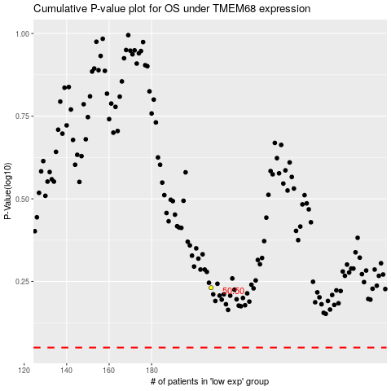

 |  |  |  |  |  | cases_OS | p_OS | rank | exp
 |  |  |  |  |  |  | cases_RFS | p_RFS | rank | exp

