TMEM69 _multivariate
Reported by Tex Li-Hsing Chi. tex@gate.sinica.edu.tw 2019-08-15

Table 2. The clinicopathological features of HNSCC cohort and TMEM69 expression. (Chi square test)
Cutoff at -0.148 (49.8%)
 |  | TMEM69 expression |  | TMEM69 expression |  | (Optimised)
 | Features | Low | (%) | High | (%) | Case no | P-value | Remark | Matthews
Gender | Female | 149 | 35.9 | 157 | 37.8 | 415 | 0.4848 | 0 | 0
2 | Male | 58 | 14 | 51 | 12.3
Age at diagnosis | <=65y | 136 | 32.8 | 138 | 33.3 | 415 | 0.9719 | 0 | 0
4 | >65y | 71 | 17.1 | 70 | 16.9
Clinical T Status | T1+T2 | 76 | 18.3 | 73 | 17.6 | 415 | 0.8092 | 0 | 0
6 | T3+T4 | 131 | 31.6 | 135 | 32.5
Clinical N Status | N0 | 110 | 26.5 | 106 | 25.5 | 415 | 0.7294 | 0 | 0
8 | N1-3 | 97 | 23.4 | 102 | 24.6
Clinical M Status | M0 | 207 | 49.9 | 205 | 49.4 | 415 | 0.2482 | 0 | 0
10 | M1 | 0 | 0 | 3 | 0.7
Clinical Stage | Stage I+II | 55 | 13.3 | 47 | 11.3 | 415 | 0.4087 | 0 | 0
12 | Stage III+IV | 152 | 36.6 | 161 | 38.8
Surgical Margin status | Negative | 166 | 40 | 152 | 36.6 | 415 | 0.1042 | 0 | 0
14 | Positive | 41 | 9.9 | 56 | 13.5
Tobacco Exposure | Low | 88 | 21.2 | 73 | 17.6 | 415 | 0.1314 | 0 | 0
16 | High | 119 | 28.7 | 135 | 32.5

Table 3. Univariate/Multivariate Cox's proportional hazards regression analyses on OS time of TMEM69 gene expression in HNSCC

 |  | Univariate |  |  |  | Multivariate
 | Features | HR | CI95%(L) | CI95%(H) | P-value | HR | CI95%(L) | CI95%(H) | P-value
1 | Female | 1 |  |  |  | 1
Gender | Male | 1.157 | 0.843 | 1.587 | 0.367 | 1.211 | 0.866 | 1.693 | 0.262
11 | <=65y | 1 |  |  |  | 1
Age at diagnosis | >65y | 1.329 | 0.99 | 1.784 | 0.058 | 1.391 | 1.023 | 1.891 | 0.035
12 | T1+T2 | 1 |  |  |  | 1
Clinical T Status | T3+T4 | 1.409 | 1.028 | 1.931 | 0.033 | 2.193 | 1.16 | 4.149 | 0.016
13 | N0 | 1 |  |  |  | 1
Clinical N Status | N1-3 | 1.185 | 0.89 | 1.577 | 0.246 | 1.235 | 0.865 | 1.763 | 0.245
14 | M0 | 1 |  |  |  | 1
Clinical M Status | M1 | 4.097 | 1.009 | 16.644 | 0.049 | 9.872 | 2.138 | 45.59 | 0.003
15 | Stage I+II | 1 |  |  |  | 1
Clinical Stage | Stage III+IV | 1.245 | 0.882 | 1.759 | 0.213 | 0.51 | 0.237 | 1.096 | 0.085
16 | Negative | 1 |  |  |  | 1
Surgical Margin status | Positive | 1.591 | 1.155 | 2.191 | 0.004 | 1.685 | 1.218 | 2.331 | 0.002
17 | Low | 1 |  |  |  | 1
Tobacco Exposure | High | 1.364 | 1.008 | 1.844 | 0.044 | 1.463 | 1.061 | 2.016 | 0.02
18 | Low | 1 |  |  |  | 1
RNAseq(z-score) | High | 0.99 | 0.743 | 1.318 | 0.944 | 0.909 | 0.679 | 1.215 | 0.518

Table 4. Univariate/Multivariate Cox's proportional hazards regression analyses on RFS time of TMEM69 gene expression in HNSCC

 |  | Univariate |  |  |  | Multivariate
 | Features | HR | CI95%(L) | CI95%(H) | P-value | HR | CI95%(L) | CI95%(H) | P-value
1 | Female | 1 |  |  |  | 1
Gender | Male | 1.157 | 0.843 | 1.587 | 0.367 | 1.211 | 0.866 | 1.693 | 0.262
11 | <=65y | 1 |  |  |  | 1
Age at diagnosis | >65y | 1.329 | 0.99 | 1.784 | 0.058 | 1.391 | 1.023 | 1.891 | 0.035
12 | T1+T2 | 1 |  |  |  | 1
Clinical T Status | T3+T4 | 1.409 | 1.028 | 1.931 | 0.033 | 2.193 | 1.16 | 4.149 | 0.016
13 | N0 | 1 |  |  |  | 1
Clinical N Status | N1-3 | 1.185 | 0.89 | 1.577 | 0.246 | 1.235 | 0.865 | 1.763 | 0.245
14 | M0 | 1 |  |  |  | 1
Clinical M Status | M1 | 4.097 | 1.009 | 16.644 | 0.049 | 9.872 | 2.138 | 45.59 | 0.003
15 | Stage I+II | 1 |  |  |  | 1
Clinical Stage | Stage III+IV | 1.245 | 0.882 | 1.759 | 0.213 | 0.51 | 0.237 | 1.096 | 0.085
16 | Negative | 1 |  |  |  | 1
Surgical Margin status | Positive | 1.591 | 1.155 | 2.191 | 0.004 | 1.685 | 1.218 | 2.331 | 0.002
17 | Low | 1 |  |  |  | 1
Tobacco Exposure | High | 1.364 | 1.008 | 1.844 | 0.044 | 1.463 | 1.061 | 2.016 | 0.02
18 | Low | 1 |  |  |  | 1
RNAseq(z-score) | High | 0.99 | 0.743 | 1.318 | 0.944 | 0.909 | 0.679 | 1.215 | 0.518

Kaplan-Meier survival estimate: Cutoff at -0.148 (49.8%)



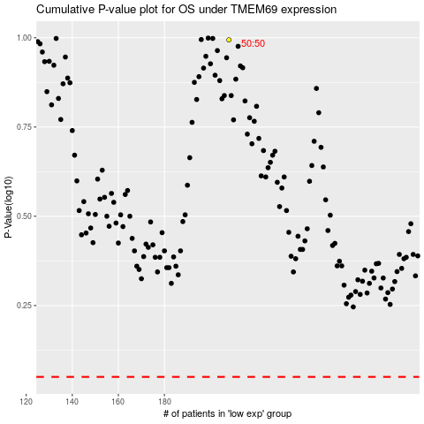

 |  |  |  |  |  | cases_OS | p_OS | rank | exp
 |  |  |  |  |  |  | cases_RFS | p_RFS | rank | exp

