TMEM79 _multivariate
Reported by Tex Li-Hsing Chi. tex@gate.sinica.edu.tw 2019-08-15

Table 2. The clinicopathological features of HNSCC cohort and TMEM79 expression. (Chi square test)
Cutoff at -0.02 (61.6%)
 |  | TMEM79 expression |  | TMEM79 expression |  | (Optimised)
 | Features | Low | (%) | High | (%) | Case no | P-value | Remark | Matthews
Gender | Female | 192 | 46.3 | 114 | 27.5 | 415 | 0.4257 | 0 | 0
2 | Male | 63 | 15.2 | 46 | 11.1
Age at diagnosis | <=65y | 168 | 40.5 | 106 | 25.5 | 415 | 1 | 0 | 0
4 | >65y | 87 | 21 | 54 | 13
Clinical T Status | T1+T2 | 95 | 22.9 | 54 | 13 | 415 | 0.5357 | 0 | 0
6 | T3+T4 | 160 | 38.6 | 106 | 25.5
Clinical N Status | N0 | 126 | 30.4 | 90 | 21.7 | 415 | 0.209 | 0 | 0
8 | N1-3 | 129 | 31.1 | 70 | 16.9
Clinical M Status | M0 | 254 | 61.2 | 158 | 38.1 | 415 | 0.5619 | 0 | 0
10 | M1 | 1 | 0.2 | 2 | 0.5
Clinical Stage | Stage I+II | 63 | 15.2 | 39 | 9.4 | 415 | 1 | 0 | 0
12 | Stage III+IV | 192 | 46.3 | 121 | 29.2
Surgical Margin status | Negative | 194 | 46.7 | 124 | 29.9 | 415 | 0.8119 | 0 | 0
14 | Positive | 61 | 14.7 | 36 | 8.7
Tobacco Exposure | Low | 90 | 21.7 | 71 | 17.1 | 415 | 0.0784 | 0 | 0
16 | High | 165 | 39.8 | 89 | 21.4

Table 3. Univariate/Multivariate Cox's proportional hazards regression analyses on OS time of TMEM79 gene expression in HNSCC

 |  | Univariate |  |  |  | Multivariate
 | Features | HR | CI95%(L) | CI95%(H) | P-value | HR | CI95%(L) | CI95%(H) | P-value
1 | Female | 1 |  |  |  | 1
Gender | Male | 1.157 | 0.843 | 1.587 | 0.367 | 1.226 | 0.877 | 1.713 | 0.233
11 | <=65y | 1 |  |  |  | 1
Age at diagnosis | >65y | 1.329 | 0.99 | 1.784 | 0.058 | 1.413 | 1.039 | 1.922 | 0.028
12 | T1+T2 | 1 |  |  |  | 1
Clinical T Status | T3+T4 | 1.409 | 1.028 | 1.931 | 0.033 | 2.265 | 1.198 | 4.282 | 0.012
13 | N0 | 1 |  |  |  | 1
Clinical N Status | N1-3 | 1.185 | 0.89 | 1.577 | 0.246 | 1.17 | 0.816 | 1.676 | 0.393
14 | M0 | 1 |  |  |  | 1
Clinical M Status | M1 | 4.097 | 1.009 | 16.644 | 0.049 | 11.729 | 2.531 | 54.349 | 0.002
15 | Stage I+II | 1 |  |  |  | 1
Clinical Stage | Stage III+IV | 1.245 | 0.882 | 1.759 | 0.213 | 0.5 | 0.233 | 1.072 | 0.075
16 | Negative | 1 |  |  |  | 1
Surgical Margin status | Positive | 1.591 | 1.155 | 2.191 | 0.004 | 1.692 | 1.224 | 2.338 | 0.001
17 | Low | 1 |  |  |  | 1
Tobacco Exposure | High | 1.364 | 1.008 | 1.844 | 0.044 | 1.416 | 1.028 | 1.951 | 0.033
18 | Low | 1 |  |  |  | 1
RNAseq(z-score) | High | 0.699 | 0.514 | 0.951 | 0.022 | 0.678 | 0.495 | 0.928 | 0.015

Table 4. Univariate/Multivariate Cox's proportional hazards regression analyses on RFS time of TMEM79 gene expression in HNSCC

 |  | Univariate |  |  |  | Multivariate
 | Features | HR | CI95%(L) | CI95%(H) | P-value | HR | CI95%(L) | CI95%(H) | P-value
1 | Female | 1 |  |  |  | 1
Gender | Male | 1.157 | 0.843 | 1.587 | 0.367 | 1.226 | 0.877 | 1.713 | 0.233
11 | <=65y | 1 |  |  |  | 1
Age at diagnosis | >65y | 1.329 | 0.99 | 1.784 | 0.058 | 1.413 | 1.039 | 1.922 | 0.028
12 | T1+T2 | 1 |  |  |  | 1
Clinical T Status | T3+T4 | 1.409 | 1.028 | 1.931 | 0.033 | 2.265 | 1.198 | 4.282 | 0.012
13 | N0 | 1 |  |  |  | 1
Clinical N Status | N1-3 | 1.185 | 0.89 | 1.577 | 0.246 | 1.17 | 0.816 | 1.676 | 0.393
14 | M0 | 1 |  |  |  | 1
Clinical M Status | M1 | 4.097 | 1.009 | 16.644 | 0.049 | 11.729 | 2.531 | 54.349 | 0.002
15 | Stage I+II | 1 |  |  |  | 1
Clinical Stage | Stage III+IV | 1.245 | 0.882 | 1.759 | 0.213 | 0.5 | 0.233 | 1.072 | 0.075
16 | Negative | 1 |  |  |  | 1
Surgical Margin status | Positive | 1.591 | 1.155 | 2.191 | 0.004 | 1.692 | 1.224 | 2.338 | 0.001
17 | Low | 1 |  |  |  | 1
Tobacco Exposure | High | 1.364 | 1.008 | 1.844 | 0.044 | 1.416 | 1.028 | 1.951 | 0.033
18 | Low | 1 |  |  |  | 1
RNAseq(z-score) | High | 0.699 | 0.514 | 0.951 | 0.022 | 0.678 | 0.495 | 0.928 | 0.015

Kaplan-Meier survival estimate: Cutoff at -0.02 (61.6%)

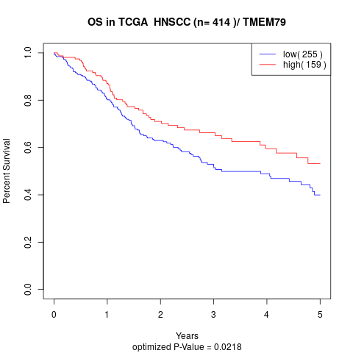

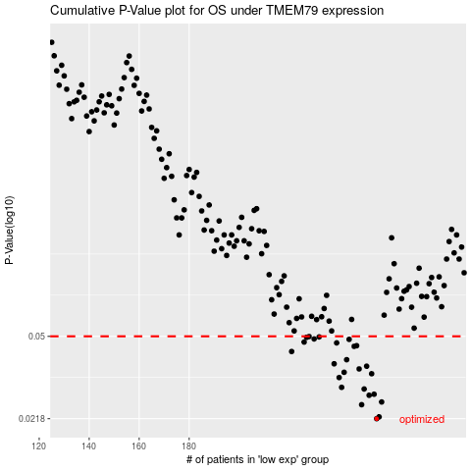

 |  |  |  |  |  | cases_OS | p_OS | rank | exp
 |  |  |  |  |  | 255 | 0.0218 | 277 | -0.019712773716
 |  |  |  |  |  | 256 | 0.0222 | 11 | -0.018557116277
 |  |  |  |  |  | 249 | 0.0251 | 156 | -0.061539003259
 |  |  |  |  |  | 257 | 0.0258 | 245 | -0.018011524981
 |  |  |  |  |  | 252 | 0.0276 | 84 | -0.044568709373
 |  |  |  |  |  | 254 | 0.0279 | 161 | -0.026388365271
 |  |  |  |  |  | 250 | 0.0294 | 149 | -0.054658796064
 |  |  |  |  |  | 241 | 0.0299 | 293 | -0.10602568982
 |  |  |  |  |  | 240 | 0.033 | 72 | -0.11330696181
 |  |  |  |  |  | 253 | 0.0343 | 56 | -0.04068892664
 |  |  |  |  |  | 242 | 0.0348 | 351 | -0.088030250904
 |  |  |  |  |  | 248 | 0.036 | 85 | -0.062397995746
 |  |  |  |  |  | 251 | 0.037 | 52 | -0.054238726557
 |  |  |  |  |  | 238 | 0.0379 | 6 | -0.12531531383
 |  |  |  |  |  | 243 | 0.0395 | 34 | -0.08643496474
 |  |  |  |  |  | 221 | 0.0429 | 128 | -0.25682620662
 |  |  |  |  |  | 246 | 0.0452 | 358 | -0.067536726741
 |  |  |  |  |  | 247 | 0.0455 | 369 | -0.067477746623
 |  |  |  |  |  | 239 | 0.0468 | 216 | -0.11416857564
 |  |  |  |  |  | 226 | 0.0472 | 304 | -0.24059417242
 |  |  |  |  |  | 244 | 0.0485 | 139 | -0.086375833391
 |  |  |  |  |  | 230 | 0.0487 | 233 | -0.21622283152
 |  |  |  |  |  | 227 | 0.0495 | 259 | -0.2367869806
 |  |  |  |  |  | 232 | 0.0497 | 14 | -0.18106049833
 |  |  |  |  |  | 228 | 0.0499 | 152 | -0.22588977368
 |  |  |  |  |  |  | cases_RFS | p_RFS | rank | exp
 |  |  |  |  |  |  | 254 | 0.0218 | 161 | -0.026388365271
 |  |  |  |  |  |  | 255 | 0.0222 | 277 | -0.019712773716
 |  |  |  |  |  |  | 248 | 0.0251 | 85 | -0.062397995746
 |  |  |  |  |  |  | 256 | 0.0258 | 11 | -0.018557116277
 |  |  |  |  |  |  | 251 | 0.0276 | 52 | -0.054238726557
 |  |  |  |  |  |  | 253 | 0.0279 | 56 | -0.04068892664
 |  |  |  |  |  |  | 249 | 0.0294 | 156 | -0.061539003259
 |  |  |  |  |  |  | 240 | 0.0299 | 72 | -0.11330696181
 |  |  |  |  |  |  | 239 | 0.033 | 216 | -0.11416857564
 |  |  |  |  |  |  | 252 | 0.0343 | 84 | -0.044568709373
 |  |  |  |  |  |  | 241 | 0.0348 | 293 | -0.10602568982
 |  |  |  |  |  |  | 247 | 0.036 | 369 | -0.067477746623
 |  |  |  |  |  |  | 250 | 0.037 | 149 | -0.054658796064
 |  |  |  |  |  |  | 237 | 0.0379 | 201 | -0.13317045733
 |  |  |  |  |  |  | 242 | 0.0395 | 351 | -0.088030250904
 |  |  |  |  |  |  | 220 | 0.0429 | 355 | -0.26045877696
 |  |  |  |  |  |  | 245 | 0.0452 | 372 | -0.067784493647
 |  |  |  |  |  |  | 246 | 0.0455 | 358 | -0.067536726741
 |  |  |  |  |  |  | 238 | 0.0468 | 6 | -0.12531531383
 |  |  |  |  |  |  | 225 | 0.0472 | 385 | -0.24221264735
 |  |  |  |  |  |  | 243 | 0.0485 | 34 | -0.08643496474
 |  |  |  |  |  |  | 229 | 0.0487 | 181 | -0.21647180828
 |  |  |  |  |  |  | 226 | 0.0495 | 304 | -0.24059417242
 |  |  |  |  |  |  | 231 | 0.0497 | 267 | -0.19915993381
 |  |  |  |  |  |  | 227 | 0.0499 | 259 | -0.2367869806

