TMEM84 _multivariate
Reported by Tex Li-Hsing Chi. tex@gate.sinica.edu.tw 2019-08-15

Table 2. The clinicopathological features of HNSCC cohort and TMEM84 expression. (Chi square test)
Cutoff at -0.186 (49.8%)
 |  | TMEM84 expression |  | TMEM84 expression |  | (Optimised)
 | Features | Low | (%) | High | (%) | Case no | P-value | Remark | Matthews
Gender | Female | 141 | 34 | 165 | 39.8 | 415 | 0.013 | 1 | 0
2 | Male | 66 | 15.9 | 43 | 10.4
Age at diagnosis | <=65y | 127 | 30.6 | 147 | 35.4 | 415 | 0.0573 | 0 | 0
4 | >65y | 80 | 19.3 | 61 | 14.7
Clinical T Status | T1+T2 | 76 | 18.3 | 73 | 17.6 | 415 | 0.8092 | 0 | 0
6 | T3+T4 | 131 | 31.6 | 135 | 32.5
Clinical N Status | N0 | 118 | 28.4 | 98 | 23.6 | 415 | 0.0551 | 1 | 0
8 | N1-3 | 89 | 21.4 | 110 | 26.5
Clinical M Status | M0 | 205 | 49.4 | 207 | 49.9 | 415 | 0.6232 | 0 | 0
10 | M1 | 2 | 0.5 | 1 | 0.2
Clinical Stage | Stage I+II | 56 | 13.5 | 46 | 11.1 | 415 | 0.2918 | 0 | 0
12 | Stage III+IV | 151 | 36.4 | 162 | 39
Surgical Margin status | Negative | 165 | 39.8 | 153 | 36.9 | 415 | 0.1639 | 0 | 0
14 | Positive | 42 | 10.1 | 55 | 13.3
Tobacco Exposure | Low | 93 | 22.4 | 68 | 16.4 | 415 | 0.0118 | 1 | 0
16 | High | 114 | 27.5 | 140 | 33.7

Table 3. Univariate/Multivariate Cox's proportional hazards regression analyses on OS time of TMEM84 gene expression in HNSCC

 |  | Univariate |  |  |  | Multivariate
 | Features | HR | CI95%(L) | CI95%(H) | P-value | HR | CI95%(L) | CI95%(H) | P-value
1 | Female | 1 |  |  |  | 1
Gender | Male | 1.157 | 0.843 | 1.587 | 0.367 | 1.224 | 0.874 | 1.713 | 0.24
11 | <=65y | 1 |  |  |  | 1
Age at diagnosis | >65y | 1.329 | 0.99 | 1.784 | 0.058 | 1.404 | 1.032 | 1.912 | 0.031
12 | T1+T2 | 1 |  |  |  | 1
Clinical T Status | T3+T4 | 1.409 | 1.028 | 1.931 | 0.033 | 2.207 | 1.167 | 4.174 | 0.015
13 | N0 | 1 |  |  |  | 1
Clinical N Status | N1-3 | 1.185 | 0.89 | 1.577 | 0.246 | 1.217 | 0.85 | 1.741 | 0.284
14 | M0 | 1 |  |  |  | 1
Clinical M Status | M1 | 4.097 | 1.009 | 16.644 | 0.049 | 9.734 | 2.119 | 44.708 | 0.003
15 | Stage I+II | 1 |  |  |  | 1
Clinical Stage | Stage III+IV | 1.245 | 0.882 | 1.759 | 0.213 | 0.5 | 0.233 | 1.074 | 0.076
16 | Negative | 1 |  |  |  | 1
Surgical Margin status | Positive | 1.591 | 1.155 | 2.191 | 0.004 | 1.654 | 1.196 | 2.287 | 0.002
17 | Low | 1 |  |  |  | 1
Tobacco Exposure | High | 1.364 | 1.008 | 1.844 | 0.044 | 1.427 | 1.034 | 1.971 | 0.031
18 | Low | 1 |  |  |  | 1
RNAseq(z-score) | High | 1.189 | 0.892 | 1.585 | 0.238 | 1.149 | 0.851 | 1.553 | 0.364

Table 4. Univariate/Multivariate Cox's proportional hazards regression analyses on RFS time of TMEM84 gene expression in HNSCC

 |  | Univariate |  |  |  | Multivariate
 | Features | HR | CI95%(L) | CI95%(H) | P-value | HR | CI95%(L) | CI95%(H) | P-value
1 | Female | 1 |  |  |  | 1
Gender | Male | 1.157 | 0.843 | 1.587 | 0.367 | 1.224 | 0.874 | 1.713 | 0.24
11 | <=65y | 1 |  |  |  | 1
Age at diagnosis | >65y | 1.329 | 0.99 | 1.784 | 0.058 | 1.404 | 1.032 | 1.912 | 0.031
12 | T1+T2 | 1 |  |  |  | 1
Clinical T Status | T3+T4 | 1.409 | 1.028 | 1.931 | 0.033 | 2.207 | 1.167 | 4.174 | 0.015
13 | N0 | 1 |  |  |  | 1
Clinical N Status | N1-3 | 1.185 | 0.89 | 1.577 | 0.246 | 1.217 | 0.85 | 1.741 | 0.284
14 | M0 | 1 |  |  |  | 1
Clinical M Status | M1 | 4.097 | 1.009 | 16.644 | 0.049 | 9.734 | 2.119 | 44.708 | 0.003
15 | Stage I+II | 1 |  |  |  | 1
Clinical Stage | Stage III+IV | 1.245 | 0.882 | 1.759 | 0.213 | 0.5 | 0.233 | 1.074 | 0.076
16 | Negative | 1 |  |  |  | 1
Surgical Margin status | Positive | 1.591 | 1.155 | 2.191 | 0.004 | 1.654 | 1.196 | 2.287 | 0.002
17 | Low | 1 |  |  |  | 1
Tobacco Exposure | High | 1.364 | 1.008 | 1.844 | 0.044 | 1.427 | 1.034 | 1.971 | 0.031
18 | Low | 1 |  |  |  | 1
RNAseq(z-score) | High | 1.189 | 0.892 | 1.585 | 0.238 | 1.149 | 0.851 | 1.553 | 0.364

Kaplan-Meier survival estimate: Cutoff at -0.186 (49.8%)



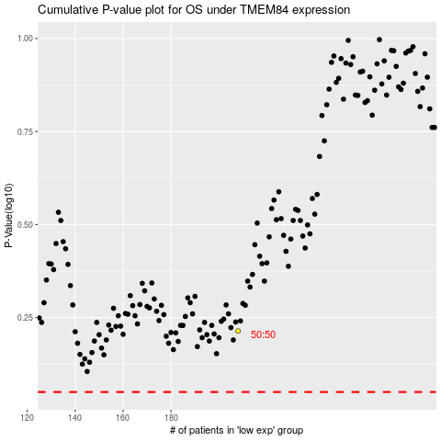

 |  |  |  |  |  | cases_OS | p_OS | rank | exp
 |  |  |  |  |  |  | cases_RFS | p_RFS | rank | exp

