TMEM86A _multivariate
Reported by Tex Li-Hsing Chi. tex@gate.sinica.edu.tw 2019-08-15

Table 2. The clinicopathological features of HNSCC cohort and TMEM86A expression. (Chi square test)
Cutoff at -0.307 (50.0%)
 |  | TMEM86A expression |  | TMEM86A expression |  | (Optimised)
 | Features | Low | (%) | High | (%) | Case no | P-value | Remark | Matthews
Gender | Female | 165 | 39.8 | 141 | 34 | 415 | 0.0081 | 1 | 0
2 | Male | 42 | 10.1 | 67 | 16.1
Age at diagnosis | <=65y | 141 | 34 | 133 | 32 | 415 | 0.4272 | 0 | 0
4 | >65y | 66 | 15.9 | 75 | 18.1
Clinical T Status | T1+T2 | 73 | 17.6 | 76 | 18.3 | 415 | 0.8666 | 0 | 0
6 | T3+T4 | 134 | 32.3 | 132 | 31.8
Clinical N Status | N0 | 110 | 26.5 | 106 | 25.5 | 415 | 0.7294 | 0 | 0
8 | N1-3 | 97 | 23.4 | 102 | 24.6
Clinical M Status | M0 | 206 | 49.6 | 206 | 49.6 | 415 | 1 | 0 | 0
10 | M1 | 1 | 0.2 | 2 | 0.5
Clinical Stage | Stage I+II | 48 | 11.6 | 54 | 13 | 415 | 0.5878 | 0 | 0
12 | Stage III+IV | 159 | 38.3 | 154 | 37.1
Surgical Margin status | Negative | 156 | 37.6 | 162 | 39 | 415 | 0.5636 | 0 | 0
14 | Positive | 51 | 12.3 | 46 | 11.1
Tobacco Exposure | Low | 63 | 15.2 | 98 | 23.6 | 415 | 6e-04 | 1 | 0
16 | High | 144 | 34.7 | 110 | 26.5

Table 3. Univariate/Multivariate Cox's proportional hazards regression analyses on OS time of TMEM86A gene expression in HNSCC

 |  | Univariate |  |  |  | Multivariate
 | Features | HR | CI95%(L) | CI95%(H) | P-value | HR | CI95%(L) | CI95%(H) | P-value
1 | Female | 1 |  |  |  | 1
Gender | Male | 1.157 | 0.843 | 1.587 | 0.367 | 1.216 | 0.868 | 1.703 | 0.255
11 | <=65y | 1 |  |  |  | 1
Age at diagnosis | >65y | 1.329 | 0.99 | 1.784 | 0.058 | 1.393 | 1.025 | 1.893 | 0.034
12 | T1+T2 | 1 |  |  |  | 1
Clinical T Status | T3+T4 | 1.409 | 1.028 | 1.931 | 0.033 | 2.223 | 1.175 | 4.208 | 0.014
13 | N0 | 1 |  |  |  | 1
Clinical N Status | N1-3 | 1.185 | 0.89 | 1.577 | 0.246 | 1.249 | 0.875 | 1.784 | 0.22
14 | M0 | 1 |  |  |  | 1
Clinical M Status | M1 | 4.097 | 1.009 | 16.644 | 0.049 | 9.753 | 2.116 | 44.947 | 0.003
15 | Stage I+II | 1 |  |  |  | 1
Clinical Stage | Stage III+IV | 1.245 | 0.882 | 1.759 | 0.213 | 0.495 | 0.23 | 1.066 | 0.072
16 | Negative | 1 |  |  |  | 1
Surgical Margin status | Positive | 1.591 | 1.155 | 2.191 | 0.004 | 1.678 | 1.214 | 2.319 | 0.002
17 | Low | 1 |  |  |  | 1
Tobacco Exposure | High | 1.364 | 1.008 | 1.844 | 0.044 | 1.428 | 1.031 | 1.978 | 0.032
18 | Low | 1 |  |  |  | 1
RNAseq(z-score) | High | 0.926 | 0.694 | 1.235 | 0.6 | 0.918 | 0.679 | 1.241 | 0.577

Table 4. Univariate/Multivariate Cox's proportional hazards regression analyses on RFS time of TMEM86A gene expression in HNSCC

 |  | Univariate |  |  |  | Multivariate
 | Features | HR | CI95%(L) | CI95%(H) | P-value | HR | CI95%(L) | CI95%(H) | P-value
1 | Female | 1 |  |  |  | 1
Gender | Male | 1.157 | 0.843 | 1.587 | 0.367 | 1.216 | 0.868 | 1.703 | 0.255
11 | <=65y | 1 |  |  |  | 1
Age at diagnosis | >65y | 1.329 | 0.99 | 1.784 | 0.058 | 1.393 | 1.025 | 1.893 | 0.034
12 | T1+T2 | 1 |  |  |  | 1
Clinical T Status | T3+T4 | 1.409 | 1.028 | 1.931 | 0.033 | 2.223 | 1.175 | 4.208 | 0.014
13 | N0 | 1 |  |  |  | 1
Clinical N Status | N1-3 | 1.185 | 0.89 | 1.577 | 0.246 | 1.249 | 0.875 | 1.784 | 0.22
14 | M0 | 1 |  |  |  | 1
Clinical M Status | M1 | 4.097 | 1.009 | 16.644 | 0.049 | 9.753 | 2.116 | 44.947 | 0.003
15 | Stage I+II | 1 |  |  |  | 1
Clinical Stage | Stage III+IV | 1.245 | 0.882 | 1.759 | 0.213 | 0.495 | 0.23 | 1.066 | 0.072
16 | Negative | 1 |  |  |  | 1
Surgical Margin status | Positive | 1.591 | 1.155 | 2.191 | 0.004 | 1.678 | 1.214 | 2.319 | 0.002
17 | Low | 1 |  |  |  | 1
Tobacco Exposure | High | 1.364 | 1.008 | 1.844 | 0.044 | 1.428 | 1.031 | 1.978 | 0.032
18 | Low | 1 |  |  |  | 1
RNAseq(z-score) | High | 0.926 | 0.694 | 1.235 | 0.6 | 0.918 | 0.679 | 1.241 | 0.577

Kaplan-Meier survival estimate: Cutoff at -0.307 (50.0%)



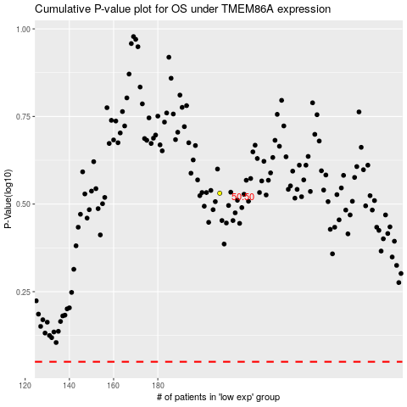

 |  |  |  |  |  | cases_OS | p_OS | rank | exp
 |  |  |  |  |  |  | cases_RFS | p_RFS | rank | exp

