TMEM86B _multivariate
Reported by Tex Li-Hsing Chi. tex@gate.sinica.edu.tw 2019-08-15

Table 2. The clinicopathological features of HNSCC cohort and TMEM86B expression. (Chi square test)
Cutoff at -0.219 (53.9%)
 |  | TMEM86B expression |  | TMEM86B expression |  | (Optimised)
 | Features | Low | (%) | High | (%) | Case no | P-value | Remark | Matthews
Gender | Female | 159 | 38.3 | 147 | 35.4 | 415 | 0.2702 | 0 | 0
2 | Male | 64 | 15.4 | 45 | 10.8
Age at diagnosis | <=65y | 152 | 36.6 | 122 | 29.4 | 415 | 0.3752 | 0 | 0
4 | >65y | 71 | 17.1 | 70 | 16.9
Clinical T Status | T1+T2 | 78 | 18.8 | 71 | 17.1 | 415 | 0.7481 | 0 | 0
6 | T3+T4 | 145 | 34.9 | 121 | 29.2
Clinical N Status | N0 | 116 | 28 | 100 | 24.1 | 415 | 1 | 0 | 0
8 | N1-3 | 107 | 25.8 | 92 | 22.2
Clinical M Status | M0 | 223 | 53.7 | 189 | 45.5 | 415 | 0.0982 | 0 | 0
10 | M1 | 0 | 0 | 3 | 0.7
Clinical Stage | Stage I+II | 55 | 13.3 | 47 | 11.3 | 415 | 1 | 0 | 0
12 | Stage III+IV | 168 | 40.5 | 145 | 34.9
Surgical Margin status | Negative | 166 | 40 | 152 | 36.6 | 415 | 0.2954 | 0 | 0
14 | Positive | 57 | 13.7 | 40 | 9.6
Tobacco Exposure | Low | 90 | 21.7 | 71 | 17.1 | 415 | 0.5445 | 0 | 0
16 | High | 133 | 32 | 121 | 29.2

Table 3. Univariate/Multivariate Cox's proportional hazards regression analyses on OS time of TMEM86B gene expression in HNSCC

 |  | Univariate |  |  |  | Multivariate
 | Features | HR | CI95%(L) | CI95%(H) | P-value | HR | CI95%(L) | CI95%(H) | P-value
1 | Female | 1 |  |  |  | 1
Gender | Male | 1.157 | 0.843 | 1.587 | 0.367 | 1.168 | 0.837 | 1.63 | 0.362
11 | <=65y | 1 |  |  |  | 1
Age at diagnosis | >65y | 1.329 | 0.99 | 1.784 | 0.058 | 1.477 | 1.084 | 2.014 | 0.014
12 | T1+T2 | 1 |  |  |  | 1
Clinical T Status | T3+T4 | 1.409 | 1.028 | 1.931 | 0.033 | 2.204 | 1.167 | 4.163 | 0.015
13 | N0 | 1 |  |  |  | 1
Clinical N Status | N1-3 | 1.185 | 0.89 | 1.577 | 0.246 | 1.279 | 0.896 | 1.825 | 0.176
14 | M0 | 1 |  |  |  | 1
Clinical M Status | M1 | 4.097 | 1.009 | 16.644 | 0.049 | 11.924 | 2.572 | 55.276 | 0.002
15 | Stage I+II | 1 |  |  |  | 1
Clinical Stage | Stage III+IV | 1.245 | 0.882 | 1.759 | 0.213 | 0.496 | 0.231 | 1.065 | 0.072
16 | Negative | 1 |  |  |  | 1
Surgical Margin status | Positive | 1.591 | 1.155 | 2.191 | 0.004 | 1.637 | 1.185 | 2.263 | 0.003
17 | Low | 1 |  |  |  | 1
Tobacco Exposure | High | 1.364 | 1.008 | 1.844 | 0.044 | 1.509 | 1.094 | 2.082 | 0.012
18 | Low | 1 |  |  |  | 1
RNAseq(z-score) | High | 0.713 | 0.53 | 0.958 | 0.025 | 0.659 | 0.486 | 0.892 | 0.007

Table 4. Univariate/Multivariate Cox's proportional hazards regression analyses on RFS time of TMEM86B gene expression in HNSCC

 |  | Univariate |  |  |  | Multivariate
 | Features | HR | CI95%(L) | CI95%(H) | P-value | HR | CI95%(L) | CI95%(H) | P-value
1 | Female | 1 |  |  |  | 1
Gender | Male | 1.157 | 0.843 | 1.587 | 0.367 | 1.168 | 0.837 | 1.63 | 0.362
11 | <=65y | 1 |  |  |  | 1
Age at diagnosis | >65y | 1.329 | 0.99 | 1.784 | 0.058 | 1.477 | 1.084 | 2.014 | 0.014
12 | T1+T2 | 1 |  |  |  | 1
Clinical T Status | T3+T4 | 1.409 | 1.028 | 1.931 | 0.033 | 2.204 | 1.167 | 4.163 | 0.015
13 | N0 | 1 |  |  |  | 1
Clinical N Status | N1-3 | 1.185 | 0.89 | 1.577 | 0.246 | 1.279 | 0.896 | 1.825 | 0.176
14 | M0 | 1 |  |  |  | 1
Clinical M Status | M1 | 4.097 | 1.009 | 16.644 | 0.049 | 11.924 | 2.572 | 55.276 | 0.002
15 | Stage I+II | 1 |  |  |  | 1
Clinical Stage | Stage III+IV | 1.245 | 0.882 | 1.759 | 0.213 | 0.496 | 0.231 | 1.065 | 0.072
16 | Negative | 1 |  |  |  | 1
Surgical Margin status | Positive | 1.591 | 1.155 | 2.191 | 0.004 | 1.637 | 1.185 | 2.263 | 0.003
17 | Low | 1 |  |  |  | 1
Tobacco Exposure | High | 1.364 | 1.008 | 1.844 | 0.044 | 1.509 | 1.094 | 2.082 | 0.012
18 | Low | 1 |  |  |  | 1
RNAseq(z-score) | High | 0.713 | 0.53 | 0.958 | 0.025 | 0.659 | 0.486 | 0.892 | 0.007

Kaplan-Meier survival estimate: Cutoff at -0.219 (53.9%)

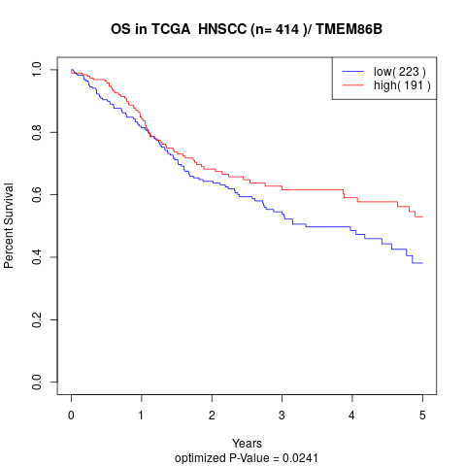

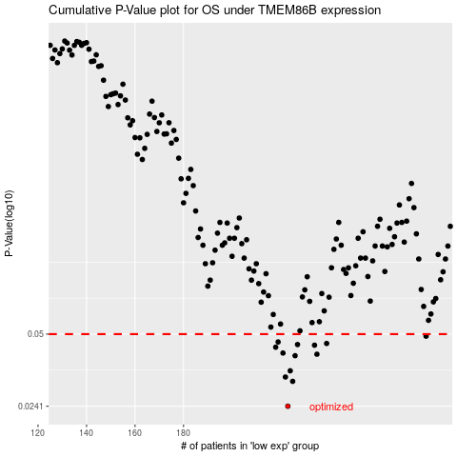

 |  |  |  |  |  | cases_OS | p_OS | rank | exp
 |  |  |  |  |  | 223 | 0.0241 | 362 | -0.21887276278
 |  |  |  |  |  | 225 | 0.031 | 41 | -0.21289376145
 |  |  |  |  |  | 222 | 0.0324 | 227 | -0.22060108155
 |  |  |  |  |  | 224 | 0.0345 | 256 | -0.21619439455
 |  |  |  |  |  | 226 | 0.0402 | 386 | -0.21142661865
 |  |  |  |  |  | 235 | 0.0408 | 63 | -0.18292162903
 |  |  |  |  |  | 221 | 0.0413 | 181 | -0.22261511629
 |  |  |  |  |  | 218 | 0.0438 | 81 | -0.23251526273
 |  |  |  |  |  | 234 | 0.0447 | 72 | -0.18293039332
 |  |  |  |  |  | 227 | 0.045 | 340 | -0.20874825042
 |  |  |  |  |  | 239 | 0.0455 | 175 | -0.14131051425
 |  |  |  |  |  | 219 | 0.0462 | 350 | -0.22700252184
 |  |  |  |  |  | 280 | 0.049 | 268 | 0.044851853374
 |  |  |  |  |  |  | cases_RFS | p_RFS | rank | exp
 |  |  |  |  |  |  | 222 | 0.0241 | 227 | -0.22060108155
 |  |  |  |  |  |  | 224 | 0.031 | 256 | -0.21619439455
 |  |  |  |  |  |  | 221 | 0.0324 | 181 | -0.22261511629
 |  |  |  |  |  |  | 223 | 0.0345 | 362 | -0.21887276278
 |  |  |  |  |  |  | 225 | 0.0402 | 41 | -0.21289376145
 |  |  |  |  |  |  | 234 | 0.0408 | 72 | -0.18293039332
 |  |  |  |  |  |  | 220 | 0.0413 | 355 | -0.22618744251
 |  |  |  |  |  |  | 217 | 0.0438 | 413 | -0.23299028746
 |  |  |  |  |  |  | 233 | 0.0447 | 220 | -0.18880597598
 |  |  |  |  |  |  | 226 | 0.045 | 386 | -0.21142661865
 |  |  |  |  |  |  | 238 | 0.0455 | 394 | -0.1430563616
 |  |  |  |  |  |  | 218 | 0.0462 | 81 | -0.23251526273
 |  |  |  |  |  |  | 279 | 0.049 | 66 | 0.043998211144

