TMEM90A _multivariate
Reported by Tex Li-Hsing Chi. tex@gate.sinica.edu.tw 2019-08-15

Table 2. The clinicopathological features of HNSCC cohort and TMEM90A expression. (Chi square test)
Cutoff at -0.24 (50.0%)
 |  | TMEM90A expression |  | TMEM90A expression |  | (Optimised)
 | Features | Low | (%) | High | (%) | Case no | P-value | Remark | Matthews
Gender | Female | 143 | 34.5 | 163 | 39.3 | 415 | 0.0416 | 1 | 0
2 | Male | 64 | 15.4 | 45 | 10.8
Age at diagnosis | <=65y | 126 | 30.4 | 148 | 35.7 | 415 | 0.035 | 1 | 0
4 | >65y | 81 | 19.5 | 60 | 14.5
Clinical T Status | T1+T2 | 82 | 19.8 | 67 | 16.1 | 415 | 0.1417 | 0 | 0
6 | T3+T4 | 125 | 30.1 | 141 | 34
Clinical N Status | N0 | 119 | 28.7 | 97 | 23.4 | 415 | 0.0345 | 1 | 0
8 | N1-3 | 88 | 21.2 | 111 | 26.7
Clinical M Status | M0 | 206 | 49.6 | 206 | 49.6 | 415 | 1 | 0 | 0
10 | M1 | 1 | 0.2 | 2 | 0.5
Clinical Stage | Stage I+II | 57 | 13.7 | 45 | 10.8 | 415 | 0.1998 | 0 | 0
12 | Stage III+IV | 150 | 36.1 | 163 | 39.3
Surgical Margin status | Negative | 159 | 38.3 | 159 | 38.3 | 415 | 1 | 0 | 0
14 | Positive | 48 | 11.6 | 49 | 11.8
Tobacco Exposure | Low | 90 | 21.7 | 71 | 17.1 | 415 | 0.0559 | 0 | 0
16 | High | 117 | 28.2 | 137 | 33

Table 3. Univariate/Multivariate Cox's proportional hazards regression analyses on OS time of TMEM90A gene expression in HNSCC

 |  | Univariate |  |  |  | Multivariate
 | Features | HR | CI95%(L) | CI95%(H) | P-value | HR | CI95%(L) | CI95%(H) | P-value
1 | Female | 1 |  |  |  | 1
Gender | Male | 1.157 | 0.843 | 1.587 | 0.367 | 1.207 | 0.863 | 1.689 | 0.271
11 | <=65y | 1 |  |  |  | 1
Age at diagnosis | >65y | 1.329 | 0.99 | 1.784 | 0.058 | 1.399 | 1.027 | 1.904 | 0.033
12 | T1+T2 | 1 |  |  |  | 1
Clinical T Status | T3+T4 | 1.409 | 1.028 | 1.931 | 0.033 | 2.191 | 1.158 | 4.147 | 0.016
13 | N0 | 1 |  |  |  | 1
Clinical N Status | N1-3 | 1.185 | 0.89 | 1.577 | 0.246 | 1.236 | 0.866 | 1.766 | 0.243
14 | M0 | 1 |  |  |  | 1
Clinical M Status | M1 | 4.097 | 1.009 | 16.644 | 0.049 | 9.358 | 2.041 | 42.91 | 0.004
15 | Stage I+II | 1 |  |  |  | 1
Clinical Stage | Stage III+IV | 1.245 | 0.882 | 1.759 | 0.213 | 0.505 | 0.235 | 1.085 | 0.08
16 | Negative | 1 |  |  |  | 1
Surgical Margin status | Positive | 1.591 | 1.155 | 2.191 | 0.004 | 1.669 | 1.208 | 2.307 | 0.002
17 | Low | 1 |  |  |  | 1
Tobacco Exposure | High | 1.364 | 1.008 | 1.844 | 0.044 | 1.455 | 1.056 | 2.004 | 0.022
18 | Low | 1 |  |  |  | 1
RNAseq(z-score) | High | 1.051 | 0.788 | 1.402 | 0.733 | 1.046 | 0.779 | 1.405 | 0.765

Table 4. Univariate/Multivariate Cox's proportional hazards regression analyses on RFS time of TMEM90A gene expression in HNSCC

 |  | Univariate |  |  |  | Multivariate
 | Features | HR | CI95%(L) | CI95%(H) | P-value | HR | CI95%(L) | CI95%(H) | P-value
1 | Female | 1 |  |  |  | 1
Gender | Male | 1.157 | 0.843 | 1.587 | 0.367 | 1.207 | 0.863 | 1.689 | 0.271
11 | <=65y | 1 |  |  |  | 1
Age at diagnosis | >65y | 1.329 | 0.99 | 1.784 | 0.058 | 1.399 | 1.027 | 1.904 | 0.033
12 | T1+T2 | 1 |  |  |  | 1
Clinical T Status | T3+T4 | 1.409 | 1.028 | 1.931 | 0.033 | 2.191 | 1.158 | 4.147 | 0.016
13 | N0 | 1 |  |  |  | 1
Clinical N Status | N1-3 | 1.185 | 0.89 | 1.577 | 0.246 | 1.236 | 0.866 | 1.766 | 0.243
14 | M0 | 1 |  |  |  | 1
Clinical M Status | M1 | 4.097 | 1.009 | 16.644 | 0.049 | 9.358 | 2.041 | 42.91 | 0.004
15 | Stage I+II | 1 |  |  |  | 1
Clinical Stage | Stage III+IV | 1.245 | 0.882 | 1.759 | 0.213 | 0.505 | 0.235 | 1.085 | 0.08
16 | Negative | 1 |  |  |  | 1
Surgical Margin status | Positive | 1.591 | 1.155 | 2.191 | 0.004 | 1.669 | 1.208 | 2.307 | 0.002
17 | Low | 1 |  |  |  | 1
Tobacco Exposure | High | 1.364 | 1.008 | 1.844 | 0.044 | 1.455 | 1.056 | 2.004 | 0.022
18 | Low | 1 |  |  |  | 1
RNAseq(z-score) | High | 1.051 | 0.788 | 1.402 | 0.733 | 1.046 | 0.779 | 1.405 | 0.765

Kaplan-Meier survival estimate: Cutoff at -0.24 (50.0%)



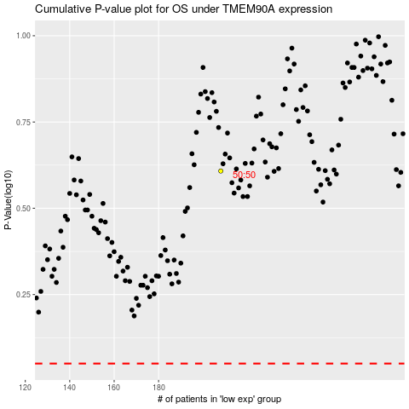

 |  |  |  |  |  | cases_OS | p_OS | rank | exp
 |  |  |  |  |  |  | cases_RFS | p_RFS | rank | exp

