TMEM90B _multivariate
Reported by Tex Li-Hsing Chi. tex@gate.sinica.edu.tw 2019-08-15

Table 2. The clinicopathological features of HNSCC cohort and TMEM90B expression. (Chi square test)
Cutoff at -0.329 (49.8%)
 |  | TMEM90B expression |  | TMEM90B expression |  | (Optimised)
 | Features | Low | (%) | High | (%) | Case no | P-value | Remark | Matthews
Gender | Female | 149 | 35.9 | 157 | 37.8 | 415 | 0.4848 | 0 | 0
2 | Male | 58 | 14 | 51 | 12.3
Age at diagnosis | <=65y | 145 | 34.9 | 129 | 31.1 | 415 | 0.1046 | 0 | 0
4 | >65y | 62 | 14.9 | 79 | 19
Clinical T Status | T1+T2 | 74 | 17.8 | 75 | 18.1 | 415 | 1 | 0 | 0
6 | T3+T4 | 133 | 32 | 133 | 32
Clinical N Status | N0 | 104 | 25.1 | 112 | 27 | 415 | 0.5243 | 0 | 0
8 | N1-3 | 103 | 24.8 | 96 | 23.1
Clinical M Status | M0 | 206 | 49.6 | 206 | 49.6 | 415 | 1 | 0 | 0
10 | M1 | 1 | 0.2 | 2 | 0.5
Clinical Stage | Stage I+II | 46 | 11.1 | 56 | 13.5 | 415 | 0.3182 | 0 | 0
12 | Stage III+IV | 161 | 38.8 | 152 | 36.6
Surgical Margin status | Negative | 164 | 39.5 | 154 | 37.1 | 415 | 0.2462 | 0 | 0
14 | Positive | 43 | 10.4 | 54 | 13
Tobacco Exposure | Low | 87 | 21 | 74 | 17.8 | 415 | 0.1911 | 0 | 0
16 | High | 120 | 28.9 | 134 | 32.3

Table 3. Univariate/Multivariate Cox's proportional hazards regression analyses on OS time of TMEM90B gene expression in HNSCC

 |  | Univariate |  |  |  | Multivariate
 | Features | HR | CI95%(L) | CI95%(H) | P-value | HR | CI95%(L) | CI95%(H) | P-value
1 | Female | 1 |  |  |  | 1
Gender | Male | 1.157 | 0.843 | 1.587 | 0.367 | 1.199 | 0.858 | 1.676 | 0.287
11 | <=65y | 1 |  |  |  | 1
Age at diagnosis | >65y | 1.329 | 0.99 | 1.784 | 0.058 | 1.394 | 1.025 | 1.895 | 0.034
12 | T1+T2 | 1 |  |  |  | 1
Clinical T Status | T3+T4 | 1.409 | 1.028 | 1.931 | 0.033 | 2.213 | 1.169 | 4.189 | 0.015
13 | N0 | 1 |  |  |  | 1
Clinical N Status | N1-3 | 1.185 | 0.89 | 1.577 | 0.246 | 1.243 | 0.871 | 1.773 | 0.231
14 | M0 | 1 |  |  |  | 1
Clinical M Status | M1 | 4.097 | 1.009 | 16.644 | 0.049 | 9.473 | 2.064 | 43.476 | 0.004
15 | Stage I+II | 1 |  |  |  | 1
Clinical Stage | Stage III+IV | 1.245 | 0.882 | 1.759 | 0.213 | 0.502 | 0.233 | 1.078 | 0.077
16 | Negative | 1 |  |  |  | 1
Surgical Margin status | Positive | 1.591 | 1.155 | 2.191 | 0.004 | 1.675 | 1.212 | 2.315 | 0.002
17 | Low | 1 |  |  |  | 1
Tobacco Exposure | High | 1.364 | 1.008 | 1.844 | 0.044 | 1.456 | 1.056 | 2.008 | 0.022
18 | Low | 1 |  |  |  | 1
RNAseq(z-score) | High | 1.041 | 0.781 | 1.387 | 0.786 | 0.966 | 0.723 | 1.291 | 0.817

Table 4. Univariate/Multivariate Cox's proportional hazards regression analyses on RFS time of TMEM90B gene expression in HNSCC

 |  | Univariate |  |  |  | Multivariate
 | Features | HR | CI95%(L) | CI95%(H) | P-value | HR | CI95%(L) | CI95%(H) | P-value
1 | Female | 1 |  |  |  | 1
Gender | Male | 1.157 | 0.843 | 1.587 | 0.367 | 1.199 | 0.858 | 1.676 | 0.287
11 | <=65y | 1 |  |  |  | 1
Age at diagnosis | >65y | 1.329 | 0.99 | 1.784 | 0.058 | 1.394 | 1.025 | 1.895 | 0.034
12 | T1+T2 | 1 |  |  |  | 1
Clinical T Status | T3+T4 | 1.409 | 1.028 | 1.931 | 0.033 | 2.213 | 1.169 | 4.189 | 0.015
13 | N0 | 1 |  |  |  | 1
Clinical N Status | N1-3 | 1.185 | 0.89 | 1.577 | 0.246 | 1.243 | 0.871 | 1.773 | 0.231
14 | M0 | 1 |  |  |  | 1
Clinical M Status | M1 | 4.097 | 1.009 | 16.644 | 0.049 | 9.473 | 2.064 | 43.476 | 0.004
15 | Stage I+II | 1 |  |  |  | 1
Clinical Stage | Stage III+IV | 1.245 | 0.882 | 1.759 | 0.213 | 0.502 | 0.233 | 1.078 | 0.077
16 | Negative | 1 |  |  |  | 1
Surgical Margin status | Positive | 1.591 | 1.155 | 2.191 | 0.004 | 1.675 | 1.212 | 2.315 | 0.002
17 | Low | 1 |  |  |  | 1
Tobacco Exposure | High | 1.364 | 1.008 | 1.844 | 0.044 | 1.456 | 1.056 | 2.008 | 0.022
18 | Low | 1 |  |  |  | 1
RNAseq(z-score) | High | 1.041 | 0.781 | 1.387 | 0.786 | 0.966 | 0.723 | 1.291 | 0.817

Kaplan-Meier survival estimate: Cutoff at -0.329 (49.8%)

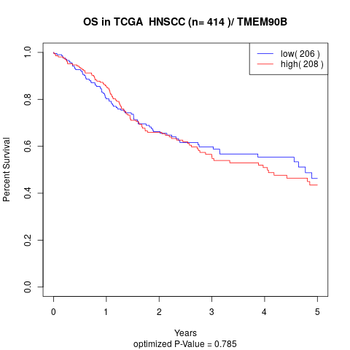

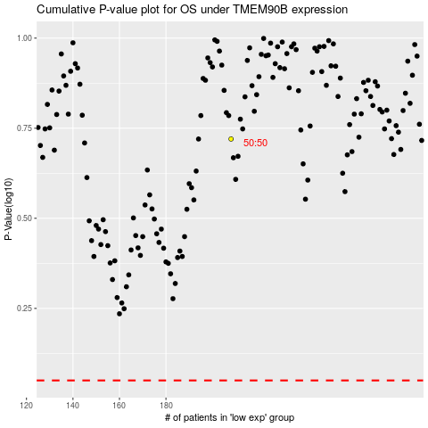

 |  |  |  |  |  | cases_OS | p_OS | rank | exp
 |  |  |  |  |  |  | cases_RFS | p_RFS | rank | exp

