TMEM93 _multivariate
Reported by Tex Li-Hsing Chi. tex@gate.sinica.edu.tw 2019-08-15

Table 2. The clinicopathological features of HNSCC cohort and TMEM93 expression. (Chi square test)
Cutoff at -0.225 (50.0%)
 |  | TMEM93 expression |  | TMEM93 expression |  | (Optimised)
 | Features | Low | (%) | High | (%) | Case no | P-value | Remark | Matthews
Gender | Female | 143 | 34.5 | 163 | 39.3 | 415 | 0.0416 | 1 | 0
2 | Male | 64 | 15.4 | 45 | 10.8
Age at diagnosis | <=65y | 134 | 32.3 | 140 | 33.7 | 415 | 0.6529 | 0 | 0
4 | >65y | 73 | 17.6 | 68 | 16.4
Clinical T Status | T1+T2 | 83 | 20 | 66 | 15.9 | 415 | 0.0941 | 0 | 0
6 | T3+T4 | 124 | 29.9 | 142 | 34.2
Clinical N Status | N0 | 111 | 26.7 | 105 | 25.3 | 415 | 0.5875 | 0 | 0
8 | N1-3 | 96 | 23.1 | 103 | 24.8
Clinical M Status | M0 | 206 | 49.6 | 206 | 49.6 | 415 | 1 | 0 | 0
10 | M1 | 1 | 0.2 | 2 | 0.5
Clinical Stage | Stage I+II | 59 | 14.2 | 43 | 10.4 | 415 | 0.0822 | 0 | 0
12 | Stage III+IV | 148 | 35.7 | 165 | 39.8
Surgical Margin status | Negative | 163 | 39.3 | 155 | 37.3 | 415 | 0.3537 | 0 | 0
14 | Positive | 44 | 10.6 | 53 | 12.8
Tobacco Exposure | Low | 82 | 19.8 | 79 | 19 | 415 | 0.763 | 0 | 0
16 | High | 125 | 30.1 | 129 | 31.1

Table 3. Univariate/Multivariate Cox's proportional hazards regression analyses on OS time of TMEM93 gene expression in HNSCC

 |  | Univariate |  |  |  | Multivariate
 | Features | HR | CI95%(L) | CI95%(H) | P-value | HR | CI95%(L) | CI95%(H) | P-value
1 | Female | 1 |  |  |  | 1
Gender | Male | 1.157 | 0.843 | 1.587 | 0.367 | 1.195 | 0.856 | 1.669 | 0.296
11 | <=65y | 1 |  |  |  | 1
Age at diagnosis | >65y | 1.329 | 0.99 | 1.784 | 0.058 | 1.384 | 1.017 | 1.883 | 0.038
12 | T1+T2 | 1 |  |  |  | 1
Clinical T Status | T3+T4 | 1.409 | 1.028 | 1.931 | 0.033 | 2.227 | 1.176 | 4.214 | 0.014
13 | N0 | 1 |  |  |  | 1
Clinical N Status | N1-3 | 1.185 | 0.89 | 1.577 | 0.246 | 1.243 | 0.871 | 1.774 | 0.23
14 | M0 | 1 |  |  |  | 1
Clinical M Status | M1 | 4.097 | 1.009 | 16.644 | 0.049 | 9.731 | 2.115 | 44.778 | 0.003
15 | Stage I+II | 1 |  |  |  | 1
Clinical Stage | Stage III+IV | 1.245 | 0.882 | 1.759 | 0.213 | 0.503 | 0.234 | 1.079 | 0.077
16 | Negative | 1 |  |  |  | 1
Surgical Margin status | Positive | 1.591 | 1.155 | 2.191 | 0.004 | 1.674 | 1.211 | 2.314 | 0.002
17 | Low | 1 |  |  |  | 1
Tobacco Exposure | High | 1.364 | 1.008 | 1.844 | 0.044 | 1.453 | 1.055 | 2.001 | 0.022
18 | Low | 1 |  |  |  | 1
RNAseq(z-score) | High | 0.948 | 0.711 | 1.264 | 0.715 | 0.91 | 0.679 | 1.218 | 0.526

Table 4. Univariate/Multivariate Cox's proportional hazards regression analyses on RFS time of TMEM93 gene expression in HNSCC

 |  | Univariate |  |  |  | Multivariate
 | Features | HR | CI95%(L) | CI95%(H) | P-value | HR | CI95%(L) | CI95%(H) | P-value
1 | Female | 1 |  |  |  | 1
Gender | Male | 1.157 | 0.843 | 1.587 | 0.367 | 1.195 | 0.856 | 1.669 | 0.296
11 | <=65y | 1 |  |  |  | 1
Age at diagnosis | >65y | 1.329 | 0.99 | 1.784 | 0.058 | 1.384 | 1.017 | 1.883 | 0.038
12 | T1+T2 | 1 |  |  |  | 1
Clinical T Status | T3+T4 | 1.409 | 1.028 | 1.931 | 0.033 | 2.227 | 1.176 | 4.214 | 0.014
13 | N0 | 1 |  |  |  | 1
Clinical N Status | N1-3 | 1.185 | 0.89 | 1.577 | 0.246 | 1.243 | 0.871 | 1.774 | 0.23
14 | M0 | 1 |  |  |  | 1
Clinical M Status | M1 | 4.097 | 1.009 | 16.644 | 0.049 | 9.731 | 2.115 | 44.778 | 0.003
15 | Stage I+II | 1 |  |  |  | 1
Clinical Stage | Stage III+IV | 1.245 | 0.882 | 1.759 | 0.213 | 0.503 | 0.234 | 1.079 | 0.077
16 | Negative | 1 |  |  |  | 1
Surgical Margin status | Positive | 1.591 | 1.155 | 2.191 | 0.004 | 1.674 | 1.211 | 2.314 | 0.002
17 | Low | 1 |  |  |  | 1
Tobacco Exposure | High | 1.364 | 1.008 | 1.844 | 0.044 | 1.453 | 1.055 | 2.001 | 0.022
18 | Low | 1 |  |  |  | 1
RNAseq(z-score) | High | 0.948 | 0.711 | 1.264 | 0.715 | 0.91 | 0.679 | 1.218 | 0.526

Kaplan-Meier survival estimate: Cutoff at -0.225 (50.0%)



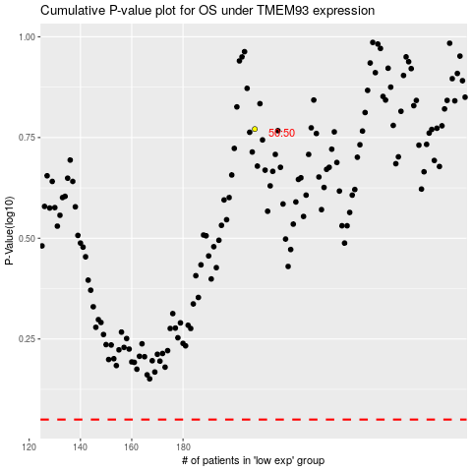

 |  |  |  |  |  | cases_OS | p_OS | rank | exp
 |  |  |  |  |  |  | cases_RFS | p_RFS | rank | exp

