TMEM98 _multivariate
Reported by Tex Li-Hsing Chi. tex@gate.sinica.edu.tw 2019-08-15

Table 2. The clinicopathological features of HNSCC cohort and TMEM98 expression. (Chi square test)
Cutoff at -0.283 (50.0%)
 |  | TMEM98 expression |  | TMEM98 expression |  | (Optimised)
 | Features | Low | (%) | High | (%) | Case no | P-value | Remark | Matthews
Gender | Female | 150 | 36.1 | 156 | 37.6 | 415 | 0.6344 | 0 | 0
2 | Male | 57 | 13.7 | 52 | 12.5
Age at diagnosis | <=65y | 145 | 34.9 | 129 | 31.1 | 415 | 0.1046 | 0 | 0
4 | >65y | 62 | 14.9 | 79 | 19
Clinical T Status | T1+T2 | 79 | 19 | 70 | 16.9 | 415 | 0.3924 | 0 | 0
6 | T3+T4 | 128 | 30.8 | 138 | 33.3
Clinical N Status | N0 | 96 | 23.1 | 120 | 28.9 | 415 | 0.0272 | 1 | 0
8 | N1-3 | 111 | 26.7 | 88 | 21.2
Clinical M Status | M0 | 204 | 49.2 | 208 | 50.1 | 415 | 0.1232 | 0 | 0
10 | M1 | 3 | 0.7 | 0 | 0
Clinical Stage | Stage I+II | 48 | 11.6 | 54 | 13 | 415 | 0.5878 | 0 | 0
12 | Stage III+IV | 159 | 38.3 | 154 | 37.1
Surgical Margin status | Negative | 157 | 37.8 | 161 | 38.8 | 415 | 0.729 | 0 | 0
14 | Positive | 50 | 12 | 47 | 11.3
Tobacco Exposure | Low | 96 | 23.1 | 65 | 15.7 | 415 | 0.0018 | 1 | 0
16 | High | 111 | 26.7 | 143 | 34.5

Table 3. Univariate/Multivariate Cox's proportional hazards regression analyses on OS time of TMEM98 gene expression in HNSCC

 |  | Univariate |  |  |  | Multivariate
 | Features | HR | CI95%(L) | CI95%(H) | P-value | HR | CI95%(L) | CI95%(H) | P-value
1 | Female | 1 |  |  |  | 1
Gender | Male | 1.157 | 0.843 | 1.587 | 0.367 | 1.202 | 0.86 | 1.679 | 0.281
11 | <=65y | 1 |  |  |  | 1
Age at diagnosis | >65y | 1.329 | 0.99 | 1.784 | 0.058 | 1.403 | 1.031 | 1.91 | 0.031
12 | T1+T2 | 1 |  |  |  | 1
Clinical T Status | T3+T4 | 1.409 | 1.028 | 1.931 | 0.033 | 2.236 | 1.181 | 4.231 | 0.013
13 | N0 | 1 |  |  |  | 1
Clinical N Status | N1-3 | 1.185 | 0.89 | 1.577 | 0.246 | 1.227 | 0.859 | 1.753 | 0.26
14 | M0 | 1 |  |  |  | 1
Clinical M Status | M1 | 4.097 | 1.009 | 16.644 | 0.049 | 9.07 | 1.973 | 41.687 | 0.005
15 | Stage I+II | 1 |  |  |  | 1
Clinical Stage | Stage III+IV | 1.245 | 0.882 | 1.759 | 0.213 | 0.497 | 0.232 | 1.068 | 0.073
16 | Negative | 1 |  |  |  | 1
Surgical Margin status | Positive | 1.591 | 1.155 | 2.191 | 0.004 | 1.673 | 1.211 | 2.312 | 0.002
17 | Low | 1 |  |  |  | 1
Tobacco Exposure | High | 1.364 | 1.008 | 1.844 | 0.044 | 1.491 | 1.075 | 2.07 | 0.017
18 | Low | 1 |  |  |  | 1
RNAseq(z-score) | High | 0.958 | 0.719 | 1.276 | 0.768 | 0.888 | 0.66 | 1.195 | 0.434

Table 4. Univariate/Multivariate Cox's proportional hazards regression analyses on RFS time of TMEM98 gene expression in HNSCC

 |  | Univariate |  |  |  | Multivariate
 | Features | HR | CI95%(L) | CI95%(H) | P-value | HR | CI95%(L) | CI95%(H) | P-value
1 | Female | 1 |  |  |  | 1
Gender | Male | 1.157 | 0.843 | 1.587 | 0.367 | 1.202 | 0.86 | 1.679 | 0.281
11 | <=65y | 1 |  |  |  | 1
Age at diagnosis | >65y | 1.329 | 0.99 | 1.784 | 0.058 | 1.403 | 1.031 | 1.91 | 0.031
12 | T1+T2 | 1 |  |  |  | 1
Clinical T Status | T3+T4 | 1.409 | 1.028 | 1.931 | 0.033 | 2.236 | 1.181 | 4.231 | 0.013
13 | N0 | 1 |  |  |  | 1
Clinical N Status | N1-3 | 1.185 | 0.89 | 1.577 | 0.246 | 1.227 | 0.859 | 1.753 | 0.26
14 | M0 | 1 |  |  |  | 1
Clinical M Status | M1 | 4.097 | 1.009 | 16.644 | 0.049 | 9.07 | 1.973 | 41.687 | 0.005
15 | Stage I+II | 1 |  |  |  | 1
Clinical Stage | Stage III+IV | 1.245 | 0.882 | 1.759 | 0.213 | 0.497 | 0.232 | 1.068 | 0.073
16 | Negative | 1 |  |  |  | 1
Surgical Margin status | Positive | 1.591 | 1.155 | 2.191 | 0.004 | 1.673 | 1.211 | 2.312 | 0.002
17 | Low | 1 |  |  |  | 1
Tobacco Exposure | High | 1.364 | 1.008 | 1.844 | 0.044 | 1.491 | 1.075 | 2.07 | 0.017
18 | Low | 1 |  |  |  | 1
RNAseq(z-score) | High | 0.958 | 0.719 | 1.276 | 0.768 | 0.888 | 0.66 | 1.195 | 0.434

Kaplan-Meier survival estimate: Cutoff at -0.283 (50.0%)



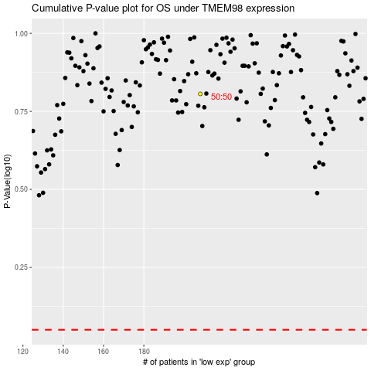

 |  |  |  |  |  | cases_OS | p_OS | rank | exp
 |  |  |  |  |  |  | cases_RFS | p_RFS | rank | exp

