TMEM99 _multivariate
Reported by Tex Li-Hsing Chi. tex@gate.sinica.edu.tw 2019-08-15

Table 2. The clinicopathological features of HNSCC cohort and TMEM99 expression. (Chi square test)
Cutoff at -0.197 (50.0%)
 |  | TMEM99 expression |  | TMEM99 expression |  | (Optimised)
 | Features | Low | (%) | High | (%) | Case no | P-value | Remark | Matthews
Gender | Female | 147 | 35.4 | 159 | 38.3 | 415 | 0.2523 | 0 | 0
2 | Male | 60 | 14.5 | 49 | 11.8
Age at diagnosis | <=65y | 133 | 32 | 141 | 34 | 415 | 0.5111 | 0 | 0
4 | >65y | 74 | 17.8 | 67 | 16.1
Clinical T Status | T1+T2 | 71 | 17.1 | 78 | 18.8 | 415 | 0.5638 | 0 | 0
6 | T3+T4 | 136 | 32.8 | 130 | 31.3
Clinical N Status | N0 | 101 | 24.3 | 115 | 27.7 | 415 | 0.2201 | 0 | 0
8 | N1-3 | 106 | 25.5 | 93 | 22.4
Clinical M Status | M0 | 206 | 49.6 | 206 | 49.6 | 415 | 1 | 0 | 0
10 | M1 | 1 | 0.2 | 2 | 0.5
Clinical Stage | Stage I+II | 47 | 11.3 | 55 | 13.3 | 415 | 0.4413 | 0 | 0
12 | Stage III+IV | 160 | 38.6 | 153 | 36.9
Surgical Margin status | Negative | 157 | 37.8 | 161 | 38.8 | 415 | 0.729 | 0 | 0
14 | Positive | 50 | 12 | 47 | 11.3
Tobacco Exposure | Low | 85 | 20.5 | 76 | 18.3 | 415 | 0.3655 | 0 | 0
16 | High | 122 | 29.4 | 132 | 31.8

Table 3. Univariate/Multivariate Cox's proportional hazards regression analyses on OS time of TMEM99 gene expression in HNSCC

 |  | Univariate |  |  |  | Multivariate
 | Features | HR | CI95%(L) | CI95%(H) | P-value | HR | CI95%(L) | CI95%(H) | P-value
1 | Female | 1 |  |  |  | 1
Gender | Male | 1.157 | 0.843 | 1.587 | 0.367 | 1.202 | 0.861 | 1.678 | 0.28
11 | <=65y | 1 |  |  |  | 1
Age at diagnosis | >65y | 1.329 | 0.99 | 1.784 | 0.058 | 1.408 | 1.035 | 1.914 | 0.029
12 | T1+T2 | 1 |  |  |  | 1
Clinical T Status | T3+T4 | 1.409 | 1.028 | 1.931 | 0.033 | 2.221 | 1.174 | 4.199 | 0.014
13 | N0 | 1 |  |  |  | 1
Clinical N Status | N1-3 | 1.185 | 0.89 | 1.577 | 0.246 | 1.252 | 0.877 | 1.786 | 0.215
14 | M0 | 1 |  |  |  | 1
Clinical M Status | M1 | 4.097 | 1.009 | 16.644 | 0.049 | 9.005 | 1.96 | 41.376 | 0.005
15 | Stage I+II | 1 |  |  |  | 1
Clinical Stage | Stage III+IV | 1.245 | 0.882 | 1.759 | 0.213 | 0.503 | 0.235 | 1.08 | 0.078
16 | Negative | 1 |  |  |  | 1
Surgical Margin status | Positive | 1.591 | 1.155 | 2.191 | 0.004 | 1.665 | 1.205 | 2.3 | 0.002
17 | Low | 1 |  |  |  | 1
Tobacco Exposure | High | 1.364 | 1.008 | 1.844 | 0.044 | 1.412 | 1.02 | 1.953 | 0.037
18 | Low | 1 |  |  |  | 1
RNAseq(z-score) | High | 1.175 | 0.881 | 1.566 | 0.272 | 1.165 | 0.867 | 1.564 | 0.311

Table 4. Univariate/Multivariate Cox's proportional hazards regression analyses on RFS time of TMEM99 gene expression in HNSCC

 |  | Univariate |  |  |  | Multivariate
 | Features | HR | CI95%(L) | CI95%(H) | P-value | HR | CI95%(L) | CI95%(H) | P-value
1 | Female | 1 |  |  |  | 1
Gender | Male | 1.157 | 0.843 | 1.587 | 0.367 | 1.202 | 0.861 | 1.678 | 0.28
11 | <=65y | 1 |  |  |  | 1
Age at diagnosis | >65y | 1.329 | 0.99 | 1.784 | 0.058 | 1.408 | 1.035 | 1.914 | 0.029
12 | T1+T2 | 1 |  |  |  | 1
Clinical T Status | T3+T4 | 1.409 | 1.028 | 1.931 | 0.033 | 2.221 | 1.174 | 4.199 | 0.014
13 | N0 | 1 |  |  |  | 1
Clinical N Status | N1-3 | 1.185 | 0.89 | 1.577 | 0.246 | 1.252 | 0.877 | 1.786 | 0.215
14 | M0 | 1 |  |  |  | 1
Clinical M Status | M1 | 4.097 | 1.009 | 16.644 | 0.049 | 9.005 | 1.96 | 41.376 | 0.005
15 | Stage I+II | 1 |  |  |  | 1
Clinical Stage | Stage III+IV | 1.245 | 0.882 | 1.759 | 0.213 | 0.503 | 0.235 | 1.08 | 0.078
16 | Negative | 1 |  |  |  | 1
Surgical Margin status | Positive | 1.591 | 1.155 | 2.191 | 0.004 | 1.665 | 1.205 | 2.3 | 0.002
17 | Low | 1 |  |  |  | 1
Tobacco Exposure | High | 1.364 | 1.008 | 1.844 | 0.044 | 1.412 | 1.02 | 1.953 | 0.037
18 | Low | 1 |  |  |  | 1
RNAseq(z-score) | High | 1.175 | 0.881 | 1.566 | 0.272 | 1.165 | 0.867 | 1.564 | 0.311

Kaplan-Meier survival estimate: Cutoff at -0.197 (50.0%)



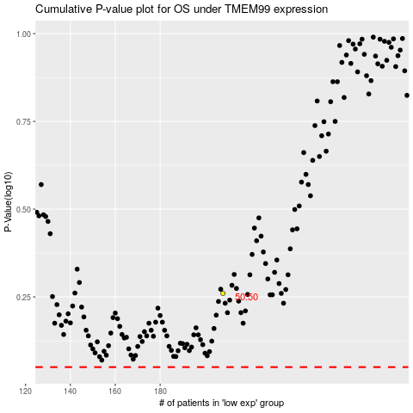

 |  |  |  |  |  | cases_OS | p_OS | rank | exp
 |  |  |  |  |  |  | cases_RFS | p_RFS | rank | exp

