TMOD1 _multivariate
Reported by Tex Li-Hsing Chi. tex@gate.sinica.edu.tw 2019-08-15

Table 2. The clinicopathological features of HNSCC cohort and TMOD1 expression. (Chi square test)
Cutoff at -0.141 (68.4%)
 |  | TMOD1 expression |  | TMOD1 expression |  | (Optimised)
 | Features | Low | (%) | High | (%) | Case no | P-value | Remark | Matthews
Gender | Female | 208 | 50.1 | 98 | 23.6 | 415 | 0.9675 | 0 | 0
2 | Male | 75 | 18.1 | 34 | 8.2
Age at diagnosis | <=65y | 186 | 44.8 | 88 | 21.2 | 415 | 0.9382 | 0 | 0
4 | >65y | 97 | 23.4 | 44 | 10.6
Clinical T Status | T1+T2 | 83 | 20 | 66 | 15.9 | 415 | 1e-04 | 1 | 0
6 | T3+T4 | 200 | 48.2 | 66 | 15.9
Clinical N Status | N0 | 151 | 36.4 | 65 | 15.7 | 415 | 0.4991 | 0 | 0
8 | N1-3 | 132 | 31.8 | 67 | 16.1
Clinical M Status | M0 | 281 | 67.7 | 131 | 31.6 | 415 | 1 | 0 | 0
10 | M1 | 2 | 0.5 | 1 | 0.2
Clinical Stage | Stage I+II | 61 | 14.7 | 41 | 9.9 | 415 | 0.0486 | 1 | 0
12 | Stage III+IV | 222 | 53.5 | 91 | 21.9
Surgical Margin status | Negative | 224 | 54 | 94 | 22.7 | 415 | 0.082 | 0 | 0
14 | Positive | 59 | 14.2 | 38 | 9.2
Tobacco Exposure | Low | 109 | 26.3 | 52 | 12.5 | 415 | 0.914 | 0 | 0
16 | High | 174 | 41.9 | 80 | 19.3

Table 3. Univariate/Multivariate Cox's proportional hazards regression analyses on OS time of TMOD1 gene expression in HNSCC

 |  | Univariate |  |  |  | Multivariate
 | Features | HR | CI95%(L) | CI95%(H) | P-value | HR | CI95%(L) | CI95%(H) | P-value
1 | Female | 1 |  |  |  | 1
Gender | Male | 1.157 | 0.843 | 1.587 | 0.367 | 1.228 | 0.878 | 1.718 | 0.229
11 | <=65y | 1 |  |  |  | 1
Age at diagnosis | >65y | 1.329 | 0.99 | 1.784 | 0.058 | 1.397 | 1.027 | 1.902 | 0.033
12 | T1+T2 | 1 |  |  |  | 1
Clinical T Status | T3+T4 | 1.409 | 1.028 | 1.931 | 0.033 | 2.487 | 1.307 | 4.732 | 0.006
13 | N0 | 1 |  |  |  | 1
Clinical N Status | N1-3 | 1.185 | 0.89 | 1.577 | 0.246 | 1.193 | 0.836 | 1.702 | 0.331
14 | M0 | 1 |  |  |  | 1
Clinical M Status | M1 | 4.097 | 1.009 | 16.644 | 0.049 | 10.993 | 2.388 | 50.599 | 0.002
15 | Stage I+II | 1 |  |  |  | 1
Clinical Stage | Stage III+IV | 1.245 | 0.882 | 1.759 | 0.213 | 0.502 | 0.234 | 1.079 | 0.077
16 | Negative | 1 |  |  |  | 1
Surgical Margin status | Positive | 1.591 | 1.155 | 2.191 | 0.004 | 1.583 | 1.143 | 2.191 | 0.006
17 | Low | 1 |  |  |  | 1
Tobacco Exposure | High | 1.364 | 1.008 | 1.844 | 0.044 | 1.381 | 1.001 | 1.904 | 0.049
18 | Low | 1 |  |  |  | 1
RNAseq(z-score) | High | 1.516 | 1.128 | 2.038 | 0.006 | 1.606 | 1.18 | 2.185 | 0.003

Table 4. Univariate/Multivariate Cox's proportional hazards regression analyses on RFS time of TMOD1 gene expression in HNSCC

 |  | Univariate |  |  |  | Multivariate
 | Features | HR | CI95%(L) | CI95%(H) | P-value | HR | CI95%(L) | CI95%(H) | P-value
1 | Female | 1 |  |  |  | 1
Gender | Male | 1.157 | 0.843 | 1.587 | 0.367 | 1.228 | 0.878 | 1.718 | 0.229
11 | <=65y | 1 |  |  |  | 1
Age at diagnosis | >65y | 1.329 | 0.99 | 1.784 | 0.058 | 1.397 | 1.027 | 1.902 | 0.033
12 | T1+T2 | 1 |  |  |  | 1
Clinical T Status | T3+T4 | 1.409 | 1.028 | 1.931 | 0.033 | 2.487 | 1.307 | 4.732 | 0.006
13 | N0 | 1 |  |  |  | 1
Clinical N Status | N1-3 | 1.185 | 0.89 | 1.577 | 0.246 | 1.193 | 0.836 | 1.702 | 0.331
14 | M0 | 1 |  |  |  | 1
Clinical M Status | M1 | 4.097 | 1.009 | 16.644 | 0.049 | 10.993 | 2.388 | 50.599 | 0.002
15 | Stage I+II | 1 |  |  |  | 1
Clinical Stage | Stage III+IV | 1.245 | 0.882 | 1.759 | 0.213 | 0.502 | 0.234 | 1.079 | 0.077
16 | Negative | 1 |  |  |  | 1
Surgical Margin status | Positive | 1.591 | 1.155 | 2.191 | 0.004 | 1.583 | 1.143 | 2.191 | 0.006
17 | Low | 1 |  |  |  | 1
Tobacco Exposure | High | 1.364 | 1.008 | 1.844 | 0.044 | 1.381 | 1.001 | 1.904 | 0.049
18 | Low | 1 |  |  |  | 1
RNAseq(z-score) | High | 1.516 | 1.128 | 2.038 | 0.006 | 1.606 | 1.18 | 2.185 | 0.003

Kaplan-Meier survival estimate: Cutoff at -0.141 (68.4%)

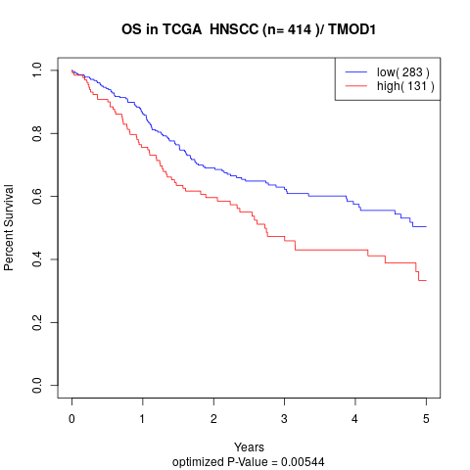

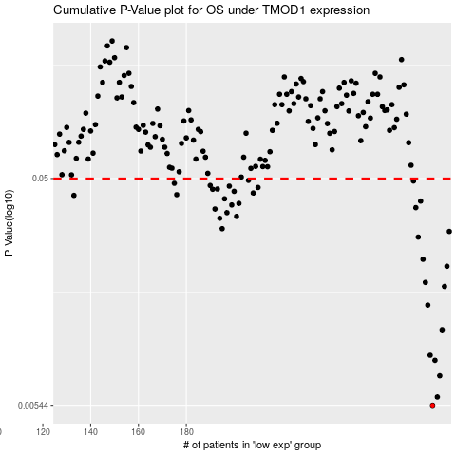

 |  |  |  |  |  | cases_OS | p_OS | rank | exp
 |  |  |  |  |  | 283 | 0.00544 | 389 | -0.14098029676
 |  |  |  |  |  | 285 | 0.0059 | 412 | -0.13631782417
 |  |  |  |  |  | 286 | 0.00726 | 394 | -0.13572999262
 |  |  |  |  |  | 284 | 0.00844 | 363 | -0.13893834425
 |  |  |  |  |  | 282 | 0.00887 | 35 | -0.14481741378
 |  |  |  |  |  | 287 | 0.0114 | 285 | -0.13572977718
 |  |  |  |  |  | 281 | 0.0145 | 131 | -0.14487299763
 |  |  |  |  |  | 288 | 0.0174 | 323 | -0.13420089809
 |  |  |  |  |  | 280 | 0.0181 | 178 | -0.14514423821
 |  |  |  |  |  | 289 | 0.0212 | 133 | -0.12765557639
 |  |  |  |  |  | 279 | 0.0227 | 234 | -0.14541612511
 |  |  |  |  |  | 277 | 0.0282 | 283 | -0.14676252543
 |  |  |  |  |  | 290 | 0.0298 | 309 | -0.1270315507
 |  |  |  |  |  | 195 | 0.0306 | 62 | -0.25046152585
 |  |  |  |  |  | 194 | 0.0339 | 352 | -0.25082949957
 |  |  |  |  |  | 201 | 0.0345 | 240 | -0.24327020345
 |  |  |  |  |  | 197 | 0.0358 | 125 | -0.24816190557
 |  |  |  |  |  | 192 | 0.0371 | 4 | -0.25282847154
 |  |  |  |  |  | 276 | 0.0376 | 106 | -0.14701017518
 |  |  |  |  |  | 199 | 0.0386 | 275 | -0.24785597894
 |  |  |  |  |  | 202 | 0.0392 | 253 | -0.2430638107
 |  |  |  |  |  | 278 | 0.0401 | 270 | -0.14668378164
 |  |  |  |  |  | 196 | 0.041 | 36 | -0.24951358419
 |  |  |  |  |  | 133 | 0.0424 | 250 | -0.29750560818
 |  |  |  |  |  | 176 | 0.0427 | 180 | -0.26487045449
 |  |  |  |  |  | 208 | 0.0434 | 186 | -0.24158922282
 |  |  |  |  |  | 200 | 0.0441 | 397 | -0.24446030112
 |  |  |  |  |  | 191 | 0.045 | 262 | -0.2546243901
 |  |  |  |  |  | 193 | 0.0451 | 190 | -0.25189410268
 |  |  |  |  |  | 210 | 0.0458 | 67 | -0.23961836594
 |  |  |  |  |  | 198 | 0.0464 | 329 | -0.24790186793
 |  |  |  |  |  | 190 | 0.0467 | 94 | -0.25492891635
 |  |  |  |  |  | 175 | 0.0477 | 312 | -0.26689915736
 |  |  |  |  |  | 275 | 0.0488 | 40 | -0.14952997646
 |  |  |  |  |  | 206 | 0.0491 | 278 | -0.24174261701
 |  |  |  |  |  |  | cases_RFS | p_RFS | rank | exp
 |  |  |  |  |  |  | 282 | 0.00544 | 35 | -0.14481741378
 |  |  |  |  |  |  | 284 | 0.0059 | 363 | -0.13893834425
 |  |  |  |  |  |  | 285 | 0.00726 | 412 | -0.13631782417
 |  |  |  |  |  |  | 283 | 0.00844 | 389 | -0.14098029676
 |  |  |  |  |  |  | 281 | 0.00887 | 131 | -0.14487299763
 |  |  |  |  |  |  | 286 | 0.0114 | 394 | -0.13572999262
 |  |  |  |  |  |  | 280 | 0.0145 | 178 | -0.14514423821
 |  |  |  |  |  |  | 287 | 0.0174 | 285 | -0.13572977718
 |  |  |  |  |  |  | 279 | 0.0181 | 234 | -0.14541612511
 |  |  |  |  |  |  | 288 | 0.0212 | 323 | -0.13420089809
 |  |  |  |  |  |  | 278 | 0.0227 | 270 | -0.14668378164
 |  |  |  |  |  |  | 276 | 0.0282 | 106 | -0.14701017518
 |  |  |  |  |  |  | 289 | 0.0298 | 133 | -0.12765557639
 |  |  |  |  |  |  | 194 | 0.0306 | 352 | -0.25082949957
 |  |  |  |  |  |  | 193 | 0.0339 | 190 | -0.25189410268
 |  |  |  |  |  |  | 200 | 0.0345 | 397 | -0.24446030112
 |  |  |  |  |  |  | 196 | 0.0358 | 36 | -0.24951358419
 |  |  |  |  |  |  | 191 | 0.0371 | 262 | -0.2546243901
 |  |  |  |  |  |  | 275 | 0.0376 | 40 | -0.14952997646
 |  |  |  |  |  |  | 198 | 0.0386 | 329 | -0.24790186793
 |  |  |  |  |  |  | 201 | 0.0392 | 240 | -0.24327020345
 |  |  |  |  |  |  | 277 | 0.0401 | 283 | -0.14676252543
 |  |  |  |  |  |  | 195 | 0.041 | 62 | -0.25046152585
 |  |  |  |  |  |  | 132 | 0.0424 | 233 | -0.29770876932
 |  |  |  |  |  |  | 175 | 0.0427 | 312 | -0.26689915736
 |  |  |  |  |  |  | 207 | 0.0434 | 193 | -0.2416569791
 |  |  |  |  |  |  | 199 | 0.0441 | 275 | -0.24785597894
 |  |  |  |  |  |  | 190 | 0.045 | 94 | -0.25492891635
 |  |  |  |  |  |  | 192 | 0.0451 | 4 | -0.25282847154
 |  |  |  |  |  |  | 209 | 0.0458 | 402 | -0.24033503137
 |  |  |  |  |  |  | 197 | 0.0464 | 125 | -0.24816190557
 |  |  |  |  |  |  | 189 | 0.0467 | 367 | -0.25525412498
 |  |  |  |  |  |  | 174 | 0.0477 | 162 | -0.26740016607
 |  |  |  |  |  |  | 274 | 0.0488 | 336 | -0.15051098836
 |  |  |  |  |  |  | 205 | 0.0491 | 205 | -0.24190473658

